DPH3B _multivariate
Reported by Tex Li-Hsing Chi. tex@gate.sinica.edu.tw 2019-08-20

Table 2. The clinicopathological features of HNSCC cohort and DPH3B expression. (Chi square test)
Cutoff at 0.243 (63.5%)
 |  | DPH3B expression |  | DPH3B expression |  | (Optimised)
 | Features | Low | (%) | High | (%) | Case no | P-value | Remark | Matthews
Gender | Female | 193 | 46.5 | 113 | 27.2 | 415 | 0.7879 | 0 | 0
2 | Male | 71 | 17.1 | 38 | 9.2
Age at diagnosis | <=65y | 176 | 42.4 | 98 | 23.6 | 415 | 0.7966 | 0 | 0
4 | >65y | 88 | 21.2 | 53 | 12.8
Clinical T Status | T1+T2 | 104 | 25.1 | 45 | 10.8 | 415 | 0.0638 | 0 | 0
6 | T3+T4 | 160 | 38.6 | 106 | 25.5
Clinical N Status | N0 | 142 | 34.2 | 74 | 17.8 | 415 | 0.4032 | 0 | 0
8 | N1-3 | 122 | 29.4 | 77 | 18.6
Clinical M Status | M0 | 262 | 63.1 | 150 | 36.1 | 415 | 1 | 0 | 0
10 | M1 | 2 | 0.5 | 1 | 0.2
Clinical Stage | Stage I+II | 71 | 17.1 | 31 | 7.5 | 415 | 0.1834 | 0 | 0
12 | Stage III+IV | 193 | 46.5 | 120 | 28.9
Surgical Margin status | Negative | 204 | 49.2 | 114 | 27.5 | 415 | 0.7181 | 0 | 0
14 | Positive | 60 | 14.5 | 37 | 8.9
Tobacco Exposure | Low | 107 | 25.8 | 54 | 13 | 415 | 0.3481 | 0 | 0
16 | High | 157 | 37.8 | 97 | 23.4

Table 3. Univariate/Multivariate Cox's proportional hazards regression analyses on OS time of DPH3B gene expression in HNSCC

 |  | Univariate |  |  |  | Multivariate
 | Features | HR | CI95%(L) | CI95%(H) | P-value | HR | CI95%(L) | CI95%(H) | P-value
1 | Female | 1 |  |  |  | 1
Gender | Male | 1.157 | 0.843 | 1.587 | 0.367 | 1.205 | 0.862 | 1.686 | 0.275
11 | <=65y | 1 |  |  |  | 1
Age at diagnosis | >65y | 1.329 | 0.99 | 1.784 | 0.058 | 1.384 | 1.016 | 1.884 | 0.039
12 | T1+T2 | 1 |  |  |  | 1
Clinical T Status | T3+T4 | 1.409 | 1.028 | 1.931 | 0.033 | 2.127 | 1.124 | 4.023 | 0.02
13 | N0 | 1 |  |  |  | 1
Clinical N Status | N1-3 | 1.185 | 0.89 | 1.577 | 0.246 | 1.232 | 0.86 | 1.763 | 0.255
14 | M0 | 1 |  |  |  | 1
Clinical M Status | M1 | 4.097 | 1.009 | 16.644 | 0.049 | 9.838 | 2.145 | 45.119 | 0.003
15 | Stage I+II | 1 |  |  |  | 1
Clinical Stage | Stage III+IV | 1.245 | 0.882 | 1.759 | 0.213 | 0.501 | 0.233 | 1.078 | 0.077
16 | Negative | 1 |  |  |  | 1
Surgical Margin status | Positive | 1.591 | 1.155 | 2.191 | 0.004 | 1.683 | 1.218 | 2.326 | 0.002
17 | Low | 1 |  |  |  | 1
Tobacco Exposure | High | 1.364 | 1.008 | 1.844 | 0.044 | 1.442 | 1.046 | 1.987 | 0.026
18 | Low | 1 |  |  |  | 1
RNAseq(z-score) | High | 1.47 | 1.096 | 1.971 | 0.01 | 1.429 | 1.062 | 1.923 | 0.018

Table 4. Univariate/Multivariate Cox's proportional hazards regression analyses on RFS time of DPH3B gene expression in HNSCC

 |  | Univariate |  |  |  | Multivariate
 | Features | HR | CI95%(L) | CI95%(H) | P-value | HR | CI95%(L) | CI95%(H) | P-value
1 | Female | 1 |  |  |  | 1
Gender | Male | 1.157 | 0.843 | 1.587 | 0.367 | 1.205 | 0.862 | 1.686 | 0.275
11 | <=65y | 1 |  |  |  | 1
Age at diagnosis | >65y | 1.329 | 0.99 | 1.784 | 0.058 | 1.384 | 1.016 | 1.884 | 0.039
12 | T1+T2 | 1 |  |  |  | 1
Clinical T Status | T3+T4 | 1.409 | 1.028 | 1.931 | 0.033 | 2.127 | 1.124 | 4.023 | 0.02
13 | N0 | 1 |  |  |  | 1
Clinical N Status | N1-3 | 1.185 | 0.89 | 1.577 | 0.246 | 1.232 | 0.86 | 1.763 | 0.255
14 | M0 | 1 |  |  |  | 1
Clinical M Status | M1 | 4.097 | 1.009 | 16.644 | 0.049 | 9.838 | 2.145 | 45.119 | 0.003
15 | Stage I+II | 1 |  |  |  | 1
Clinical Stage | Stage III+IV | 1.245 | 0.882 | 1.759 | 0.213 | 0.501 | 0.233 | 1.078 | 0.077
16 | Negative | 1 |  |  |  | 1
Surgical Margin status | Positive | 1.591 | 1.155 | 2.191 | 0.004 | 1.683 | 1.218 | 2.326 | 0.002
17 | Low | 1 |  |  |  | 1
Tobacco Exposure | High | 1.364 | 1.008 | 1.844 | 0.044 | 1.442 | 1.046 | 1.987 | 0.026
18 | Low | 1 |  |  |  | 1
RNAseq(z-score) | High | 1.47 | 1.096 | 1.971 | 0.01 | 1.429 | 1.062 | 1.923 | 0.018

Kaplan-Meier survival estimate: Cutoff at 0.243 (63.5%)

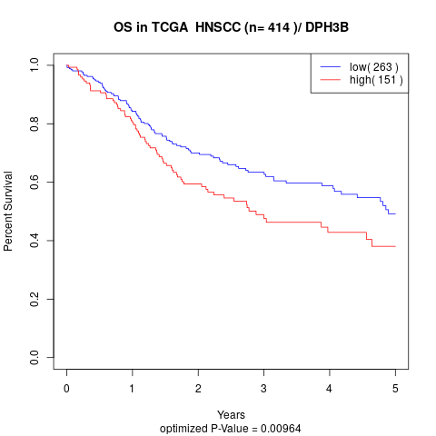

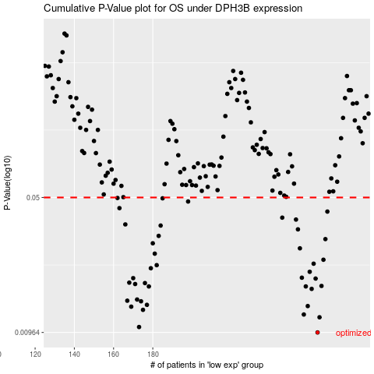

 |  |  |  |  |  | cases_OS | p_OS | rank | exp
 |  |  |  |  |  | 264 | 0.00964 | 273 | 0.24250047653
 |  |  |  |  |  | 173 | 0.0103 | 339 | -0.22776919948
 |  |  |  |  |  | 265 | 0.0116 | 159 | 0.24813605938
 |  |  |  |  |  | 257 | 0.012 | 138 | 0.18054965064
 |  |  |  |  |  | 175 | 0.0127 | 12 | -0.20458909635
 |  |  |  |  |  | 169 | 0.0132 | 196 | -0.26395984574
 |  |  |  |  |  | 259 | 0.0133 | 281 | 0.20535897062
 |  |  |  |  |  | 177 | 0.0135 | 56 | -0.19871579859
 |  |  |  |  |  | 174 | 0.0141 | 348 | -0.2080214678
 |  |  |  |  |  | 167 | 0.0142 | 371 | -0.27591516656
 |  |  |  |  |  | 172 | 0.0144 | 190 | -0.23481367805
 |  |  |  |  |  | 261 | 0.0164 | 409 | 0.23335135128
 |  |  |  |  |  | 178 | 0.0169 | 203 | -0.19693003777
 |  |  |  |  |  | 258 | 0.0169 | 350 | 0.20190920539
 |  |  |  |  |  | 266 | 0.017 | 58 | 0.25214242538
 |  |  |  |  |  | 171 | 0.0174 | 357 | -0.23772423627
 |  |  |  |  |  | 176 | 0.0176 | 73 | -0.20171332568
 |  |  |  |  |  | 168 | 0.0177 | 45 | -0.26615725922
 |  |  |  |  |  | 263 | 0.0186 | 230 | 0.23907970093
 |  |  |  |  |  | 170 | 0.0187 | 144 | -0.2380605159
 |  |  |  |  |  | 256 | 0.0188 | 131 | 0.17858995207
 |  |  |  |  |  | 260 | 0.0202 | 334 | 0.20800862222
 |  |  |  |  |  | 179 | 0.0211 | 69 | -0.1963038619
 |  |  |  |  |  | 182 | 0.0219 | 43 | -0.18764756025
 |  |  |  |  |  | 262 | 0.0223 | 310 | 0.23734032351
 |  |  |  |  |  | 267 | 0.0234 | 369 | 0.25352233147
 |  |  |  |  |  | 181 | 0.0252 | 16 | -0.19154376568
 |  |  |  |  |  | 255 | 0.0269 | 255 | 0.16726080712
 |  |  |  |  |  | 180 | 0.0286 | 353 | -0.19471523052
 |  |  |  |  |  | 268 | 0.0301 | 79 | 0.25374845053
 |  |  |  |  |  | 183 | 0.0313 | 278 | -0.18640100643
 |  |  |  |  |  | 254 | 0.0339 | 233 | 0.16062798121
 |  |  |  |  |  | 184 | 0.0355 | 201 | -0.18639520851
 |  |  |  |  |  | 166 | 0.036 | 271 | -0.27739363737
 |  |  |  |  |  | 253 | 0.0382 | 388 | 0.15906254153
 |  |  |  |  |  | 246 | 0.0391 | 23 | 0.13207899977
 |  |  |  |  |  | 269 | 0.0421 | 404 | 0.25726779085
 |  |  |  |  |  | 163 | 0.0439 | 52 | -0.2914825945
 |  |  |  |  |  | 198 | 0.0476 | 208 | -0.12379501504
 |  |  |  |  |  | 185 | 0.0495 | 323 | -0.18528780488
 |  |  |  |  |  | 162 | 0.0497 | 383 | -0.29905468421
 |  |  |  |  |  |  | cases_RFS | p_RFS | rank | exp
 |  |  |  |  |  |  | 263 | 0.00964 | 230 | 0.23907970093
 |  |  |  |  |  |  | 172 | 0.0103 | 190 | -0.23481367805
 |  |  |  |  |  |  | 264 | 0.0116 | 273 | 0.24250047653
 |  |  |  |  |  |  | 256 | 0.012 | 131 | 0.17858995207
 |  |  |  |  |  |  | 174 | 0.0127 | 348 | -0.2080214678
 |  |  |  |  |  |  | 168 | 0.0132 | 45 | -0.26615725922
 |  |  |  |  |  |  | 258 | 0.0133 | 350 | 0.20190920539
 |  |  |  |  |  |  | 176 | 0.0135 | 73 | -0.20171332568
 |  |  |  |  |  |  | 173 | 0.0141 | 339 | -0.22776919948
 |  |  |  |  |  |  | 166 | 0.0142 | 271 | -0.27739363737
 |  |  |  |  |  |  | 171 | 0.0144 | 357 | -0.23772423627
 |  |  |  |  |  |  | 260 | 0.0164 | 334 | 0.20800862222
 |  |  |  |  |  |  | 177 | 0.0169 | 56 | -0.19871579859
 |  |  |  |  |  |  | 257 | 0.0169 | 138 | 0.18054965064
 |  |  |  |  |  |  | 265 | 0.017 | 159 | 0.24813605938
 |  |  |  |  |  |  | 170 | 0.0174 | 144 | -0.2380605159
 |  |  |  |  |  |  | 175 | 0.0176 | 12 | -0.20458909635
 |  |  |  |  |  |  | 167 | 0.0177 | 371 | -0.27591516656
 |  |  |  |  |  |  | 262 | 0.0186 | 310 | 0.23734032351
 |  |  |  |  |  |  | 169 | 0.0187 | 196 | -0.26395984574
 |  |  |  |  |  |  | 255 | 0.0188 | 255 | 0.16726080712
 |  |  |  |  |  |  | 259 | 0.0202 | 281 | 0.20535897062
 |  |  |  |  |  |  | 178 | 0.0211 | 203 | -0.19693003777
 |  |  |  |  |  |  | 181 | 0.0219 | 16 | -0.19154376568
 |  |  |  |  |  |  | 261 | 0.0223 | 409 | 0.23335135128
 |  |  |  |  |  |  | 266 | 0.0234 | 58 | 0.25214242538
 |  |  |  |  |  |  | 180 | 0.0252 | 353 | -0.19471523052
 |  |  |  |  |  |  | 254 | 0.0269 | 233 | 0.16062798121
 |  |  |  |  |  |  | 179 | 0.0286 | 69 | -0.1963038619
 |  |  |  |  |  |  | 267 | 0.0301 | 369 | 0.25352233147
 |  |  |  |  |  |  | 182 | 0.0313 | 43 | -0.18764756025
 |  |  |  |  |  |  | 253 | 0.0339 | 388 | 0.15906254153
 |  |  |  |  |  |  | 183 | 0.0355 | 278 | -0.18640100643
 |  |  |  |  |  |  | 165 | 0.036 | 63 | -0.28215373359
 |  |  |  |  |  |  | 252 | 0.0382 | 184 | 0.15180353975
 |  |  |  |  |  |  | 245 | 0.0391 | 396 | 0.13128468408
 |  |  |  |  |  |  | 268 | 0.0421 | 79 | 0.25374845053
 |  |  |  |  |  |  | 162 | 0.0439 | 383 | -0.29905468421
 |  |  |  |  |  |  | 197 | 0.0476 | 139 | -0.12578370323
 |  |  |  |  |  |  | 184 | 0.0495 | 201 | -0.18639520851
 |  |  |  |  |  |  | 161 | 0.0497 | 189 | -0.30699204319

