DPH5 _multivariate
Reported by Tex Li-Hsing Chi. tex@gate.sinica.edu.tw 2019-08-20

Table 2. The clinicopathological features of HNSCC cohort and DPH5 expression. (Chi square test)
Cutoff at -0.21 (49.8%)
 |  | DPH5 expression |  | DPH5 expression |  | (Optimised)
 | Features | Low | (%) | High | (%) | Case no | P-value | Remark | Matthews
Gender | Female | 145 | 34.9 | 161 | 38.8 | 415 | 0.1116 | 0 | 0
2 | Male | 62 | 14.9 | 47 | 11.3
Age at diagnosis | <=65y | 129 | 31.1 | 145 | 34.9 | 415 | 0.1372 | 0 | 0
4 | >65y | 78 | 18.8 | 63 | 15.2
Clinical T Status | T1+T2 | 68 | 16.4 | 81 | 19.5 | 415 | 0.2336 | 0 | 0
6 | T3+T4 | 139 | 33.5 | 127 | 30.6
Clinical N Status | N0 | 110 | 26.5 | 106 | 25.5 | 415 | 0.7294 | 0 | 0
8 | N1-3 | 97 | 23.4 | 102 | 24.6
Clinical M Status | M0 | 207 | 49.9 | 205 | 49.4 | 415 | 0.2482 | 0 | 0
10 | M1 | 0 | 0 | 3 | 0.7
Clinical Stage | Stage I+II | 47 | 11.3 | 55 | 13.3 | 415 | 0.4413 | 0 | 0
12 | Stage III+IV | 160 | 38.6 | 153 | 36.9
Surgical Margin status | Negative | 168 | 40.5 | 150 | 36.1 | 415 | 0.0366 | 1 | 0
14 | Positive | 39 | 9.4 | 58 | 14
Tobacco Exposure | Low | 83 | 20 | 78 | 18.8 | 415 | 0.6152 | 0 | 0
16 | High | 124 | 29.9 | 130 | 31.3

Table 3. Univariate/Multivariate Cox's proportional hazards regression analyses on OS time of DPH5 gene expression in HNSCC

 |  | Univariate |  |  |  | Multivariate
 | Features | HR | CI95%(L) | CI95%(H) | P-value | HR | CI95%(L) | CI95%(H) | P-value
1 | Female | 1 |  |  |  | 1
Gender | Male | 1.157 | 0.843 | 1.587 | 0.367 | 1.202 | 0.86 | 1.679 | 0.282
11 | <=65y | 1 |  |  |  | 1
Age at diagnosis | >65y | 1.329 | 0.99 | 1.784 | 0.058 | 1.38 | 1.014 | 1.877 | 0.041
12 | T1+T2 | 1 |  |  |  | 1
Clinical T Status | T3+T4 | 1.409 | 1.028 | 1.931 | 0.033 | 2.213 | 1.169 | 4.187 | 0.015
13 | N0 | 1 |  |  |  | 1
Clinical N Status | N1-3 | 1.185 | 0.89 | 1.577 | 0.246 | 1.249 | 0.875 | 1.783 | 0.221
14 | M0 | 1 |  |  |  | 1
Clinical M Status | M1 | 4.097 | 1.009 | 16.644 | 0.049 | 10.063 | 2.174 | 46.575 | 0.003
15 | Stage I+II | 1 |  |  |  | 1
Clinical Stage | Stage III+IV | 1.245 | 0.882 | 1.759 | 0.213 | 0.496 | 0.231 | 1.066 | 0.073
16 | Negative | 1 |  |  |  | 1
Surgical Margin status | Positive | 1.591 | 1.155 | 2.191 | 0.004 | 1.718 | 1.234 | 2.391 | 0.001
17 | Low | 1 |  |  |  | 1
Tobacco Exposure | High | 1.364 | 1.008 | 1.844 | 0.044 | 1.45 | 1.052 | 1.999 | 0.023
18 | Low | 1 |  |  |  | 1
RNAseq(z-score) | High | 0.946 | 0.709 | 1.262 | 0.706 | 0.886 | 0.658 | 1.193 | 0.425

Table 4. Univariate/Multivariate Cox's proportional hazards regression analyses on RFS time of DPH5 gene expression in HNSCC

 |  | Univariate |  |  |  | Multivariate
 | Features | HR | CI95%(L) | CI95%(H) | P-value | HR | CI95%(L) | CI95%(H) | P-value
1 | Female | 1 |  |  |  | 1
Gender | Male | 1.157 | 0.843 | 1.587 | 0.367 | 1.202 | 0.86 | 1.679 | 0.282
11 | <=65y | 1 |  |  |  | 1
Age at diagnosis | >65y | 1.329 | 0.99 | 1.784 | 0.058 | 1.38 | 1.014 | 1.877 | 0.041
12 | T1+T2 | 1 |  |  |  | 1
Clinical T Status | T3+T4 | 1.409 | 1.028 | 1.931 | 0.033 | 2.213 | 1.169 | 4.187 | 0.015
13 | N0 | 1 |  |  |  | 1
Clinical N Status | N1-3 | 1.185 | 0.89 | 1.577 | 0.246 | 1.249 | 0.875 | 1.783 | 0.221
14 | M0 | 1 |  |  |  | 1
Clinical M Status | M1 | 4.097 | 1.009 | 16.644 | 0.049 | 10.063 | 2.174 | 46.575 | 0.003
15 | Stage I+II | 1 |  |  |  | 1
Clinical Stage | Stage III+IV | 1.245 | 0.882 | 1.759 | 0.213 | 0.496 | 0.231 | 1.066 | 0.073
16 | Negative | 1 |  |  |  | 1
Surgical Margin status | Positive | 1.591 | 1.155 | 2.191 | 0.004 | 1.718 | 1.234 | 2.391 | 0.001
17 | Low | 1 |  |  |  | 1
Tobacco Exposure | High | 1.364 | 1.008 | 1.844 | 0.044 | 1.45 | 1.052 | 1.999 | 0.023
18 | Low | 1 |  |  |  | 1
RNAseq(z-score) | High | 0.946 | 0.709 | 1.262 | 0.706 | 0.886 | 0.658 | 1.193 | 0.425

Kaplan-Meier survival estimate: Cutoff at -0.21 (49.8%)



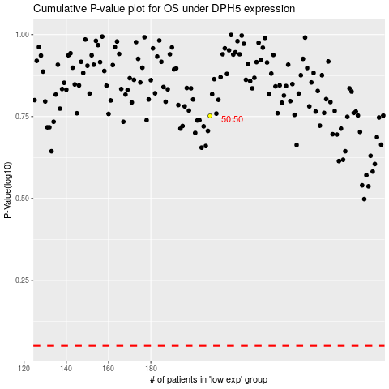

 |  |  |  |  |  | cases_OS | p_OS | rank | exp
 |  |  |  |  |  |  | cases_RFS | p_RFS | rank | exp

