DPP3 _multivariate
Reported by Tex Li-Hsing Chi. tex@gate.sinica.edu.tw 2019-08-20

Table 2. The clinicopathological features of HNSCC cohort and DPP3 expression. (Chi square test)
Cutoff at -0.473 (30.2%)
 |  | DPP3 expression |  | DPP3 expression |  | (Optimised)
 | Features | Low | (%) | High | (%) | Case no | P-value | Remark | Matthews
Gender | Female | 92 | 22.2 | 214 | 51.6 | 415 | 1 | 0 | 0
2 | Male | 33 | 8 | 76 | 18.3
Age at diagnosis | <=65y | 80 | 19.3 | 194 | 46.7 | 415 | 0.6465 | 0 | 0
4 | >65y | 45 | 10.8 | 96 | 23.1
Clinical T Status | T1+T2 | 50 | 12 | 99 | 23.9 | 415 | 0.3027 | 0 | 0
6 | T3+T4 | 75 | 18.1 | 191 | 46
Clinical N Status | N0 | 65 | 15.7 | 151 | 36.4 | 415 | 1 | 0 | 0
8 | N1-3 | 60 | 14.5 | 139 | 33.5
Clinical M Status | M0 | 124 | 29.9 | 288 | 69.4 | 415 | 1 | 0 | 0
10 | M1 | 1 | 0.2 | 2 | 0.5
Clinical Stage | Stage I+II | 29 | 7 | 73 | 17.6 | 415 | 0.7612 | 0 | 0
12 | Stage III+IV | 96 | 23.1 | 217 | 52.3
Surgical Margin status | Negative | 91 | 21.9 | 227 | 54.7 | 415 | 0.2554 | 0 | 0
14 | Positive | 34 | 8.2 | 63 | 15.2
Tobacco Exposure | Low | 52 | 12.5 | 109 | 26.3 | 415 | 0.4445 | 0 | 0
16 | High | 73 | 17.6 | 181 | 43.6

Table 3. Univariate/Multivariate Cox's proportional hazards regression analyses on OS time of DPP3 gene expression in HNSCC

 |  | Univariate |  |  |  | Multivariate
 | Features | HR | CI95%(L) | CI95%(H) | P-value | HR | CI95%(L) | CI95%(H) | P-value
1 | Female | 1 |  |  |  | 1
Gender | Male | 1.157 | 0.843 | 1.587 | 0.367 | 1.209 | 0.866 | 1.688 | 0.266
11 | <=65y | 1 |  |  |  | 1
Age at diagnosis | >65y | 1.329 | 0.99 | 1.784 | 0.058 | 1.428 | 1.049 | 1.945 | 0.024
12 | T1+T2 | 1 |  |  |  | 1
Clinical T Status | T3+T4 | 1.409 | 1.028 | 1.931 | 0.033 | 2.073 | 1.094 | 3.929 | 0.025
13 | N0 | 1 |  |  |  | 1
Clinical N Status | N1-3 | 1.185 | 0.89 | 1.577 | 0.246 | 1.233 | 0.864 | 1.76 | 0.248
14 | M0 | 1 |  |  |  | 1
Clinical M Status | M1 | 4.097 | 1.009 | 16.644 | 0.049 | 8.601 | 1.872 | 39.511 | 0.006
15 | Stage I+II | 1 |  |  |  | 1
Clinical Stage | Stage III+IV | 1.245 | 0.882 | 1.759 | 0.213 | 0.55 | 0.255 | 1.186 | 0.127
16 | Negative | 1 |  |  |  | 1
Surgical Margin status | Positive | 1.591 | 1.155 | 2.191 | 0.004 | 1.672 | 1.211 | 2.309 | 0.002
17 | Low | 1 |  |  |  | 1
Tobacco Exposure | High | 1.364 | 1.008 | 1.844 | 0.044 | 1.433 | 1.039 | 1.976 | 0.028
18 | Low | 1 |  |  |  | 1
RNAseq(z-score) | High | 1.503 | 1.082 | 2.089 | 0.015 | 1.479 | 1.061 | 2.062 | 0.021

Table 4. Univariate/Multivariate Cox's proportional hazards regression analyses on RFS time of DPP3 gene expression in HNSCC

 |  | Univariate |  |  |  | Multivariate
 | Features | HR | CI95%(L) | CI95%(H) | P-value | HR | CI95%(L) | CI95%(H) | P-value
1 | Female | 1 |  |  |  | 1
Gender | Male | 1.157 | 0.843 | 1.587 | 0.367 | 1.209 | 0.866 | 1.688 | 0.266
11 | <=65y | 1 |  |  |  | 1
Age at diagnosis | >65y | 1.329 | 0.99 | 1.784 | 0.058 | 1.428 | 1.049 | 1.945 | 0.024
12 | T1+T2 | 1 |  |  |  | 1
Clinical T Status | T3+T4 | 1.409 | 1.028 | 1.931 | 0.033 | 2.073 | 1.094 | 3.929 | 0.025
13 | N0 | 1 |  |  |  | 1
Clinical N Status | N1-3 | 1.185 | 0.89 | 1.577 | 0.246 | 1.233 | 0.864 | 1.76 | 0.248
14 | M0 | 1 |  |  |  | 1
Clinical M Status | M1 | 4.097 | 1.009 | 16.644 | 0.049 | 8.601 | 1.872 | 39.511 | 0.006
15 | Stage I+II | 1 |  |  |  | 1
Clinical Stage | Stage III+IV | 1.245 | 0.882 | 1.759 | 0.213 | 0.55 | 0.255 | 1.186 | 0.127
16 | Negative | 1 |  |  |  | 1
Surgical Margin status | Positive | 1.591 | 1.155 | 2.191 | 0.004 | 1.672 | 1.211 | 2.309 | 0.002
17 | Low | 1 |  |  |  | 1
Tobacco Exposure | High | 1.364 | 1.008 | 1.844 | 0.044 | 1.433 | 1.039 | 1.976 | 0.028
18 | Low | 1 |  |  |  | 1
RNAseq(z-score) | High | 1.503 | 1.082 | 2.089 | 0.015 | 1.479 | 1.061 | 2.062 | 0.021

Kaplan-Meier survival estimate: Cutoff at -0.473 (30.2%)

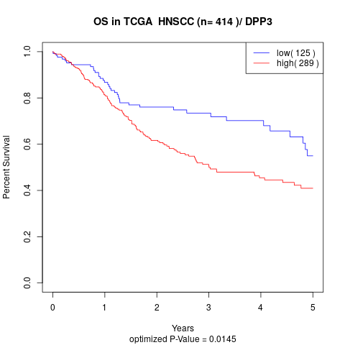

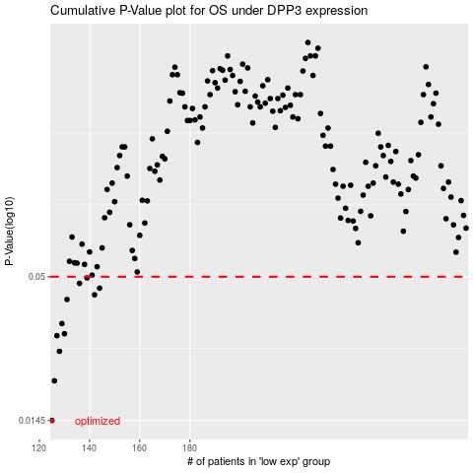

 |  |  |  |  |  | cases_OS | p_OS | rank | exp
 |  |  |  |  |  | 125 | 0.0145 | 97 | -0.4734683964
 |  |  |  |  |  | 126 | 0.0204 | 99 | -0.46448557498
 |  |  |  |  |  | 128 | 0.0263 | 265 | -0.4624243495
 |  |  |  |  |  | 127 | 0.0301 | 383 | -0.46246991302
 |  |  |  |  |  | 130 | 0.0306 | 302 | -0.44748121762
 |  |  |  |  |  | 129 | 0.0334 | 395 | -0.46011121537
 |  |  |  |  |  | 131 | 0.0411 | 191 | -0.44189052157
 |  |  |  |  |  | 142 | 0.0428 | 181 | -0.40957813141
 |  |  |  |  |  | 144 | 0.0453 | 297 | -0.39561108007
 |  |  |  |  |  | 136 | 0.0472 | 155 | -0.42003247116
 |  |  |  |  |  | 139 | 0.0495 | 200 | -0.41578144729
 |  |  |  |  |  |  | cases_RFS | p_RFS | rank | exp
 |  |  |  |  |  |  |  | 0.0145 | 262 | -0.47851010443
 |  |  |  |  |  |  | 125 | 0.0204 | 97 | -0.4734683964
 |  |  |  |  |  |  | 127 | 0.0263 | 383 | -0.46246991302
 |  |  |  |  |  |  | 126 | 0.0301 | 99 | -0.46448557498
 |  |  |  |  |  |  | 129 | 0.0306 | 395 | -0.46011121537
 |  |  |  |  |  |  | 128 | 0.0334 | 265 | -0.4624243495
 |  |  |  |  |  |  | 130 | 0.0411 | 302 | -0.44748121762
 |  |  |  |  |  |  | 141 | 0.0428 | 170 | -0.41279690592
 |  |  |  |  |  |  | 143 | 0.0453 | 89 | -0.40639012536
 |  |  |  |  |  |  | 135 | 0.0472 | 392 | -0.42206096423
 |  |  |  |  |  |  | 138 | 0.0495 | 309 | -0.41595584558

