DPP4 _multivariate
Reported by Tex Li-Hsing Chi. tex@gate.sinica.edu.tw 2019-08-20

Table 2. The clinicopathological features of HNSCC cohort and DPP4 expression. (Chi square test)
Cutoff at -0.174 (49.8%)
 |  | DPP4 expression |  | DPP4 expression |  | (Optimised)
 | Features | Low | (%) | High | (%) | Case no | P-value | Remark | Matthews
Gender | Female | 157 | 37.8 | 149 | 35.9 | 415 | 0.3881 | 0 | 0
2 | Male | 50 | 12 | 59 | 14.2
Age at diagnosis | <=65y | 137 | 33 | 137 | 33 | 415 | 1 | 0 | 0
4 | >65y | 70 | 16.9 | 71 | 17.1
Clinical T Status | T1+T2 | 80 | 19.3 | 69 | 16.6 | 415 | 0.2891 | 0 | 0
6 | T3+T4 | 127 | 30.6 | 139 | 33.5
Clinical N Status | N0 | 101 | 24.3 | 115 | 27.7 | 415 | 0.2201 | 0 | 0
8 | N1-3 | 106 | 25.5 | 93 | 22.4
Clinical M Status | M0 | 204 | 49.2 | 208 | 50.1 | 415 | 0.1232 | 0 | 0
10 | M1 | 3 | 0.7 | 0 | 0
Clinical Stage | Stage I+II | 51 | 12.3 | 51 | 12.3 | 415 | 1 | 0 | 0
12 | Stage III+IV | 156 | 37.6 | 157 | 37.8
Surgical Margin status | Negative | 153 | 36.9 | 165 | 39.8 | 415 | 0.2036 | 0 | 0
14 | Positive | 54 | 13 | 43 | 10.4
Tobacco Exposure | Low | 80 | 19.3 | 81 | 19.5 | 415 | 1 | 0 | 0
16 | High | 127 | 30.6 | 127 | 30.6

Table 3. Univariate/Multivariate Cox's proportional hazards regression analyses on OS time of DPP4 gene expression in HNSCC

 |  | Univariate |  |  |  | Multivariate
 | Features | HR | CI95%(L) | CI95%(H) | P-value | HR | CI95%(L) | CI95%(H) | P-value
1 | Female | 1 |  |  |  | 1
Gender | Male | 1.157 | 0.843 | 1.587 | 0.367 | 1.179 | 0.842 | 1.651 | 0.339
11 | <=65y | 1 |  |  |  | 1
Age at diagnosis | >65y | 1.329 | 0.99 | 1.784 | 0.058 | 1.399 | 1.029 | 1.903 | 0.032
12 | T1+T2 | 1 |  |  |  | 1
Clinical T Status | T3+T4 | 1.409 | 1.028 | 1.931 | 0.033 | 2.178 | 1.151 | 4.119 | 0.017
13 | N0 | 1 |  |  |  | 1
Clinical N Status | N1-3 | 1.185 | 0.89 | 1.577 | 0.246 | 1.267 | 0.885 | 1.814 | 0.195
14 | M0 | 1 |  |  |  | 1
Clinical M Status | M1 | 4.097 | 1.009 | 16.644 | 0.049 | 9.863 | 2.144 | 45.375 | 0.003
15 | Stage I+II | 1 |  |  |  | 1
Clinical Stage | Stage III+IV | 1.245 | 0.882 | 1.759 | 0.213 | 0.508 | 0.237 | 1.092 | 0.083
16 | Negative | 1 |  |  |  | 1
Surgical Margin status | Positive | 1.591 | 1.155 | 2.191 | 0.004 | 1.682 | 1.217 | 2.324 | 0.002
17 | Low | 1 |  |  |  | 1
Tobacco Exposure | High | 1.364 | 1.008 | 1.844 | 0.044 | 1.461 | 1.06 | 2.013 | 0.02
18 | Low | 1 |  |  |  | 1
RNAseq(z-score) | High | 1.094 | 0.821 | 1.457 | 0.539 | 1.145 | 0.851 | 1.539 | 0.371

Table 4. Univariate/Multivariate Cox's proportional hazards regression analyses on RFS time of DPP4 gene expression in HNSCC

 |  | Univariate |  |  |  | Multivariate
 | Features | HR | CI95%(L) | CI95%(H) | P-value | HR | CI95%(L) | CI95%(H) | P-value
1 | Female | 1 |  |  |  | 1
Gender | Male | 1.157 | 0.843 | 1.587 | 0.367 | 1.179 | 0.842 | 1.651 | 0.339
11 | <=65y | 1 |  |  |  | 1
Age at diagnosis | >65y | 1.329 | 0.99 | 1.784 | 0.058 | 1.399 | 1.029 | 1.903 | 0.032
12 | T1+T2 | 1 |  |  |  | 1
Clinical T Status | T3+T4 | 1.409 | 1.028 | 1.931 | 0.033 | 2.178 | 1.151 | 4.119 | 0.017
13 | N0 | 1 |  |  |  | 1
Clinical N Status | N1-3 | 1.185 | 0.89 | 1.577 | 0.246 | 1.267 | 0.885 | 1.814 | 0.195
14 | M0 | 1 |  |  |  | 1
Clinical M Status | M1 | 4.097 | 1.009 | 16.644 | 0.049 | 9.863 | 2.144 | 45.375 | 0.003
15 | Stage I+II | 1 |  |  |  | 1
Clinical Stage | Stage III+IV | 1.245 | 0.882 | 1.759 | 0.213 | 0.508 | 0.237 | 1.092 | 0.083
16 | Negative | 1 |  |  |  | 1
Surgical Margin status | Positive | 1.591 | 1.155 | 2.191 | 0.004 | 1.682 | 1.217 | 2.324 | 0.002
17 | Low | 1 |  |  |  | 1
Tobacco Exposure | High | 1.364 | 1.008 | 1.844 | 0.044 | 1.461 | 1.06 | 2.013 | 0.02
18 | Low | 1 |  |  |  | 1
RNAseq(z-score) | High | 1.094 | 0.821 | 1.457 | 0.539 | 1.145 | 0.851 | 1.539 | 0.371

Kaplan-Meier survival estimate: Cutoff at -0.174 (49.8%)

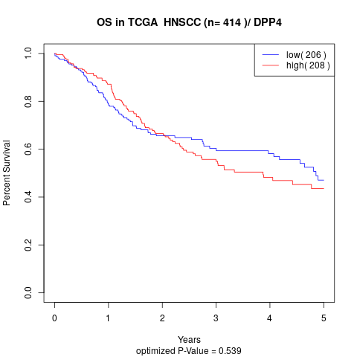

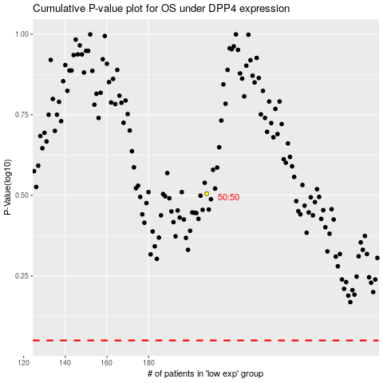

 |  |  |  |  |  | cases_OS | p_OS | rank | exp
 |  |  |  |  |  |  | cases_RFS | p_RFS | rank | exp

