DPP7 _multivariate
Reported by Tex Li-Hsing Chi. tex@gate.sinica.edu.tw 2019-08-20

Table 2. The clinicopathological features of HNSCC cohort and DPP7 expression. (Chi square test)
Cutoff at -0.262 (50.0%)
 |  | DPP7 expression |  | DPP7 expression |  | (Optimised)
 | Features | Low | (%) | High | (%) | Case no | P-value | Remark | Matthews
Gender | Female | 144 | 34.7 | 162 | 39 | 415 | 0.0697 | 0 | 0
2 | Male | 63 | 15.2 | 46 | 11.1
Age at diagnosis | <=65y | 138 | 33.3 | 136 | 32.8 | 415 | 0.8634 | 0 | 0
4 | >65y | 69 | 16.6 | 72 | 17.3
Clinical T Status | T1+T2 | 84 | 20.2 | 65 | 15.7 | 415 | 0.0603 | 0 | 0
6 | T3+T4 | 123 | 29.6 | 143 | 34.5
Clinical N Status | N0 | 111 | 26.7 | 105 | 25.3 | 415 | 0.5875 | 0 | 0
8 | N1-3 | 96 | 23.1 | 103 | 24.8
Clinical M Status | M0 | 205 | 49.4 | 207 | 49.9 | 415 | 0.6232 | 0 | 0
10 | M1 | 2 | 0.5 | 1 | 0.2
Clinical Stage | Stage I+II | 60 | 14.5 | 42 | 10.1 | 415 | 0.0493 | 1 | 0
12 | Stage III+IV | 147 | 35.4 | 166 | 40
Surgical Margin status | Negative | 160 | 38.6 | 158 | 38.1 | 415 | 0.8167 | 0 | 0
14 | Positive | 47 | 11.3 | 50 | 12
Tobacco Exposure | Low | 98 | 23.6 | 63 | 15.2 | 415 | 4e-04 | 1 | 0
16 | High | 109 | 26.3 | 145 | 34.9

Table 3. Univariate/Multivariate Cox's proportional hazards regression analyses on OS time of DPP7 gene expression in HNSCC

 |  | Univariate |  |  |  | Multivariate
 | Features | HR | CI95%(L) | CI95%(H) | P-value | HR | CI95%(L) | CI95%(H) | P-value
1 | Female | 1 |  |  |  | 1
Gender | Male | 1.157 | 0.843 | 1.587 | 0.367 | 1.203 | 0.861 | 1.68 | 0.279
11 | <=65y | 1 |  |  |  | 1
Age at diagnosis | >65y | 1.329 | 0.99 | 1.784 | 0.058 | 1.387 | 1.019 | 1.888 | 0.037
12 | T1+T2 | 1 |  |  |  | 1
Clinical T Status | T3+T4 | 1.409 | 1.028 | 1.931 | 0.033 | 2.201 | 1.164 | 4.162 | 0.015
13 | N0 | 1 |  |  |  | 1
Clinical N Status | N1-3 | 1.185 | 0.89 | 1.577 | 0.246 | 1.24 | 0.869 | 1.77 | 0.235
14 | M0 | 1 |  |  |  | 1
Clinical M Status | M1 | 4.097 | 1.009 | 16.644 | 0.049 | 9.502 | 2.067 | 43.672 | 0.004
15 | Stage I+II | 1 |  |  |  | 1
Clinical Stage | Stage III+IV | 1.245 | 0.882 | 1.759 | 0.213 | 0.503 | 0.234 | 1.08 | 0.078
16 | Negative | 1 |  |  |  | 1
Surgical Margin status | Positive | 1.591 | 1.155 | 2.191 | 0.004 | 1.668 | 1.207 | 2.306 | 0.002
17 | Low | 1 |  |  |  | 1
Tobacco Exposure | High | 1.364 | 1.008 | 1.844 | 0.044 | 1.445 | 1.045 | 1.998 | 0.026
18 | Low | 1 |  |  |  | 1
RNAseq(z-score) | High | 1.121 | 0.84 | 1.496 | 0.439 | 1.034 | 0.768 | 1.391 | 0.828

Table 4. Univariate/Multivariate Cox's proportional hazards regression analyses on RFS time of DPP7 gene expression in HNSCC

 |  | Univariate |  |  |  | Multivariate
 | Features | HR | CI95%(L) | CI95%(H) | P-value | HR | CI95%(L) | CI95%(H) | P-value
1 | Female | 1 |  |  |  | 1
Gender | Male | 1.157 | 0.843 | 1.587 | 0.367 | 1.203 | 0.861 | 1.68 | 0.279
11 | <=65y | 1 |  |  |  | 1
Age at diagnosis | >65y | 1.329 | 0.99 | 1.784 | 0.058 | 1.387 | 1.019 | 1.888 | 0.037
12 | T1+T2 | 1 |  |  |  | 1
Clinical T Status | T3+T4 | 1.409 | 1.028 | 1.931 | 0.033 | 2.201 | 1.164 | 4.162 | 0.015
13 | N0 | 1 |  |  |  | 1
Clinical N Status | N1-3 | 1.185 | 0.89 | 1.577 | 0.246 | 1.24 | 0.869 | 1.77 | 0.235
14 | M0 | 1 |  |  |  | 1
Clinical M Status | M1 | 4.097 | 1.009 | 16.644 | 0.049 | 9.502 | 2.067 | 43.672 | 0.004
15 | Stage I+II | 1 |  |  |  | 1
Clinical Stage | Stage III+IV | 1.245 | 0.882 | 1.759 | 0.213 | 0.503 | 0.234 | 1.08 | 0.078
16 | Negative | 1 |  |  |  | 1
Surgical Margin status | Positive | 1.591 | 1.155 | 2.191 | 0.004 | 1.668 | 1.207 | 2.306 | 0.002
17 | Low | 1 |  |  |  | 1
Tobacco Exposure | High | 1.364 | 1.008 | 1.844 | 0.044 | 1.445 | 1.045 | 1.998 | 0.026
18 | Low | 1 |  |  |  | 1
RNAseq(z-score) | High | 1.121 | 0.84 | 1.496 | 0.439 | 1.034 | 0.768 | 1.391 | 0.828

Kaplan-Meier survival estimate: Cutoff at -0.262 (50.0%)



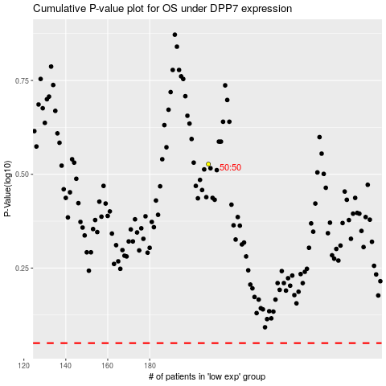

 |  |  |  |  |  | cases_OS | p_OS | rank | exp
 |  |  |  |  |  |  | cases_RFS | p_RFS | rank | exp

