DPP9 _multivariate
Reported by Tex Li-Hsing Chi. tex@gate.sinica.edu.tw 2019-08-20

Table 2. The clinicopathological features of HNSCC cohort and DPP9 expression. (Chi square test)
Cutoff at -0.064 (50.0%)
 |  | DPP9 expression |  | DPP9 expression |  | (Optimised)
 | Features | Low | (%) | High | (%) | Case no | P-value | Remark | Matthews
Gender | Female | 150 | 36.1 | 156 | 37.6 | 415 | 0.6344 | 0 | 0
2 | Male | 57 | 13.7 | 52 | 12.5
Age at diagnosis | <=65y | 134 | 32.3 | 140 | 33.7 | 415 | 0.6529 | 0 | 0
4 | >65y | 73 | 17.6 | 68 | 16.4
Clinical T Status | T1+T2 | 67 | 16.1 | 82 | 19.8 | 415 | 0.1628 | 0 | 0
6 | T3+T4 | 140 | 33.7 | 126 | 30.4
Clinical N Status | N0 | 113 | 27.2 | 103 | 24.8 | 415 | 0.3495 | 1 | 0
8 | N1-3 | 94 | 22.7 | 105 | 25.3
Clinical M Status | M0 | 204 | 49.2 | 208 | 50.1 | 415 | 0.1232 | 0 | 0
10 | M1 | 3 | 0.7 | 0 | 0
Clinical Stage | Stage I+II | 42 | 10.1 | 60 | 14.5 | 415 | 0.0561 | 0 | 0
12 | Stage III+IV | 165 | 39.8 | 148 | 35.7
Surgical Margin status | Negative | 151 | 36.4 | 167 | 40.2 | 415 | 0.0828 | 0 | 0
14 | Positive | 56 | 13.5 | 41 | 9.9
Tobacco Exposure | Low | 77 | 18.6 | 84 | 20.2 | 415 | 0.5459 | 0 | 0
16 | High | 130 | 31.3 | 124 | 29.9

Table 3. Univariate/Multivariate Cox's proportional hazards regression analyses on OS time of DPP9 gene expression in HNSCC

 |  | Univariate |  |  |  | Multivariate
 | Features | HR | CI95%(L) | CI95%(H) | P-value | HR | CI95%(L) | CI95%(H) | P-value
1 | Female | 1 |  |  |  | 1
Gender | Male | 1.157 | 0.843 | 1.587 | 0.367 | 1.206 | 0.863 | 1.686 | 0.273
11 | <=65y | 1 |  |  |  | 1
Age at diagnosis | >65y | 1.329 | 0.99 | 1.784 | 0.058 | 1.396 | 1.027 | 1.898 | 0.033
12 | T1+T2 | 1 |  |  |  | 1
Clinical T Status | T3+T4 | 1.409 | 1.028 | 1.931 | 0.033 | 2.192 | 1.16 | 4.145 | 0.016
13 | N0 | 1 |  |  |  | 1
Clinical N Status | N1-3 | 1.185 | 0.89 | 1.577 | 0.246 | 1.225 | 0.857 | 1.753 | 0.265
14 | M0 | 1 |  |  |  | 1
Clinical M Status | M1 | 4.097 | 1.009 | 16.644 | 0.049 | 9.811 | 2.125 | 45.292 | 0.003
15 | Stage I+II | 1 |  |  |  | 1
Clinical Stage | Stage III+IV | 1.245 | 0.882 | 1.759 | 0.213 | 0.517 | 0.24 | 1.115 | 0.092
16 | Negative | 1 |  |  |  | 1
Surgical Margin status | Positive | 1.591 | 1.155 | 2.191 | 0.004 | 1.679 | 1.215 | 2.321 | 0.002
17 | Low | 1 |  |  |  | 1
Tobacco Exposure | High | 1.364 | 1.008 | 1.844 | 0.044 | 1.455 | 1.056 | 2.005 | 0.022
18 | Low | 1 |  |  |  | 1
RNAseq(z-score) | High | 1.017 | 0.764 | 1.354 | 0.91 | 1.088 | 0.812 | 1.458 | 0.574

Table 4. Univariate/Multivariate Cox's proportional hazards regression analyses on RFS time of DPP9 gene expression in HNSCC

 |  | Univariate |  |  |  | Multivariate
 | Features | HR | CI95%(L) | CI95%(H) | P-value | HR | CI95%(L) | CI95%(H) | P-value
1 | Female | 1 |  |  |  | 1
Gender | Male | 1.157 | 0.843 | 1.587 | 0.367 | 1.206 | 0.863 | 1.686 | 0.273
11 | <=65y | 1 |  |  |  | 1
Age at diagnosis | >65y | 1.329 | 0.99 | 1.784 | 0.058 | 1.396 | 1.027 | 1.898 | 0.033
12 | T1+T2 | 1 |  |  |  | 1
Clinical T Status | T3+T4 | 1.409 | 1.028 | 1.931 | 0.033 | 2.192 | 1.16 | 4.145 | 0.016
13 | N0 | 1 |  |  |  | 1
Clinical N Status | N1-3 | 1.185 | 0.89 | 1.577 | 0.246 | 1.225 | 0.857 | 1.753 | 0.265
14 | M0 | 1 |  |  |  | 1
Clinical M Status | M1 | 4.097 | 1.009 | 16.644 | 0.049 | 9.811 | 2.125 | 45.292 | 0.003
15 | Stage I+II | 1 |  |  |  | 1
Clinical Stage | Stage III+IV | 1.245 | 0.882 | 1.759 | 0.213 | 0.517 | 0.24 | 1.115 | 0.092
16 | Negative | 1 |  |  |  | 1
Surgical Margin status | Positive | 1.591 | 1.155 | 2.191 | 0.004 | 1.679 | 1.215 | 2.321 | 0.002
17 | Low | 1 |  |  |  | 1
Tobacco Exposure | High | 1.364 | 1.008 | 1.844 | 0.044 | 1.455 | 1.056 | 2.005 | 0.022
18 | Low | 1 |  |  |  | 1
RNAseq(z-score) | High | 1.017 | 0.764 | 1.354 | 0.91 | 1.088 | 0.812 | 1.458 | 0.574

Kaplan-Meier survival estimate: Cutoff at -0.064 (50.0%)



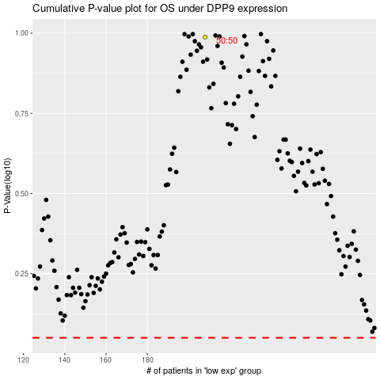

 |  |  |  |  |  | cases_OS | p_OS | rank | exp
 |  |  |  |  |  |  | cases_RFS | p_RFS | rank | exp

