DPT _multivariate
Reported by Tex Li-Hsing Chi. tex@gate.sinica.edu.tw 2019-08-20

Table 2. The clinicopathological features of HNSCC cohort and DPT expression. (Chi square test)
Cutoff at -0.27 (50.0%)
 |  | DPT expression |  | DPT expression |  | (Optimised)
 | Features | Low | (%) | High | (%) | Case no | P-value | Remark | Matthews
Gender | Female | 152 | 36.6 | 154 | 37.1 | 415 | 0.9766 | 0 | 0
2 | Male | 55 | 13.3 | 54 | 13
Age at diagnosis | <=65y | 138 | 33.3 | 136 | 32.8 | 415 | 0.8634 | 0 | 0
4 | >65y | 69 | 16.6 | 72 | 17.3
Clinical T Status | T1+T2 | 70 | 16.9 | 79 | 19 | 415 | 0.4343 | 0 | 0
6 | T3+T4 | 137 | 33 | 129 | 31.1
Clinical N Status | N0 | 107 | 25.8 | 109 | 26.3 | 415 | 0.9624 | 0 | 0
8 | N1-3 | 100 | 24.1 | 99 | 23.9
Clinical M Status | M0 | 205 | 49.4 | 207 | 49.9 | 415 | 0.6232 | 0 | 0
10 | M1 | 2 | 0.5 | 1 | 0.2
Clinical Stage | Stage I+II | 50 | 12 | 52 | 12.5 | 415 | 0.9315 | 0 | 0
12 | Stage III+IV | 157 | 37.8 | 156 | 37.6
Surgical Margin status | Negative | 157 | 37.8 | 161 | 38.8 | 415 | 0.729 | 0 | 0
14 | Positive | 50 | 12 | 47 | 11.3
Tobacco Exposure | Low | 87 | 21 | 74 | 17.8 | 415 | 0.1911 | 0 | 0
16 | High | 120 | 28.9 | 134 | 32.3

Table 3. Univariate/Multivariate Cox's proportional hazards regression analyses on OS time of DPT gene expression in HNSCC

 |  | Univariate |  |  |  | Multivariate
 | Features | HR | CI95%(L) | CI95%(H) | P-value | HR | CI95%(L) | CI95%(H) | P-value
1 | Female | 1 |  |  |  | 1
Gender | Male | 1.157 | 0.843 | 1.587 | 0.367 | 1.211 | 0.866 | 1.694 | 0.262
11 | <=65y | 1 |  |  |  | 1
Age at diagnosis | >65y | 1.329 | 0.99 | 1.784 | 0.058 | 1.388 | 1.021 | 1.887 | 0.036
12 | T1+T2 | 1 |  |  |  | 1
Clinical T Status | T3+T4 | 1.409 | 1.028 | 1.931 | 0.033 | 2.169 | 1.146 | 4.105 | 0.017
13 | N0 | 1 |  |  |  | 1
Clinical N Status | N1-3 | 1.185 | 0.89 | 1.577 | 0.246 | 1.224 | 0.857 | 1.749 | 0.266
14 | M0 | 1 |  |  |  | 1
Clinical M Status | M1 | 4.097 | 1.009 | 16.644 | 0.049 | 9.241 | 2.015 | 42.384 | 0.004
15 | Stage I+II | 1 |  |  |  | 1
Clinical Stage | Stage III+IV | 1.245 | 0.882 | 1.759 | 0.213 | 0.514 | 0.239 | 1.104 | 0.088
16 | Negative | 1 |  |  |  | 1
Surgical Margin status | Positive | 1.591 | 1.155 | 2.191 | 0.004 | 1.685 | 1.219 | 2.33 | 0.002
17 | Low | 1 |  |  |  | 1
Tobacco Exposure | High | 1.364 | 1.008 | 1.844 | 0.044 | 1.46 | 1.058 | 2.013 | 0.021
18 | Low | 1 |  |  |  | 1
RNAseq(z-score) | High | 0.854 | 0.641 | 1.139 | 0.283 | 0.856 | 0.641 | 1.143 | 0.292

Table 4. Univariate/Multivariate Cox's proportional hazards regression analyses on RFS time of DPT gene expression in HNSCC

 |  | Univariate |  |  |  | Multivariate
 | Features | HR | CI95%(L) | CI95%(H) | P-value | HR | CI95%(L) | CI95%(H) | P-value
1 | Female | 1 |  |  |  | 1
Gender | Male | 1.157 | 0.843 | 1.587 | 0.367 | 1.211 | 0.866 | 1.694 | 0.262
11 | <=65y | 1 |  |  |  | 1
Age at diagnosis | >65y | 1.329 | 0.99 | 1.784 | 0.058 | 1.388 | 1.021 | 1.887 | 0.036
12 | T1+T2 | 1 |  |  |  | 1
Clinical T Status | T3+T4 | 1.409 | 1.028 | 1.931 | 0.033 | 2.169 | 1.146 | 4.105 | 0.017
13 | N0 | 1 |  |  |  | 1
Clinical N Status | N1-3 | 1.185 | 0.89 | 1.577 | 0.246 | 1.224 | 0.857 | 1.749 | 0.266
14 | M0 | 1 |  |  |  | 1
Clinical M Status | M1 | 4.097 | 1.009 | 16.644 | 0.049 | 9.241 | 2.015 | 42.384 | 0.004
15 | Stage I+II | 1 |  |  |  | 1
Clinical Stage | Stage III+IV | 1.245 | 0.882 | 1.759 | 0.213 | 0.514 | 0.239 | 1.104 | 0.088
16 | Negative | 1 |  |  |  | 1
Surgical Margin status | Positive | 1.591 | 1.155 | 2.191 | 0.004 | 1.685 | 1.219 | 2.33 | 0.002
17 | Low | 1 |  |  |  | 1
Tobacco Exposure | High | 1.364 | 1.008 | 1.844 | 0.044 | 1.46 | 1.058 | 2.013 | 0.021
18 | Low | 1 |  |  |  | 1
RNAseq(z-score) | High | 0.854 | 0.641 | 1.139 | 0.283 | 0.856 | 0.641 | 1.143 | 0.292

Kaplan-Meier survival estimate: Cutoff at -0.27 (50.0%)



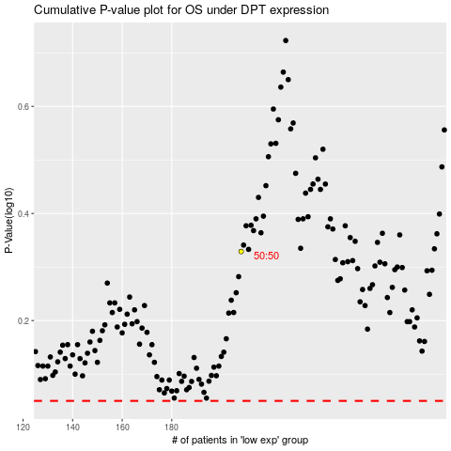

 |  |  |  |  |  | cases_OS | p_OS | rank | exp
 |  |  |  |  |  |  | cases_RFS | p_RFS | rank | exp

