DPY19L1 _multivariate
Reported by Tex Li-Hsing Chi. tex@gate.sinica.edu.tw 2019-08-20

Table 2. The clinicopathological features of HNSCC cohort and DPY19L1 expression. (Chi square test)
Cutoff at -0.193 (49.8%)
 |  | DPY19L1 expression |  | DPY19L1 expression |  | (Optimised)
 | Features | Low | (%) | High | (%) | Case no | P-value | Remark | Matthews
Gender | Female | 147 | 35.4 | 159 | 38.3 | 415 | 0.2523 | 0 | 0
2 | Male | 60 | 14.5 | 49 | 11.8
Age at diagnosis | <=65y | 133 | 32 | 141 | 34 | 415 | 0.5111 | 0 | 0
4 | >65y | 74 | 17.8 | 67 | 16.1
Clinical T Status | T1+T2 | 73 | 17.6 | 76 | 18.3 | 415 | 0.8666 | 0 | 0
6 | T3+T4 | 134 | 32.3 | 132 | 31.8
Clinical N Status | N0 | 114 | 27.5 | 102 | 24.6 | 415 | 0.2576 | 1 | 0
8 | N1-3 | 93 | 22.4 | 106 | 25.5
Clinical M Status | M0 | 206 | 49.6 | 206 | 49.6 | 415 | 1 | 0 | 0
10 | M1 | 1 | 0.2 | 2 | 0.5
Clinical Stage | Stage I+II | 52 | 12.5 | 50 | 12 | 415 | 0.8871 | 0 | 0
12 | Stage III+IV | 155 | 37.3 | 158 | 38.1
Surgical Margin status | Negative | 159 | 38.3 | 159 | 38.3 | 415 | 1 | 0 | 0
14 | Positive | 48 | 11.6 | 49 | 11.8
Tobacco Exposure | Low | 91 | 21.9 | 70 | 16.9 | 415 | 0.0346 | 1 | 0
16 | High | 116 | 28 | 138 | 33.3

Table 3. Univariate/Multivariate Cox's proportional hazards regression analyses on OS time of DPY19L1 gene expression in HNSCC

 |  | Univariate |  |  |  | Multivariate
 | Features | HR | CI95%(L) | CI95%(H) | P-value | HR | CI95%(L) | CI95%(H) | P-value
1 | Female | 1 |  |  |  | 1
Gender | Male | 1.157 | 0.843 | 1.587 | 0.367 | 1.217 | 0.871 | 1.7 | 0.251
11 | <=65y | 1 |  |  |  | 1
Age at diagnosis | >65y | 1.329 | 0.99 | 1.784 | 0.058 | 1.389 | 1.022 | 1.888 | 0.036
12 | T1+T2 | 1 |  |  |  | 1
Clinical T Status | T3+T4 | 1.409 | 1.028 | 1.931 | 0.033 | 2.258 | 1.193 | 4.274 | 0.012
13 | N0 | 1 |  |  |  | 1
Clinical N Status | N1-3 | 1.185 | 0.89 | 1.577 | 0.246 | 1.235 | 0.865 | 1.763 | 0.246
14 | M0 | 1 |  |  |  | 1
Clinical M Status | M1 | 4.097 | 1.009 | 16.644 | 0.049 | 9.455 | 2.062 | 43.363 | 0.004
15 | Stage I+II | 1 |  |  |  | 1
Clinical Stage | Stage III+IV | 1.245 | 0.882 | 1.759 | 0.213 | 0.493 | 0.229 | 1.059 | 0.07
16 | Negative | 1 |  |  |  | 1
Surgical Margin status | Positive | 1.591 | 1.155 | 2.191 | 0.004 | 1.704 | 1.231 | 2.358 | 0.001
17 | Low | 1 |  |  |  | 1
Tobacco Exposure | High | 1.364 | 1.008 | 1.844 | 0.044 | 1.435 | 1.041 | 1.977 | 0.027
18 | Low | 1 |  |  |  | 1
RNAseq(z-score) | High | 1.158 | 0.867 | 1.547 | 0.32 | 1.205 | 0.899 | 1.615 | 0.211

Table 4. Univariate/Multivariate Cox's proportional hazards regression analyses on RFS time of DPY19L1 gene expression in HNSCC

 |  | Univariate |  |  |  | Multivariate
 | Features | HR | CI95%(L) | CI95%(H) | P-value | HR | CI95%(L) | CI95%(H) | P-value
1 | Female | 1 |  |  |  | 1
Gender | Male | 1.157 | 0.843 | 1.587 | 0.367 | 1.217 | 0.871 | 1.7 | 0.251
11 | <=65y | 1 |  |  |  | 1
Age at diagnosis | >65y | 1.329 | 0.99 | 1.784 | 0.058 | 1.389 | 1.022 | 1.888 | 0.036
12 | T1+T2 | 1 |  |  |  | 1
Clinical T Status | T3+T4 | 1.409 | 1.028 | 1.931 | 0.033 | 2.258 | 1.193 | 4.274 | 0.012
13 | N0 | 1 |  |  |  | 1
Clinical N Status | N1-3 | 1.185 | 0.89 | 1.577 | 0.246 | 1.235 | 0.865 | 1.763 | 0.246
14 | M0 | 1 |  |  |  | 1
Clinical M Status | M1 | 4.097 | 1.009 | 16.644 | 0.049 | 9.455 | 2.062 | 43.363 | 0.004
15 | Stage I+II | 1 |  |  |  | 1
Clinical Stage | Stage III+IV | 1.245 | 0.882 | 1.759 | 0.213 | 0.493 | 0.229 | 1.059 | 0.07
16 | Negative | 1 |  |  |  | 1
Surgical Margin status | Positive | 1.591 | 1.155 | 2.191 | 0.004 | 1.704 | 1.231 | 2.358 | 0.001
17 | Low | 1 |  |  |  | 1
Tobacco Exposure | High | 1.364 | 1.008 | 1.844 | 0.044 | 1.435 | 1.041 | 1.977 | 0.027
18 | Low | 1 |  |  |  | 1
RNAseq(z-score) | High | 1.158 | 0.867 | 1.547 | 0.32 | 1.205 | 0.899 | 1.615 | 0.211

Kaplan-Meier survival estimate: Cutoff at -0.193 (49.8%)



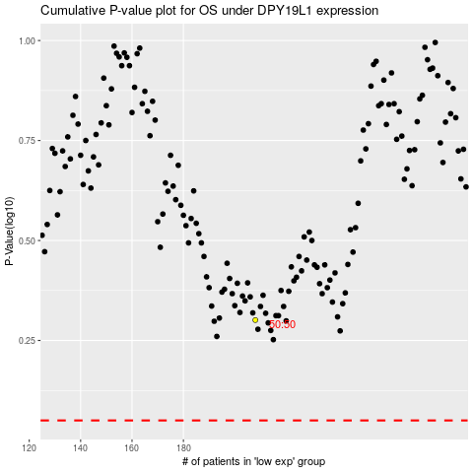

 |  |  |  |  |  | cases_OS | p_OS | rank | exp
 |  |  |  |  |  |  | cases_RFS | p_RFS | rank | exp

