DPY19L2P1 _multivariate
Reported by Tex Li-Hsing Chi. tex@gate.sinica.edu.tw 2019-08-20

Table 2. The clinicopathological features of HNSCC cohort and DPY19L2P1 expression. (Chi square test)
Cutoff at -0.262 (49.8%)
 |  | DPY19L2P1 expression |  | DPY19L2P1 expression |  | (Optimised)
 | Features | Low | (%) | High | (%) | Case no | P-value | Remark | Matthews
Gender | Female | 151 | 36.4 | 155 | 37.3 | 415 | 0.8007 | 0 | 0
2 | Male | 56 | 13.5 | 53 | 12.8
Age at diagnosis | <=65y | 137 | 33 | 137 | 33 | 415 | 1 | 0 | 0
4 | >65y | 70 | 16.9 | 71 | 17.1
Clinical T Status | T1+T2 | 87 | 21 | 62 | 14.9 | 415 | 0.0127 | 1 | 0
6 | T3+T4 | 120 | 28.9 | 146 | 35.2
Clinical N Status | N0 | 106 | 25.5 | 110 | 26.5 | 415 | 0.8075 | 0 | 0
8 | N1-3 | 101 | 24.3 | 98 | 23.6
Clinical M Status | M0 | 205 | 49.4 | 207 | 49.9 | 415 | 0.6232 | 0 | 0
10 | M1 | 2 | 0.5 | 1 | 0.2
Clinical Stage | Stage I+II | 62 | 14.9 | 40 | 9.6 | 415 | 0.0154 | 1 | 0
12 | Stage III+IV | 145 | 34.9 | 168 | 40.5
Surgical Margin status | Negative | 159 | 38.3 | 159 | 38.3 | 415 | 1 | 0 | 0
14 | Positive | 48 | 11.6 | 49 | 11.8
Tobacco Exposure | Low | 91 | 21.9 | 70 | 16.9 | 415 | 0.0346 | 1 | 0
16 | High | 116 | 28 | 138 | 33.3

Table 3. Univariate/Multivariate Cox's proportional hazards regression analyses on OS time of DPY19L2P1 gene expression in HNSCC

 |  | Univariate |  |  |  | Multivariate
 | Features | HR | CI95%(L) | CI95%(H) | P-value | HR | CI95%(L) | CI95%(H) | P-value
1 | Female | 1 |  |  |  | 1
Gender | Male | 1.157 | 0.843 | 1.587 | 0.367 | 1.215 | 0.868 | 1.701 | 0.256
11 | <=65y | 1 |  |  |  | 1
Age at diagnosis | >65y | 1.329 | 0.99 | 1.784 | 0.058 | 1.394 | 1.026 | 1.894 | 0.034
12 | T1+T2 | 1 |  |  |  | 1
Clinical T Status | T3+T4 | 1.409 | 1.028 | 1.931 | 0.033 | 2.201 | 1.164 | 4.162 | 0.015
13 | N0 | 1 |  |  |  | 1
Clinical N Status | N1-3 | 1.185 | 0.89 | 1.577 | 0.246 | 1.227 | 0.859 | 1.753 | 0.261
14 | M0 | 1 |  |  |  | 1
Clinical M Status | M1 | 4.097 | 1.009 | 16.644 | 0.049 | 9.377 | 2.046 | 42.987 | 0.004
15 | Stage I+II | 1 |  |  |  | 1
Clinical Stage | Stage III+IV | 1.245 | 0.882 | 1.759 | 0.213 | 0.513 | 0.239 | 1.103 | 0.088
16 | Negative | 1 |  |  |  | 1
Surgical Margin status | Positive | 1.591 | 1.155 | 2.191 | 0.004 | 1.677 | 1.213 | 2.317 | 0.002
17 | Low | 1 |  |  |  | 1
Tobacco Exposure | High | 1.364 | 1.008 | 1.844 | 0.044 | 1.471 | 1.064 | 2.032 | 0.019
18 | Low | 1 |  |  |  | 1
RNAseq(z-score) | High | 0.984 | 0.738 | 1.311 | 0.912 | 0.909 | 0.678 | 1.217 | 0.52

Table 4. Univariate/Multivariate Cox's proportional hazards regression analyses on RFS time of DPY19L2P1 gene expression in HNSCC

 |  | Univariate |  |  |  | Multivariate
 | Features | HR | CI95%(L) | CI95%(H) | P-value | HR | CI95%(L) | CI95%(H) | P-value
1 | Female | 1 |  |  |  | 1
Gender | Male | 1.157 | 0.843 | 1.587 | 0.367 | 1.215 | 0.868 | 1.701 | 0.256
11 | <=65y | 1 |  |  |  | 1
Age at diagnosis | >65y | 1.329 | 0.99 | 1.784 | 0.058 | 1.394 | 1.026 | 1.894 | 0.034
12 | T1+T2 | 1 |  |  |  | 1
Clinical T Status | T3+T4 | 1.409 | 1.028 | 1.931 | 0.033 | 2.201 | 1.164 | 4.162 | 0.015
13 | N0 | 1 |  |  |  | 1
Clinical N Status | N1-3 | 1.185 | 0.89 | 1.577 | 0.246 | 1.227 | 0.859 | 1.753 | 0.261
14 | M0 | 1 |  |  |  | 1
Clinical M Status | M1 | 4.097 | 1.009 | 16.644 | 0.049 | 9.377 | 2.046 | 42.987 | 0.004
15 | Stage I+II | 1 |  |  |  | 1
Clinical Stage | Stage III+IV | 1.245 | 0.882 | 1.759 | 0.213 | 0.513 | 0.239 | 1.103 | 0.088
16 | Negative | 1 |  |  |  | 1
Surgical Margin status | Positive | 1.591 | 1.155 | 2.191 | 0.004 | 1.677 | 1.213 | 2.317 | 0.002
17 | Low | 1 |  |  |  | 1
Tobacco Exposure | High | 1.364 | 1.008 | 1.844 | 0.044 | 1.471 | 1.064 | 2.032 | 0.019
18 | Low | 1 |  |  |  | 1
RNAseq(z-score) | High | 0.984 | 0.738 | 1.311 | 0.912 | 0.909 | 0.678 | 1.217 | 0.52

Kaplan-Meier survival estimate: Cutoff at -0.262 (49.8%)



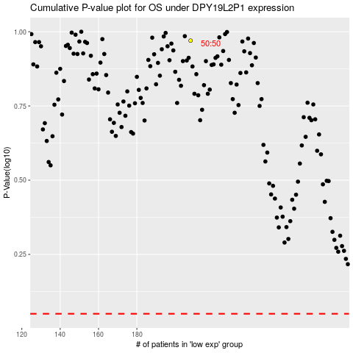

 |  |  |  |  |  | cases_OS | p_OS | rank | exp
 |  |  |  |  |  |  | cases_RFS | p_RFS | rank | exp

