DPY19L4 _multivariate
Reported by Tex Li-Hsing Chi. tex@gate.sinica.edu.tw 2019-08-20

Table 2. The clinicopathological features of HNSCC cohort and DPY19L4 expression. (Chi square test)
Cutoff at -0.104 (49.8%)
 |  | DPY19L4 expression |  | DPY19L4 expression |  | (Optimised)
 | Features | Low | (%) | High | (%) | Case no | P-value | Remark | Matthews
Gender | Female | 150 | 36.1 | 156 | 37.6 | 415 | 0.6344 | 0 | 0
2 | Male | 57 | 13.7 | 52 | 12.5
Age at diagnosis | <=65y | 136 | 32.8 | 138 | 33.3 | 415 | 0.9719 | 0 | 0
4 | >65y | 71 | 17.1 | 70 | 16.9
Clinical T Status | T1+T2 | 66 | 15.9 | 83 | 20 | 415 | 0.1095 | 0 | 0
6 | T3+T4 | 141 | 34 | 125 | 30.1
Clinical N Status | N0 | 111 | 26.7 | 105 | 25.3 | 415 | 0.5875 | 0 | 0
8 | N1-3 | 96 | 23.1 | 103 | 24.8
Clinical M Status | M0 | 205 | 49.4 | 207 | 49.9 | 415 | 0.6232 | 0 | 0
10 | M1 | 2 | 0.5 | 1 | 0.2
Clinical Stage | Stage I+II | 42 | 10.1 | 60 | 14.5 | 415 | 0.0561 | 0 | 0
12 | Stage III+IV | 165 | 39.8 | 148 | 35.7
Surgical Margin status | Negative | 163 | 39.3 | 155 | 37.3 | 415 | 0.3537 | 0 | 0
14 | Positive | 44 | 10.6 | 53 | 12.8
Tobacco Exposure | Low | 73 | 17.6 | 88 | 21.2 | 415 | 0.1587 | 0 | 0
16 | High | 134 | 32.3 | 120 | 28.9

Table 3. Univariate/Multivariate Cox's proportional hazards regression analyses on OS time of DPY19L4 gene expression in HNSCC

 |  | Univariate |  |  |  | Multivariate
 | Features | HR | CI95%(L) | CI95%(H) | P-value | HR | CI95%(L) | CI95%(H) | P-value
1 | Female | 1 |  |  |  | 1
Gender | Male | 1.157 | 0.843 | 1.587 | 0.367 | 1.209 | 0.863 | 1.692 | 0.269
11 | <=65y | 1 |  |  |  | 1
Age at diagnosis | >65y | 1.329 | 0.99 | 1.784 | 0.058 | 1.389 | 1.021 | 1.888 | 0.036
12 | T1+T2 | 1 |  |  |  | 1
Clinical T Status | T3+T4 | 1.409 | 1.028 | 1.931 | 0.033 | 2.199 | 1.163 | 4.157 | 0.015
13 | N0 | 1 |  |  |  | 1
Clinical N Status | N1-3 | 1.185 | 0.89 | 1.577 | 0.246 | 1.232 | 0.861 | 1.762 | 0.253
14 | M0 | 1 |  |  |  | 1
Clinical M Status | M1 | 4.097 | 1.009 | 16.644 | 0.049 | 9.558 | 2.079 | 43.947 | 0.004
15 | Stage I+II | 1 |  |  |  | 1
Clinical Stage | Stage III+IV | 1.245 | 0.882 | 1.759 | 0.213 | 0.51 | 0.237 | 1.098 | 0.085
16 | Negative | 1 |  |  |  | 1
Surgical Margin status | Positive | 1.591 | 1.155 | 2.191 | 0.004 | 1.673 | 1.211 | 2.312 | 0.002
17 | Low | 1 |  |  |  | 1
Tobacco Exposure | High | 1.364 | 1.008 | 1.844 | 0.044 | 1.46 | 1.058 | 2.015 | 0.021
18 | Low | 1 |  |  |  | 1
RNAseq(z-score) | High | 0.996 | 0.747 | 1.33 | 0.981 | 1.05 | 0.782 | 1.409 | 0.747

Table 4. Univariate/Multivariate Cox's proportional hazards regression analyses on RFS time of DPY19L4 gene expression in HNSCC

 |  | Univariate |  |  |  | Multivariate
 | Features | HR | CI95%(L) | CI95%(H) | P-value | HR | CI95%(L) | CI95%(H) | P-value
1 | Female | 1 |  |  |  | 1
Gender | Male | 1.157 | 0.843 | 1.587 | 0.367 | 1.209 | 0.863 | 1.692 | 0.269
11 | <=65y | 1 |  |  |  | 1
Age at diagnosis | >65y | 1.329 | 0.99 | 1.784 | 0.058 | 1.389 | 1.021 | 1.888 | 0.036
12 | T1+T2 | 1 |  |  |  | 1
Clinical T Status | T3+T4 | 1.409 | 1.028 | 1.931 | 0.033 | 2.199 | 1.163 | 4.157 | 0.015
13 | N0 | 1 |  |  |  | 1
Clinical N Status | N1-3 | 1.185 | 0.89 | 1.577 | 0.246 | 1.232 | 0.861 | 1.762 | 0.253
14 | M0 | 1 |  |  |  | 1
Clinical M Status | M1 | 4.097 | 1.009 | 16.644 | 0.049 | 9.558 | 2.079 | 43.947 | 0.004
15 | Stage I+II | 1 |  |  |  | 1
Clinical Stage | Stage III+IV | 1.245 | 0.882 | 1.759 | 0.213 | 0.51 | 0.237 | 1.098 | 0.085
16 | Negative | 1 |  |  |  | 1
Surgical Margin status | Positive | 1.591 | 1.155 | 2.191 | 0.004 | 1.673 | 1.211 | 2.312 | 0.002
17 | Low | 1 |  |  |  | 1
Tobacco Exposure | High | 1.364 | 1.008 | 1.844 | 0.044 | 1.46 | 1.058 | 2.015 | 0.021
18 | Low | 1 |  |  |  | 1
RNAseq(z-score) | High | 0.996 | 0.747 | 1.33 | 0.981 | 1.05 | 0.782 | 1.409 | 0.747

Kaplan-Meier survival estimate: Cutoff at -0.104 (49.8%)



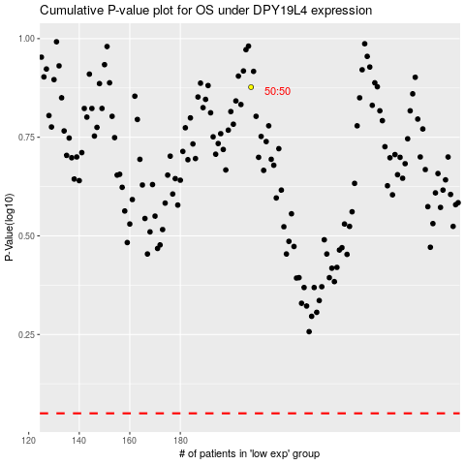

 |  |  |  |  |  | cases_OS | p_OS | rank | exp
 |  |  |  |  |  |  | cases_RFS | p_RFS | rank | exp

