DPYD _multivariate
Reported by Tex Li-Hsing Chi. tex@gate.sinica.edu.tw 2019-08-20

Table 2. The clinicopathological features of HNSCC cohort and DPYD expression. (Chi square test)
Cutoff at -0.203 (50.0%)
 |  | DPYD expression |  | DPYD expression |  | (Optimised)
 | Features | Low | (%) | High | (%) | Case no | P-value | Remark | Matthews
Gender | Female | 159 | 38.3 | 147 | 35.4 | 415 | 0.1905 | 0 | 0
2 | Male | 48 | 11.6 | 61 | 14.7
Age at diagnosis | <=65y | 138 | 33.3 | 136 | 32.8 | 415 | 0.8634 | 0 | 0
4 | >65y | 69 | 16.6 | 72 | 17.3
Clinical T Status | T1+T2 | 74 | 17.8 | 75 | 18.1 | 415 | 1 | 0 | 0
6 | T3+T4 | 133 | 32 | 133 | 32
Clinical N Status | N0 | 116 | 28 | 100 | 24.1 | 415 | 0.1273 | 1 | 0
8 | N1-3 | 91 | 21.9 | 108 | 26
Clinical M Status | M0 | 207 | 49.9 | 205 | 49.4 | 415 | 0.2482 | 0 | 0
10 | M1 | 0 | 0 | 3 | 0.7
Clinical Stage | Stage I+II | 50 | 12 | 52 | 12.5 | 415 | 0.9315 | 0 | 0
12 | Stage III+IV | 157 | 37.8 | 156 | 37.6
Surgical Margin status | Negative | 161 | 38.8 | 157 | 37.8 | 415 | 0.6429 | 0 | 0
14 | Positive | 46 | 11.1 | 51 | 12.3
Tobacco Exposure | Low | 65 | 15.7 | 96 | 23.1 | 415 | 0.0025 | 1 | 0
16 | High | 142 | 34.2 | 112 | 27

Table 3. Univariate/Multivariate Cox's proportional hazards regression analyses on OS time of DPYD gene expression in HNSCC

 |  | Univariate |  |  |  | Multivariate
 | Features | HR | CI95%(L) | CI95%(H) | P-value | HR | CI95%(L) | CI95%(H) | P-value
1 | Female | 1 |  |  |  | 1
Gender | Male | 1.157 | 0.843 | 1.587 | 0.367 | 1.203 | 0.861 | 1.681 | 0.279
11 | <=65y | 1 |  |  |  | 1
Age at diagnosis | >65y | 1.329 | 0.99 | 1.784 | 0.058 | 1.389 | 1.021 | 1.889 | 0.036
12 | T1+T2 | 1 |  |  |  | 1
Clinical T Status | T3+T4 | 1.409 | 1.028 | 1.931 | 0.033 | 2.207 | 1.167 | 4.174 | 0.015
13 | N0 | 1 |  |  |  | 1
Clinical N Status | N1-3 | 1.185 | 0.89 | 1.577 | 0.246 | 1.246 | 0.872 | 1.78 | 0.228
14 | M0 | 1 |  |  |  | 1
Clinical M Status | M1 | 4.097 | 1.009 | 16.644 | 0.049 | 9.578 | 2.073 | 44.249 | 0.004
15 | Stage I+II | 1 |  |  |  | 1
Clinical Stage | Stage III+IV | 1.245 | 0.882 | 1.759 | 0.213 | 0.502 | 0.233 | 1.078 | 0.077
16 | Negative | 1 |  |  |  | 1
Surgical Margin status | Positive | 1.591 | 1.155 | 2.191 | 0.004 | 1.674 | 1.211 | 2.314 | 0.002
17 | Low | 1 |  |  |  | 1
Tobacco Exposure | High | 1.364 | 1.008 | 1.844 | 0.044 | 1.445 | 1.045 | 1.998 | 0.026
18 | Low | 1 |  |  |  | 1
RNAseq(z-score) | High | 0.957 | 0.718 | 1.276 | 0.765 | 0.966 | 0.719 | 1.297 | 0.817

Table 4. Univariate/Multivariate Cox's proportional hazards regression analyses on RFS time of DPYD gene expression in HNSCC

 |  | Univariate |  |  |  | Multivariate
 | Features | HR | CI95%(L) | CI95%(H) | P-value | HR | CI95%(L) | CI95%(H) | P-value
1 | Female | 1 |  |  |  | 1
Gender | Male | 1.157 | 0.843 | 1.587 | 0.367 | 1.203 | 0.861 | 1.681 | 0.279
11 | <=65y | 1 |  |  |  | 1
Age at diagnosis | >65y | 1.329 | 0.99 | 1.784 | 0.058 | 1.389 | 1.021 | 1.889 | 0.036
12 | T1+T2 | 1 |  |  |  | 1
Clinical T Status | T3+T4 | 1.409 | 1.028 | 1.931 | 0.033 | 2.207 | 1.167 | 4.174 | 0.015
13 | N0 | 1 |  |  |  | 1
Clinical N Status | N1-3 | 1.185 | 0.89 | 1.577 | 0.246 | 1.246 | 0.872 | 1.78 | 0.228
14 | M0 | 1 |  |  |  | 1
Clinical M Status | M1 | 4.097 | 1.009 | 16.644 | 0.049 | 9.578 | 2.073 | 44.249 | 0.004
15 | Stage I+II | 1 |  |  |  | 1
Clinical Stage | Stage III+IV | 1.245 | 0.882 | 1.759 | 0.213 | 0.502 | 0.233 | 1.078 | 0.077
16 | Negative | 1 |  |  |  | 1
Surgical Margin status | Positive | 1.591 | 1.155 | 2.191 | 0.004 | 1.674 | 1.211 | 2.314 | 0.002
17 | Low | 1 |  |  |  | 1
Tobacco Exposure | High | 1.364 | 1.008 | 1.844 | 0.044 | 1.445 | 1.045 | 1.998 | 0.026
18 | Low | 1 |  |  |  | 1
RNAseq(z-score) | High | 0.957 | 0.718 | 1.276 | 0.765 | 0.966 | 0.719 | 1.297 | 0.817

Kaplan-Meier survival estimate: Cutoff at -0.203 (50.0%)



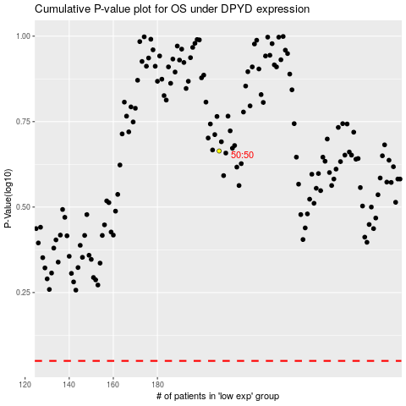

 |  |  |  |  |  | cases_OS | p_OS | rank | exp
 |  |  |  |  |  |  | cases_RFS | p_RFS | rank | exp

