DPYSL4 _multivariate
Reported by Tex Li-Hsing Chi. tex@gate.sinica.edu.tw 2019-08-20

Table 2. The clinicopathological features of HNSCC cohort and DPYSL4 expression. (Chi square test)
Cutoff at -0.346 (49.8%)
 |  | DPYSL4 expression |  | DPYSL4 expression |  | (Optimised)
 | Features | Low | (%) | High | (%) | Case no | P-value | Remark | Matthews
Gender | Female | 144 | 34.7 | 162 | 39 | 415 | 0.0697 | 0 | 0
2 | Male | 63 | 15.2 | 46 | 11.1
Age at diagnosis | <=65y | 131 | 31.6 | 143 | 34.5 | 415 | 0.2839 | 0 | 0
4 | >65y | 76 | 18.3 | 65 | 15.7
Clinical T Status | T1+T2 | 84 | 20.2 | 65 | 15.7 | 415 | 0.0603 | 0 | 0
6 | T3+T4 | 123 | 29.6 | 143 | 34.5
Clinical N Status | N0 | 104 | 25.1 | 112 | 27 | 415 | 0.5243 | 0 | 0
8 | N1-3 | 103 | 24.8 | 96 | 23.1
Clinical M Status | M0 | 206 | 49.6 | 206 | 49.6 | 415 | 1 | 0 | 0
10 | M1 | 1 | 0.2 | 2 | 0.5
Clinical Stage | Stage I+II | 55 | 13.3 | 47 | 11.3 | 415 | 0.4087 | 0 | 0
12 | Stage III+IV | 152 | 36.6 | 161 | 38.8
Surgical Margin status | Negative | 157 | 37.8 | 161 | 38.8 | 415 | 0.729 | 0 | 0
14 | Positive | 50 | 12 | 47 | 11.3
Tobacco Exposure | Low | 99 | 23.9 | 62 | 14.9 | 415 | 2e-04 | 1 | 0
16 | High | 108 | 26 | 146 | 35.2

Table 3. Univariate/Multivariate Cox's proportional hazards regression analyses on OS time of DPYSL4 gene expression in HNSCC

 |  | Univariate |  |  |  | Multivariate
 | Features | HR | CI95%(L) | CI95%(H) | P-value | HR | CI95%(L) | CI95%(H) | P-value
1 | Female | 1 |  |  |  | 1
Gender | Male | 1.157 | 0.843 | 1.587 | 0.367 | 1.212 | 0.867 | 1.695 | 0.26
11 | <=65y | 1 |  |  |  | 1
Age at diagnosis | >65y | 1.329 | 0.99 | 1.784 | 0.058 | 1.395 | 1.026 | 1.896 | 0.034
12 | T1+T2 | 1 |  |  |  | 1
Clinical T Status | T3+T4 | 1.409 | 1.028 | 1.931 | 0.033 | 2.188 | 1.157 | 4.138 | 0.016
13 | N0 | 1 |  |  |  | 1
Clinical N Status | N1-3 | 1.185 | 0.89 | 1.577 | 0.246 | 1.249 | 0.875 | 1.783 | 0.221
14 | M0 | 1 |  |  |  | 1
Clinical M Status | M1 | 4.097 | 1.009 | 16.644 | 0.049 | 9.288 | 2.025 | 42.605 | 0.004
15 | Stage I+II | 1 |  |  |  | 1
Clinical Stage | Stage III+IV | 1.245 | 0.882 | 1.759 | 0.213 | 0.506 | 0.236 | 1.086 | 0.08
16 | Negative | 1 |  |  |  | 1
Surgical Margin status | Positive | 1.591 | 1.155 | 2.191 | 0.004 | 1.675 | 1.212 | 2.314 | 0.002
17 | Low | 1 |  |  |  | 1
Tobacco Exposure | High | 1.364 | 1.008 | 1.844 | 0.044 | 1.43 | 1.033 | 1.98 | 0.031
18 | Low | 1 |  |  |  | 1
RNAseq(z-score) | High | 1.102 | 0.827 | 1.468 | 0.507 | 1.087 | 0.808 | 1.463 | 0.581

Table 4. Univariate/Multivariate Cox's proportional hazards regression analyses on RFS time of DPYSL4 gene expression in HNSCC

 |  | Univariate |  |  |  | Multivariate
 | Features | HR | CI95%(L) | CI95%(H) | P-value | HR | CI95%(L) | CI95%(H) | P-value
1 | Female | 1 |  |  |  | 1
Gender | Male | 1.157 | 0.843 | 1.587 | 0.367 | 1.212 | 0.867 | 1.695 | 0.26
11 | <=65y | 1 |  |  |  | 1
Age at diagnosis | >65y | 1.329 | 0.99 | 1.784 | 0.058 | 1.395 | 1.026 | 1.896 | 0.034
12 | T1+T2 | 1 |  |  |  | 1
Clinical T Status | T3+T4 | 1.409 | 1.028 | 1.931 | 0.033 | 2.188 | 1.157 | 4.138 | 0.016
13 | N0 | 1 |  |  |  | 1
Clinical N Status | N1-3 | 1.185 | 0.89 | 1.577 | 0.246 | 1.249 | 0.875 | 1.783 | 0.221
14 | M0 | 1 |  |  |  | 1
Clinical M Status | M1 | 4.097 | 1.009 | 16.644 | 0.049 | 9.288 | 2.025 | 42.605 | 0.004
15 | Stage I+II | 1 |  |  |  | 1
Clinical Stage | Stage III+IV | 1.245 | 0.882 | 1.759 | 0.213 | 0.506 | 0.236 | 1.086 | 0.08
16 | Negative | 1 |  |  |  | 1
Surgical Margin status | Positive | 1.591 | 1.155 | 2.191 | 0.004 | 1.675 | 1.212 | 2.314 | 0.002
17 | Low | 1 |  |  |  | 1
Tobacco Exposure | High | 1.364 | 1.008 | 1.844 | 0.044 | 1.43 | 1.033 | 1.98 | 0.031
18 | Low | 1 |  |  |  | 1
RNAseq(z-score) | High | 1.102 | 0.827 | 1.468 | 0.507 | 1.087 | 0.808 | 1.463 | 0.581

Kaplan-Meier survival estimate: Cutoff at -0.346 (49.8%)



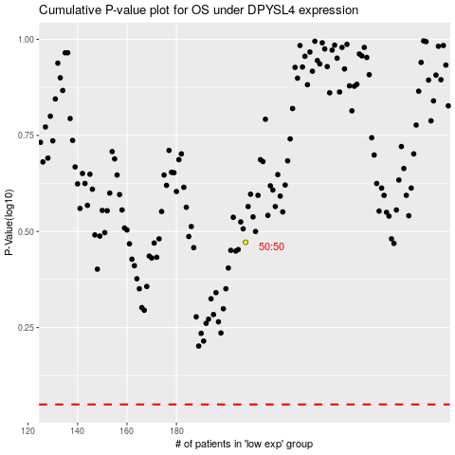

 |  |  |  |  |  | cases_OS | p_OS | rank | exp
 |  |  |  |  |  |  | cases_RFS | p_RFS | rank | exp

