DPYSL5 _multivariate
Reported by Tex Li-Hsing Chi. tex@gate.sinica.edu.tw 2019-08-20

Table 2. The clinicopathological features of HNSCC cohort and DPYSL5 expression. (Chi square test)
Cutoff at -0.165 (50.0%)
 |  | DPYSL5 expression |  | DPYSL5 expression |  | (Optimised)
 | Features | Low | (%) | High | (%) | Case no | P-value | Remark | Matthews
Gender | Female | 147 | 35.4 | 159 | 38.3 | 415 | 0.2523 | 0 | 0
2 | Male | 60 | 14.5 | 49 | 11.8
Age at diagnosis | <=65y | 130 | 31.3 | 144 | 34.7 | 415 | 0.2009 | 0 | 0
4 | >65y | 77 | 18.6 | 64 | 15.4
Clinical T Status | T1+T2 | 66 | 15.9 | 83 | 20 | 415 | 0.1095 | 0 | 0
6 | T3+T4 | 141 | 34 | 125 | 30.1
Clinical N Status | N0 | 117 | 28.2 | 99 | 23.9 | 415 | 0.0852 | 1 | 0
8 | N1-3 | 90 | 21.7 | 109 | 26.3
Clinical M Status | M0 | 206 | 49.6 | 206 | 49.6 | 415 | 1 | 0 | 0
10 | M1 | 1 | 0.2 | 2 | 0.5
Clinical Stage | Stage I+II | 48 | 11.6 | 54 | 13 | 415 | 0.5878 | 0 | 0
12 | Stage III+IV | 159 | 38.3 | 154 | 37.1
Surgical Margin status | Negative | 152 | 36.6 | 166 | 40 | 415 | 0.1329 | 0 | 0
14 | Positive | 55 | 13.3 | 42 | 10.1
Tobacco Exposure | Low | 88 | 21.2 | 73 | 17.6 | 415 | 0.1314 | 0 | 0
16 | High | 119 | 28.7 | 135 | 32.5

Table 3. Univariate/Multivariate Cox's proportional hazards regression analyses on OS time of DPYSL5 gene expression in HNSCC

 |  | Univariate |  |  |  | Multivariate
 | Features | HR | CI95%(L) | CI95%(H) | P-value | HR | CI95%(L) | CI95%(H) | P-value
1 | Female | 1 |  |  |  | 1
Gender | Male | 1.157 | 0.843 | 1.587 | 0.367 | 1.222 | 0.873 | 1.71 | 0.242
11 | <=65y | 1 |  |  |  | 1
Age at diagnosis | >65y | 1.329 | 0.99 | 1.784 | 0.058 | 1.4 | 1.029 | 1.903 | 0.032
12 | T1+T2 | 1 |  |  |  | 1
Clinical T Status | T3+T4 | 1.409 | 1.028 | 1.931 | 0.033 | 2.228 | 1.178 | 4.216 | 0.014
13 | N0 | 1 |  |  |  | 1
Clinical N Status | N1-3 | 1.185 | 0.89 | 1.577 | 0.246 | 1.221 | 0.855 | 1.745 | 0.272
14 | M0 | 1 |  |  |  | 1
Clinical M Status | M1 | 4.097 | 1.009 | 16.644 | 0.049 | 9.509 | 2.074 | 43.592 | 0.004
15 | Stage I+II | 1 |  |  |  | 1
Clinical Stage | Stage III+IV | 1.245 | 0.882 | 1.759 | 0.213 | 0.498 | 0.232 | 1.07 | 0.074
16 | Negative | 1 |  |  |  | 1
Surgical Margin status | Positive | 1.591 | 1.155 | 2.191 | 0.004 | 1.706 | 1.232 | 2.363 | 0.001
17 | Low | 1 |  |  |  | 1
Tobacco Exposure | High | 1.364 | 1.008 | 1.844 | 0.044 | 1.442 | 1.046 | 1.986 | 0.025
18 | Low | 1 |  |  |  | 1
RNAseq(z-score) | High | 1.09 | 0.818 | 1.452 | 0.557 | 1.167 | 0.87 | 1.566 | 0.304

Table 4. Univariate/Multivariate Cox's proportional hazards regression analyses on RFS time of DPYSL5 gene expression in HNSCC

 |  | Univariate |  |  |  | Multivariate
 | Features | HR | CI95%(L) | CI95%(H) | P-value | HR | CI95%(L) | CI95%(H) | P-value
1 | Female | 1 |  |  |  | 1
Gender | Male | 1.157 | 0.843 | 1.587 | 0.367 | 1.222 | 0.873 | 1.71 | 0.242
11 | <=65y | 1 |  |  |  | 1
Age at diagnosis | >65y | 1.329 | 0.99 | 1.784 | 0.058 | 1.4 | 1.029 | 1.903 | 0.032
12 | T1+T2 | 1 |  |  |  | 1
Clinical T Status | T3+T4 | 1.409 | 1.028 | 1.931 | 0.033 | 2.228 | 1.178 | 4.216 | 0.014
13 | N0 | 1 |  |  |  | 1
Clinical N Status | N1-3 | 1.185 | 0.89 | 1.577 | 0.246 | 1.221 | 0.855 | 1.745 | 0.272
14 | M0 | 1 |  |  |  | 1
Clinical M Status | M1 | 4.097 | 1.009 | 16.644 | 0.049 | 9.509 | 2.074 | 43.592 | 0.004
15 | Stage I+II | 1 |  |  |  | 1
Clinical Stage | Stage III+IV | 1.245 | 0.882 | 1.759 | 0.213 | 0.498 | 0.232 | 1.07 | 0.074
16 | Negative | 1 |  |  |  | 1
Surgical Margin status | Positive | 1.591 | 1.155 | 2.191 | 0.004 | 1.706 | 1.232 | 2.363 | 0.001
17 | Low | 1 |  |  |  | 1
Tobacco Exposure | High | 1.364 | 1.008 | 1.844 | 0.044 | 1.442 | 1.046 | 1.986 | 0.025
18 | Low | 1 |  |  |  | 1
RNAseq(z-score) | High | 1.09 | 0.818 | 1.452 | 0.557 | 1.167 | 0.87 | 1.566 | 0.304

Kaplan-Meier survival estimate: Cutoff at -0.165 (50.0%)



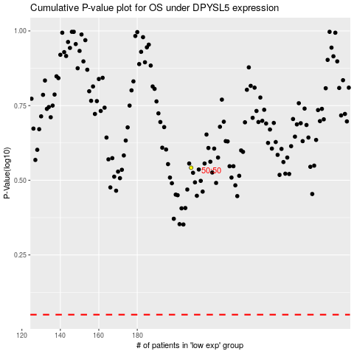

 |  |  |  |  |  | cases_OS | p_OS | rank | exp
 |  |  |  |  |  |  | cases_RFS | p_RFS | rank | exp

