DRAM1 _multivariate
Reported by Tex Li-Hsing Chi. tex@gate.sinica.edu.tw 2019-08-20

Table 2. The clinicopathological features of HNSCC cohort and DRAM1 expression. (Chi square test)
Cutoff at -0.181 (50.0%)
 |  | DRAM1 expression |  | DRAM1 expression |  | (Optimised)
 | Features | Low | (%) | High | (%) | Case no | P-value | Remark | Matthews
Gender | Female | 160 | 38.6 | 146 | 35.2 | 415 | 0.1254 | 0 | 0
2 | Male | 47 | 11.3 | 62 | 14.9
Age at diagnosis | <=65y | 132 | 31.8 | 142 | 34.2 | 415 | 0.3874 | 0 | 0
4 | >65y | 75 | 18.1 | 66 | 15.9
Clinical T Status | T1+T2 | 59 | 14.2 | 90 | 21.7 | 415 | 0.0024 | 1 | 0
6 | T3+T4 | 148 | 35.7 | 118 | 28.4
Clinical N Status | N0 | 112 | 27 | 104 | 25.1 | 415 | 0.4599 | 0 | 0
8 | N1-3 | 95 | 22.9 | 104 | 25.1
Clinical M Status | M0 | 204 | 49.2 | 208 | 50.1 | 415 | 0.1232 | 0 | 0
10 | M1 | 3 | 0.7 | 0 | 0
Clinical Stage | Stage I+II | 39 | 9.4 | 63 | 15.2 | 415 | 0.0095 | 1 | 0
12 | Stage III+IV | 168 | 40.5 | 145 | 34.9
Surgical Margin status | Negative | 160 | 38.6 | 158 | 38.1 | 415 | 0.8167 | 0 | 0
14 | Positive | 47 | 11.3 | 50 | 12
Tobacco Exposure | Low | 75 | 18.1 | 86 | 20.7 | 415 | 0.3141 | 0 | 0
16 | High | 132 | 31.8 | 122 | 29.4

Table 3. Univariate/Multivariate Cox's proportional hazards regression analyses on OS time of DRAM1 gene expression in HNSCC

 |  | Univariate |  |  |  | Multivariate
 | Features | HR | CI95%(L) | CI95%(H) | P-value | HR | CI95%(L) | CI95%(H) | P-value
1 | Female | 1 |  |  |  | 1
Gender | Male | 1.157 | 0.843 | 1.587 | 0.367 | 1.201 | 0.86 | 1.678 | 0.283
11 | <=65y | 1 |  |  |  | 1
Age at diagnosis | >65y | 1.329 | 0.99 | 1.784 | 0.058 | 1.393 | 1.024 | 1.894 | 0.035
12 | T1+T2 | 1 |  |  |  | 1
Clinical T Status | T3+T4 | 1.409 | 1.028 | 1.931 | 0.033 | 2.204 | 1.165 | 4.168 | 0.015
13 | N0 | 1 |  |  |  | 1
Clinical N Status | N1-3 | 1.185 | 0.89 | 1.577 | 0.246 | 1.239 | 0.867 | 1.771 | 0.239
14 | M0 | 1 |  |  |  | 1
Clinical M Status | M1 | 4.097 | 1.009 | 16.644 | 0.049 | 9.463 | 2.047 | 43.743 | 0.004
15 | Stage I+II | 1 |  |  |  | 1
Clinical Stage | Stage III+IV | 1.245 | 0.882 | 1.759 | 0.213 | 0.506 | 0.235 | 1.088 | 0.081
16 | Negative | 1 |  |  |  | 1
Surgical Margin status | Positive | 1.591 | 1.155 | 2.191 | 0.004 | 1.671 | 1.209 | 2.309 | 0.002
17 | Low | 1 |  |  |  | 1
Tobacco Exposure | High | 1.364 | 1.008 | 1.844 | 0.044 | 1.453 | 1.055 | 2.002 | 0.022
18 | Low | 1 |  |  |  | 1
RNAseq(z-score) | High | 0.972 | 0.729 | 1.296 | 0.847 | 1.011 | 0.752 | 1.359 | 0.941

Table 4. Univariate/Multivariate Cox's proportional hazards regression analyses on RFS time of DRAM1 gene expression in HNSCC

 |  | Univariate |  |  |  | Multivariate
 | Features | HR | CI95%(L) | CI95%(H) | P-value | HR | CI95%(L) | CI95%(H) | P-value
1 | Female | 1 |  |  |  | 1
Gender | Male | 1.157 | 0.843 | 1.587 | 0.367 | 1.201 | 0.86 | 1.678 | 0.283
11 | <=65y | 1 |  |  |  | 1
Age at diagnosis | >65y | 1.329 | 0.99 | 1.784 | 0.058 | 1.393 | 1.024 | 1.894 | 0.035
12 | T1+T2 | 1 |  |  |  | 1
Clinical T Status | T3+T4 | 1.409 | 1.028 | 1.931 | 0.033 | 2.204 | 1.165 | 4.168 | 0.015
13 | N0 | 1 |  |  |  | 1
Clinical N Status | N1-3 | 1.185 | 0.89 | 1.577 | 0.246 | 1.239 | 0.867 | 1.771 | 0.239
14 | M0 | 1 |  |  |  | 1
Clinical M Status | M1 | 4.097 | 1.009 | 16.644 | 0.049 | 9.463 | 2.047 | 43.743 | 0.004
15 | Stage I+II | 1 |  |  |  | 1
Clinical Stage | Stage III+IV | 1.245 | 0.882 | 1.759 | 0.213 | 0.506 | 0.235 | 1.088 | 0.081
16 | Negative | 1 |  |  |  | 1
Surgical Margin status | Positive | 1.591 | 1.155 | 2.191 | 0.004 | 1.671 | 1.209 | 2.309 | 0.002
17 | Low | 1 |  |  |  | 1
Tobacco Exposure | High | 1.364 | 1.008 | 1.844 | 0.044 | 1.453 | 1.055 | 2.002 | 0.022
18 | Low | 1 |  |  |  | 1
RNAseq(z-score) | High | 0.972 | 0.729 | 1.296 | 0.847 | 1.011 | 0.752 | 1.359 | 0.941

Kaplan-Meier survival estimate: Cutoff at -0.181 (50.0%)



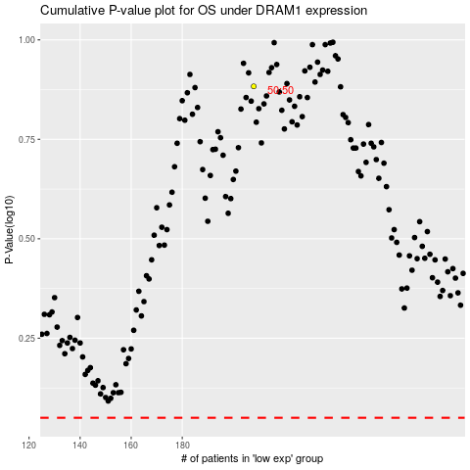

 |  |  |  |  |  | cases_OS | p_OS | rank | exp
 |  |  |  |  |  |  | cases_RFS | p_RFS | rank | exp

