DRAM2 _multivariate
Reported by Tex Li-Hsing Chi. tex@gate.sinica.edu.tw 2019-08-20

Table 2. The clinicopathological features of HNSCC cohort and DRAM2 expression. (Chi square test)
Cutoff at 0.113 (67.4%)
 |  | DRAM2 expression |  | DRAM2 expression |  | (Optimised)
 | Features | Low | (%) | High | (%) | Case no | P-value | Remark | Matthews
Gender | Female | 202 | 48.7 | 104 | 25.1 | 415 | 0.4441 | 0 | 0
2 | Male | 77 | 18.6 | 32 | 7.7
Age at diagnosis | <=65y | 181 | 43.6 | 93 | 22.4 | 415 | 0.55 | 0 | 0
4 | >65y | 98 | 23.6 | 43 | 10.4
Clinical T Status | T1+T2 | 100 | 24.1 | 49 | 11.8 | 415 | 1 | 0 | 0
6 | T3+T4 | 179 | 43.1 | 87 | 21
Clinical N Status | N0 | 156 | 37.6 | 60 | 14.5 | 415 | 0.0313 | 1 | 0
8 | N1-3 | 123 | 29.6 | 76 | 18.3
Clinical M Status | M0 | 277 | 66.7 | 135 | 32.5 | 415 | 1 | 0 | 0
10 | M1 | 2 | 0.5 | 1 | 0.2
Clinical Stage | Stage I+II | 72 | 17.3 | 30 | 7.2 | 415 | 0.4772 | 0 | 0
12 | Stage III+IV | 207 | 49.9 | 106 | 25.5
Surgical Margin status | Negative | 219 | 52.8 | 99 | 23.9 | 415 | 0.2172 | 0 | 0
14 | Positive | 60 | 14.5 | 37 | 8.9
Tobacco Exposure | Low | 112 | 27 | 49 | 11.8 | 415 | 0.4534 | 0 | 0
16 | High | 167 | 40.2 | 87 | 21

Table 3. Univariate/Multivariate Cox's proportional hazards regression analyses on OS time of DRAM2 gene expression in HNSCC

 |  | Univariate |  |  |  | Multivariate
 | Features | HR | CI95%(L) | CI95%(H) | P-value | HR | CI95%(L) | CI95%(H) | P-value
1 | Female | 1 |  |  |  | 1
Gender | Male | 1.157 | 0.843 | 1.587 | 0.367 | 1.192 | 0.852 | 1.669 | 0.305
11 | <=65y | 1 |  |  |  | 1
Age at diagnosis | >65y | 1.329 | 0.99 | 1.784 | 0.058 | 1.389 | 1.021 | 1.889 | 0.036
12 | T1+T2 | 1 |  |  |  | 1
Clinical T Status | T3+T4 | 1.409 | 1.028 | 1.931 | 0.033 | 2.182 | 1.154 | 4.125 | 0.016
13 | N0 | 1 |  |  |  | 1
Clinical N Status | N1-3 | 1.185 | 0.89 | 1.577 | 0.246 | 1.301 | 0.91 | 1.861 | 0.149
14 | M0 | 1 |  |  |  | 1
Clinical M Status | M1 | 4.097 | 1.009 | 16.644 | 0.049 | 9.36 | 2.042 | 42.905 | 0.004
15 | Stage I+II | 1 |  |  |  | 1
Clinical Stage | Stage III+IV | 1.245 | 0.882 | 1.759 | 0.213 | 0.495 | 0.23 | 1.063 | 0.071
16 | Negative | 1 |  |  |  | 1
Surgical Margin status | Positive | 1.591 | 1.155 | 2.191 | 0.004 | 1.732 | 1.252 | 2.396 | 0.001
17 | Low | 1 |  |  |  | 1
Tobacco Exposure | High | 1.364 | 1.008 | 1.844 | 0.044 | 1.513 | 1.095 | 2.09 | 0.012
18 | Low | 1 |  |  |  | 1
RNAseq(z-score) | High | 0.709 | 0.513 | 0.981 | 0.038 | 0.665 | 0.479 | 0.923 | 0.015

Table 4. Univariate/Multivariate Cox's proportional hazards regression analyses on RFS time of DRAM2 gene expression in HNSCC

 |  | Univariate |  |  |  | Multivariate
 | Features | HR | CI95%(L) | CI95%(H) | P-value | HR | CI95%(L) | CI95%(H) | P-value
1 | Female | 1 |  |  |  | 1
Gender | Male | 1.157 | 0.843 | 1.587 | 0.367 | 1.192 | 0.852 | 1.669 | 0.305
11 | <=65y | 1 |  |  |  | 1
Age at diagnosis | >65y | 1.329 | 0.99 | 1.784 | 0.058 | 1.389 | 1.021 | 1.889 | 0.036
12 | T1+T2 | 1 |  |  |  | 1
Clinical T Status | T3+T4 | 1.409 | 1.028 | 1.931 | 0.033 | 2.182 | 1.154 | 4.125 | 0.016
13 | N0 | 1 |  |  |  | 1
Clinical N Status | N1-3 | 1.185 | 0.89 | 1.577 | 0.246 | 1.301 | 0.91 | 1.861 | 0.149
14 | M0 | 1 |  |  |  | 1
Clinical M Status | M1 | 4.097 | 1.009 | 16.644 | 0.049 | 9.36 | 2.042 | 42.905 | 0.004
15 | Stage I+II | 1 |  |  |  | 1
Clinical Stage | Stage III+IV | 1.245 | 0.882 | 1.759 | 0.213 | 0.495 | 0.23 | 1.063 | 0.071
16 | Negative | 1 |  |  |  | 1
Surgical Margin status | Positive | 1.591 | 1.155 | 2.191 | 0.004 | 1.732 | 1.252 | 2.396 | 0.001
17 | Low | 1 |  |  |  | 1
Tobacco Exposure | High | 1.364 | 1.008 | 1.844 | 0.044 | 1.513 | 1.095 | 2.09 | 0.012
18 | Low | 1 |  |  |  | 1
RNAseq(z-score) | High | 0.709 | 0.513 | 0.981 | 0.038 | 0.665 | 0.479 | 0.923 | 0.015

Kaplan-Meier survival estimate: Cutoff at 0.113 (67.4%)



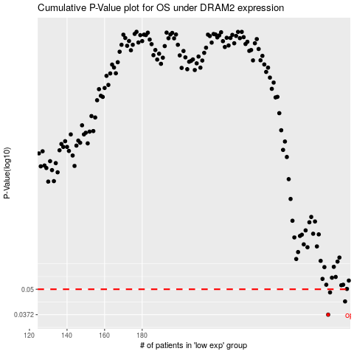

 |  |  |  |  |  | cases_OS | p_OS | rank | exp
 |  |  |  |  |  | 279 | 0.0372 | 45 | 0.11326485523
 |  |  |  |  |  | 288 | 0.0434 | 316 | 0.15305245474
 |  |  |  |  |  | 280 | 0.0482 | 158 | 0.12132509267
 |  |  |  |  |  |  | cases_RFS | p_RFS | rank | exp
 |  |  |  |  |  |  | 278 | 0.0372 | 344 | 0.11037177331
 |  |  |  |  |  |  | 287 | 0.0434 | 82 | 0.14674382162
 |  |  |  |  |  |  | 279 | 0.0482 | 45 | 0.11326485523

