DSCAM _multivariate
Reported by Tex Li-Hsing Chi. tex@gate.sinica.edu.tw 2019-08-20

Table 2. The clinicopathological features of HNSCC cohort and DSCAM expression. (Chi square test)
Cutoff at -0.033 (68.1%)
 |  | DSCAM expression |  | DSCAM expression |  | (Optimised)
 | Features | Low | (%) | High | (%) | Case no | P-value | Remark | Matthews
Gender | Female | 211 | 50.8 | 95 | 22.9 | 415 | 0.6611 | 0 | 0
2 | Male | 72 | 17.3 | 37 | 8.9
Age at diagnosis | <=65y | 190 | 45.8 | 84 | 20.2 | 415 | 0.5551 | 0 | 0
4 | >65y | 93 | 22.4 | 48 | 11.6
Clinical T Status | T1+T2 | 101 | 24.3 | 48 | 11.6 | 415 | 0.9812 | 0 | 0
6 | T3+T4 | 182 | 43.9 | 84 | 20.2
Clinical N Status | N0 | 152 | 36.6 | 64 | 15.4 | 415 | 0.3751 | 0 | 0
8 | N1-3 | 131 | 31.6 | 68 | 16.4
Clinical M Status | M0 | 281 | 67.7 | 131 | 31.6 | 415 | 1 | 0 | 0
10 | M1 | 2 | 0.5 | 1 | 0.2
Clinical Stage | Stage I+II | 68 | 16.4 | 34 | 8.2 | 415 | 0.7959 | 0 | 0
12 | Stage III+IV | 215 | 51.8 | 98 | 23.6
Surgical Margin status | Negative | 215 | 51.8 | 103 | 24.8 | 415 | 0.7093 | 0 | 0
14 | Positive | 68 | 16.4 | 29 | 7
Tobacco Exposure | Low | 104 | 25.1 | 57 | 13.7 | 415 | 0.2345 | 0 | 0
16 | High | 179 | 43.1 | 75 | 18.1

Table 3. Univariate/Multivariate Cox's proportional hazards regression analyses on OS time of DSCAM gene expression in HNSCC

 |  | Univariate |  |  |  | Multivariate
 | Features | HR | CI95%(L) | CI95%(H) | P-value | HR | CI95%(L) | CI95%(H) | P-value
1 | Female | 1 |  |  |  | 1
Gender | Male | 1.157 | 0.843 | 1.587 | 0.367 | 1.179 | 0.843 | 1.65 | 0.337
11 | <=65y | 1 |  |  |  | 1
Age at diagnosis | >65y | 1.329 | 0.99 | 1.784 | 0.058 | 1.385 | 1.018 | 1.884 | 0.038
12 | T1+T2 | 1 |  |  |  | 1
Clinical T Status | T3+T4 | 1.409 | 1.028 | 1.931 | 0.033 | 2.192 | 1.161 | 4.14 | 0.016
13 | N0 | 1 |  |  |  | 1
Clinical N Status | N1-3 | 1.185 | 0.89 | 1.577 | 0.246 | 1.219 | 0.854 | 1.738 | 0.275
14 | M0 | 1 |  |  |  | 1
Clinical M Status | M1 | 4.097 | 1.009 | 16.644 | 0.049 | 8.902 | 1.941 | 40.827 | 0.005
15 | Stage I+II | 1 |  |  |  | 1
Clinical Stage | Stage III+IV | 1.245 | 0.882 | 1.759 | 0.213 | 0.545 | 0.253 | 1.172 | 0.12
16 | Negative | 1 |  |  |  | 1
Surgical Margin status | Positive | 1.591 | 1.155 | 2.191 | 0.004 | 1.674 | 1.213 | 2.31 | 0.002
17 | Low | 1 |  |  |  | 1
Tobacco Exposure | High | 1.364 | 1.008 | 1.844 | 0.044 | 1.497 | 1.084 | 2.068 | 0.014
18 | Low | 1 |  |  |  | 1
RNAseq(z-score) | High | 1.586 | 1.176 | 2.138 | 0.002 | 1.635 | 1.207 | 2.215 | 0.001

Table 4. Univariate/Multivariate Cox's proportional hazards regression analyses on RFS time of DSCAM gene expression in HNSCC

 |  | Univariate |  |  |  | Multivariate
 | Features | HR | CI95%(L) | CI95%(H) | P-value | HR | CI95%(L) | CI95%(H) | P-value
1 | Female | 1 |  |  |  | 1
Gender | Male | 1.157 | 0.843 | 1.587 | 0.367 | 1.179 | 0.843 | 1.65 | 0.337
11 | <=65y | 1 |  |  |  | 1
Age at diagnosis | >65y | 1.329 | 0.99 | 1.784 | 0.058 | 1.385 | 1.018 | 1.884 | 0.038
12 | T1+T2 | 1 |  |  |  | 1
Clinical T Status | T3+T4 | 1.409 | 1.028 | 1.931 | 0.033 | 2.192 | 1.161 | 4.14 | 0.016
13 | N0 | 1 |  |  |  | 1
Clinical N Status | N1-3 | 1.185 | 0.89 | 1.577 | 0.246 | 1.219 | 0.854 | 1.738 | 0.275
14 | M0 | 1 |  |  |  | 1
Clinical M Status | M1 | 4.097 | 1.009 | 16.644 | 0.049 | 8.902 | 1.941 | 40.827 | 0.005
15 | Stage I+II | 1 |  |  |  | 1
Clinical Stage | Stage III+IV | 1.245 | 0.882 | 1.759 | 0.213 | 0.545 | 0.253 | 1.172 | 0.12
16 | Negative | 1 |  |  |  | 1
Surgical Margin status | Positive | 1.591 | 1.155 | 2.191 | 0.004 | 1.674 | 1.213 | 2.31 | 0.002
17 | Low | 1 |  |  |  | 1
Tobacco Exposure | High | 1.364 | 1.008 | 1.844 | 0.044 | 1.497 | 1.084 | 2.068 | 0.014
18 | Low | 1 |  |  |  | 1
RNAseq(z-score) | High | 1.586 | 1.176 | 2.138 | 0.002 | 1.635 | 1.207 | 2.215 | 0.001

Kaplan-Meier survival estimate: Cutoff at -0.033 (68.1%)

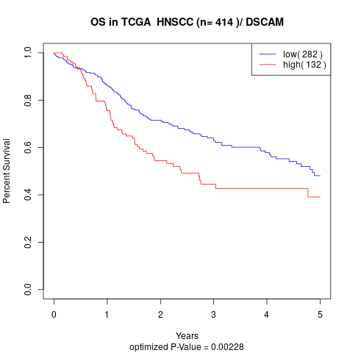

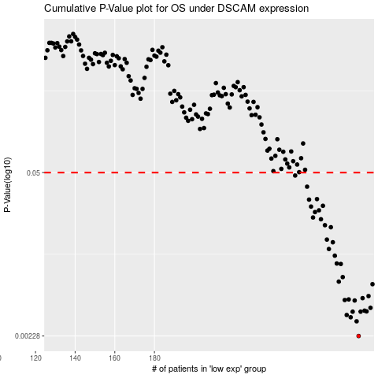

 |  |  |  |  |  | cases_OS | p_OS | rank | exp
 |  |  |  |  |  | 283 | 0.00228 | 2 | -0.032835113113
 |  |  |  |  |  | 282 | 0.00301 | 268 | -0.037293669412
 |  |  |  |  |  | 279 | 0.00325 | 256 | -0.051377045656
 |  |  |  |  |  | 277 | 0.00339 | 375 | -0.062902565339
 |  |  |  |  |  | 280 | 0.00361 | 48 | -0.047298629305
 |  |  |  |  |  | 284 | 0.00361 | 76 | -0.028111672064
 |  |  |  |  |  | 287 | 0.00363 | 202 | -0.0061848763732
 |  |  |  |  |  | 286 | 0.00368 | 306 | -0.007646797554
 |  |  |  |  |  | 289 | 0.00388 | 79 | 0.0011449497409
 |  |  |  |  |  | 281 | 0.00446 | 363 | -0.045972183531
 |  |  |  |  |  | 276 | 0.0045 | 158 | -0.063733615968
 |  |  |  |  |  | 278 | 0.00455 | 42 | -0.062415258278
 |  |  |  |  |  | 285 | 0.00466 | 336 | -0.027610210857
 |  |  |  |  |  | 288 | 0.00485 | 53 | -0.0043225950349
 |  |  |  |  |  | 290 | 0.00607 | 1 | 0.0080218431517
 |  |  |  |  |  | 273 | 0.00637 | 117 | -0.097329494833
 |  |  |  |  |  | 275 | 0.00694 | 321 | -0.072068386518
 |  |  |  |  |  | 274 | 0.00889 | 136 | -0.092179407354
 |  |  |  |  |  | 272 | 0.00897 | 189 | -0.10181029336
 |  |  |  |  |  | 271 | 0.0104 | 307 | -0.10618392478
 |  |  |  |  |  | 268 | 0.0118 | 43 | -0.11926640063
 |  |  |  |  |  | 270 | 0.0134 | 329 | -0.1071969573
 |  |  |  |  |  | 267 | 0.0141 | 16 | -0.13207792567
 |  |  |  |  |  | 269 | 0.0178 | 129 | -0.11917743171
 |  |  |  |  |  | 266 | 0.0185 | 327 | -0.13333966677
 |  |  |  |  |  | 264 | 0.0207 | 77 | -0.14383193372
 |  |  |  |  |  | 260 | 0.0214 | 211 | -0.18794636581
 |  |  |  |  |  | 261 | 0.0237 | 161 | -0.18078638946
 |  |  |  |  |  | 263 | 0.0245 | 269 | -0.14748370364
 |  |  |  |  |  | 259 | 0.0263 | 288 | -0.18907465353
 |  |  |  |  |  | 265 | 0.0267 | 195 | -0.1334387458
 |  |  |  |  |  | 258 | 0.03 | 312 | -0.1895720707
 |  |  |  |  |  | 262 | 0.0303 | 234 | -0.14831071023
 |  |  |  |  |  | 257 | 0.0383 | 130 | -0.18966103962
 |  |  |  |  |  | 251 | 0.0473 | 107 | -0.2332355921
 |  |  |  |  |  |  | cases_RFS | p_RFS | rank | exp
 |  |  |  |  |  |  | 282 | 0.00228 | 268 | -0.037293669412
 |  |  |  |  |  |  | 281 | 0.00301 | 363 | -0.045972183531
 |  |  |  |  |  |  | 278 | 0.00325 | 42 | -0.062415258278
 |  |  |  |  |  |  | 276 | 0.00339 | 158 | -0.063733615968
 |  |  |  |  |  |  | 283 | 0.00361 | 2 | -0.032835113113
 |  |  |  |  |  |  | 279 | 0.00361 | 256 | -0.051377045656
 |  |  |  |  |  |  | 286 | 0.00363 | 306 | -0.007646797554
 |  |  |  |  |  |  | 285 | 0.00368 | 336 | -0.027610210857
 |  |  |  |  |  |  | 288 | 0.00388 | 53 | -0.0043225950349
 |  |  |  |  |  |  | 280 | 0.00446 | 48 | -0.047298629305
 |  |  |  |  |  |  | 275 | 0.0045 | 321 | -0.072068386518
 |  |  |  |  |  |  | 277 | 0.00455 | 375 | -0.062902565339
 |  |  |  |  |  |  | 284 | 0.00466 | 76 | -0.028111672064
 |  |  |  |  |  |  | 287 | 0.00485 | 202 | -0.0061848763732
 |  |  |  |  |  |  | 289 | 0.00607 | 79 | 0.0011449497409
 |  |  |  |  |  |  | 272 | 0.00637 | 189 | -0.10181029336
 |  |  |  |  |  |  | 274 | 0.00694 | 136 | -0.092179407354
 |  |  |  |  |  |  | 273 | 0.00889 | 117 | -0.097329494833
 |  |  |  |  |  |  | 271 | 0.00897 | 307 | -0.10618392478
 |  |  |  |  |  |  | 270 | 0.0104 | 329 | -0.1071969573
 |  |  |  |  |  |  | 267 | 0.0118 | 16 | -0.13207792567
 |  |  |  |  |  |  | 269 | 0.0134 | 129 | -0.11917743171
 |  |  |  |  |  |  | 266 | 0.0141 | 327 | -0.13333966677
 |  |  |  |  |  |  | 268 | 0.0178 | 43 | -0.11926640063
 |  |  |  |  |  |  | 265 | 0.0185 | 195 | -0.1334387458
 |  |  |  |  |  |  | 263 | 0.0207 | 269 | -0.14748370364
 |  |  |  |  |  |  | 259 | 0.0214 | 288 | -0.18907465353
 |  |  |  |  |  |  | 260 | 0.0237 | 211 | -0.18794636581
 |  |  |  |  |  |  | 262 | 0.0245 | 234 | -0.14831071023
 |  |  |  |  |  |  | 258 | 0.0263 | 312 | -0.1895720707
 |  |  |  |  |  |  | 264 | 0.0267 | 77 | -0.14383193372
 |  |  |  |  |  |  | 257 | 0.03 | 130 | -0.18966103962
 |  |  |  |  |  |  | 261 | 0.0303 | 161 | -0.18078638946
 |  |  |  |  |  |  | 256 | 0.0383 | 190 | -0.19622451977
 |  |  |  |  |  |  | 250 | 0.0473 | 122 | -0.23348632271

