DSCC1 _multivariate
Reported by Tex Li-Hsing Chi. tex@gate.sinica.edu.tw 2019-08-20

Table 2. The clinicopathological features of HNSCC cohort and DSCC1 expression. (Chi square test)
Cutoff at -0.169 (49.8%)
 |  | DSCC1 expression |  | DSCC1 expression |  | (Optimised)
 | Features | Low | (%) | High | (%) | Case no | P-value | Remark | Matthews
Gender | Female | 143 | 34.5 | 163 | 39.3 | 415 | 0.0416 | 1 | 0
2 | Male | 64 | 15.4 | 45 | 10.8
Age at diagnosis | <=65y | 132 | 31.8 | 142 | 34.2 | 415 | 0.3874 | 0 | 0
4 | >65y | 75 | 18.1 | 66 | 15.9
Clinical T Status | T1+T2 | 74 | 17.8 | 75 | 18.1 | 415 | 1 | 0 | 0
6 | T3+T4 | 133 | 32 | 133 | 32
Clinical N Status | N0 | 120 | 28.9 | 96 | 23.1 | 415 | 0.0208 | 1 | 0
8 | N1-3 | 87 | 21 | 112 | 27
Clinical M Status | M0 | 207 | 49.9 | 205 | 49.4 | 415 | 0.2482 | 0 | 0
10 | M1 | 0 | 0 | 3 | 0.7
Clinical Stage | Stage I+II | 56 | 13.5 | 46 | 11.1 | 415 | 0.2918 | 0 | 0
12 | Stage III+IV | 151 | 36.4 | 162 | 39
Surgical Margin status | Negative | 167 | 40.2 | 151 | 36.4 | 415 | 0.0632 | 0 | 0
14 | Positive | 40 | 9.6 | 57 | 13.7
Tobacco Exposure | Low | 96 | 23.1 | 65 | 15.7 | 415 | 0.0018 | 1 | 0
16 | High | 111 | 26.7 | 143 | 34.5

Table 3. Univariate/Multivariate Cox's proportional hazards regression analyses on OS time of DSCC1 gene expression in HNSCC

 |  | Univariate |  |  |  | Multivariate
 | Features | HR | CI95%(L) | CI95%(H) | P-value | HR | CI95%(L) | CI95%(H) | P-value
1 | Female | 1 |  |  |  | 1
Gender | Male | 1.157 | 0.843 | 1.587 | 0.367 | 1.206 | 0.863 | 1.687 | 0.272
11 | <=65y | 1 |  |  |  | 1
Age at diagnosis | >65y | 1.329 | 0.99 | 1.784 | 0.058 | 1.39 | 1.023 | 1.889 | 0.035
12 | T1+T2 | 1 |  |  |  | 1
Clinical T Status | T3+T4 | 1.409 | 1.028 | 1.931 | 0.033 | 2.211 | 1.169 | 4.18 | 0.015
13 | N0 | 1 |  |  |  | 1
Clinical N Status | N1-3 | 1.185 | 0.89 | 1.577 | 0.246 | 1.231 | 0.861 | 1.759 | 0.254
14 | M0 | 1 |  |  |  | 1
Clinical M Status | M1 | 4.097 | 1.009 | 16.644 | 0.049 | 9.155 | 1.988 | 42.157 | 0.004
15 | Stage I+II | 1 |  |  |  | 1
Clinical Stage | Stage III+IV | 1.245 | 0.882 | 1.759 | 0.213 | 0.506 | 0.236 | 1.087 | 0.081
16 | Negative | 1 |  |  |  | 1
Surgical Margin status | Positive | 1.591 | 1.155 | 2.191 | 0.004 | 1.659 | 1.199 | 2.296 | 0.002
17 | Low | 1 |  |  |  | 1
Tobacco Exposure | High | 1.364 | 1.008 | 1.844 | 0.044 | 1.435 | 1.037 | 1.986 | 0.029
18 | Low | 1 |  |  |  | 1
RNAseq(z-score) | High | 1.168 | 0.875 | 1.557 | 0.292 | 1.069 | 0.793 | 1.44 | 0.661

Table 4. Univariate/Multivariate Cox's proportional hazards regression analyses on RFS time of DSCC1 gene expression in HNSCC

 |  | Univariate |  |  |  | Multivariate
 | Features | HR | CI95%(L) | CI95%(H) | P-value | HR | CI95%(L) | CI95%(H) | P-value
1 | Female | 1 |  |  |  | 1
Gender | Male | 1.157 | 0.843 | 1.587 | 0.367 | 1.206 | 0.863 | 1.687 | 0.272
11 | <=65y | 1 |  |  |  | 1
Age at diagnosis | >65y | 1.329 | 0.99 | 1.784 | 0.058 | 1.39 | 1.023 | 1.889 | 0.035
12 | T1+T2 | 1 |  |  |  | 1
Clinical T Status | T3+T4 | 1.409 | 1.028 | 1.931 | 0.033 | 2.211 | 1.169 | 4.18 | 0.015
13 | N0 | 1 |  |  |  | 1
Clinical N Status | N1-3 | 1.185 | 0.89 | 1.577 | 0.246 | 1.231 | 0.861 | 1.759 | 0.254
14 | M0 | 1 |  |  |  | 1
Clinical M Status | M1 | 4.097 | 1.009 | 16.644 | 0.049 | 9.155 | 1.988 | 42.157 | 0.004
15 | Stage I+II | 1 |  |  |  | 1
Clinical Stage | Stage III+IV | 1.245 | 0.882 | 1.759 | 0.213 | 0.506 | 0.236 | 1.087 | 0.081
16 | Negative | 1 |  |  |  | 1
Surgical Margin status | Positive | 1.591 | 1.155 | 2.191 | 0.004 | 1.659 | 1.199 | 2.296 | 0.002
17 | Low | 1 |  |  |  | 1
Tobacco Exposure | High | 1.364 | 1.008 | 1.844 | 0.044 | 1.435 | 1.037 | 1.986 | 0.029
18 | Low | 1 |  |  |  | 1
RNAseq(z-score) | High | 1.168 | 0.875 | 1.557 | 0.292 | 1.069 | 0.793 | 1.44 | 0.661

Kaplan-Meier survival estimate: Cutoff at -0.169 (49.8%)



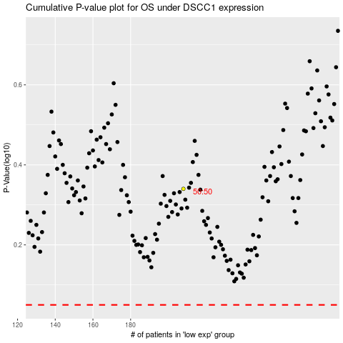

 |  |  |  |  |  | cases_OS | p_OS | rank | exp
 |  |  |  |  |  |  | cases_RFS | p_RFS | rank | exp

