DSCR6 _multivariate
Reported by Tex Li-Hsing Chi. tex@gate.sinica.edu.tw 2019-08-20

Table 2. The clinicopathological features of HNSCC cohort and DSCR6 expression. (Chi square test)
Cutoff at -0.39 (49.8%)
 |  | DSCR6 expression |  | DSCR6 expression |  | (Optimised)
 | Features | Low | (%) | High | (%) | Case no | P-value | Remark | Matthews
Gender | Female | 144 | 34.7 | 162 | 39 | 415 | 0.0697 | 0 | 0
2 | Male | 63 | 15.2 | 46 | 11.1
Age at diagnosis | <=65y | 133 | 32 | 141 | 34 | 415 | 0.5111 | 0 | 0
4 | >65y | 74 | 17.8 | 67 | 16.1
Clinical T Status | T1+T2 | 71 | 17.1 | 78 | 18.8 | 415 | 0.5638 | 0 | 0
6 | T3+T4 | 136 | 32.8 | 130 | 31.3
Clinical N Status | N0 | 114 | 27.5 | 102 | 24.6 | 415 | 0.2576 | 1 | 0
8 | N1-3 | 93 | 22.4 | 106 | 25.5
Clinical M Status | M0 | 205 | 49.4 | 207 | 49.9 | 415 | 0.6232 | 0 | 0
10 | M1 | 2 | 0.5 | 1 | 0.2
Clinical Stage | Stage I+II | 51 | 12.3 | 51 | 12.3 | 415 | 1 | 0 | 0
12 | Stage III+IV | 156 | 37.6 | 157 | 37.8
Surgical Margin status | Negative | 166 | 40 | 152 | 36.6 | 415 | 0.1042 | 0 | 0
14 | Positive | 41 | 9.9 | 56 | 13.5
Tobacco Exposure | Low | 98 | 23.6 | 63 | 15.2 | 415 | 4e-04 | 1 | 0
16 | High | 109 | 26.3 | 145 | 34.9

Table 3. Univariate/Multivariate Cox's proportional hazards regression analyses on OS time of DSCR6 gene expression in HNSCC

 |  | Univariate |  |  |  | Multivariate
 | Features | HR | CI95%(L) | CI95%(H) | P-value | HR | CI95%(L) | CI95%(H) | P-value
1 | Female | 1 |  |  |  | 1
Gender | Male | 1.157 | 0.843 | 1.587 | 0.367 | 1.206 | 0.862 | 1.686 | 0.274
11 | <=65y | 1 |  |  |  | 1
Age at diagnosis | >65y | 1.329 | 0.99 | 1.784 | 0.058 | 1.391 | 1.023 | 1.891 | 0.035
12 | T1+T2 | 1 |  |  |  | 1
Clinical T Status | T3+T4 | 1.409 | 1.028 | 1.931 | 0.033 | 2.209 | 1.167 | 4.178 | 0.015
13 | N0 | 1 |  |  |  | 1
Clinical N Status | N1-3 | 1.185 | 0.89 | 1.577 | 0.246 | 1.239 | 0.868 | 1.768 | 0.238
14 | M0 | 1 |  |  |  | 1
Clinical M Status | M1 | 4.097 | 1.009 | 16.644 | 0.049 | 9.545 | 2.073 | 43.949 | 0.004
15 | Stage I+II | 1 |  |  |  | 1
Clinical Stage | Stage III+IV | 1.245 | 0.882 | 1.759 | 0.213 | 0.504 | 0.235 | 1.082 | 0.079
16 | Negative | 1 |  |  |  | 1
Surgical Margin status | Positive | 1.591 | 1.155 | 2.191 | 0.004 | 1.661 | 1.198 | 2.304 | 0.002
17 | Low | 1 |  |  |  | 1
Tobacco Exposure | High | 1.364 | 1.008 | 1.844 | 0.044 | 1.441 | 1.038 | 1.999 | 0.029
18 | Low | 1 |  |  |  | 1
RNAseq(z-score) | High | 1.118 | 0.838 | 1.492 | 0.447 | 1.039 | 0.769 | 1.403 | 0.805

Table 4. Univariate/Multivariate Cox's proportional hazards regression analyses on RFS time of DSCR6 gene expression in HNSCC

 |  | Univariate |  |  |  | Multivariate
 | Features | HR | CI95%(L) | CI95%(H) | P-value | HR | CI95%(L) | CI95%(H) | P-value
1 | Female | 1 |  |  |  | 1
Gender | Male | 1.157 | 0.843 | 1.587 | 0.367 | 1.206 | 0.862 | 1.686 | 0.274
11 | <=65y | 1 |  |  |  | 1
Age at diagnosis | >65y | 1.329 | 0.99 | 1.784 | 0.058 | 1.391 | 1.023 | 1.891 | 0.035
12 | T1+T2 | 1 |  |  |  | 1
Clinical T Status | T3+T4 | 1.409 | 1.028 | 1.931 | 0.033 | 2.209 | 1.167 | 4.178 | 0.015
13 | N0 | 1 |  |  |  | 1
Clinical N Status | N1-3 | 1.185 | 0.89 | 1.577 | 0.246 | 1.239 | 0.868 | 1.768 | 0.238
14 | M0 | 1 |  |  |  | 1
Clinical M Status | M1 | 4.097 | 1.009 | 16.644 | 0.049 | 9.545 | 2.073 | 43.949 | 0.004
15 | Stage I+II | 1 |  |  |  | 1
Clinical Stage | Stage III+IV | 1.245 | 0.882 | 1.759 | 0.213 | 0.504 | 0.235 | 1.082 | 0.079
16 | Negative | 1 |  |  |  | 1
Surgical Margin status | Positive | 1.591 | 1.155 | 2.191 | 0.004 | 1.661 | 1.198 | 2.304 | 0.002
17 | Low | 1 |  |  |  | 1
Tobacco Exposure | High | 1.364 | 1.008 | 1.844 | 0.044 | 1.441 | 1.038 | 1.999 | 0.029
18 | Low | 1 |  |  |  | 1
RNAseq(z-score) | High | 1.118 | 0.838 | 1.492 | 0.447 | 1.039 | 0.769 | 1.403 | 0.805

Kaplan-Meier survival estimate: Cutoff at -0.39 (49.8%)



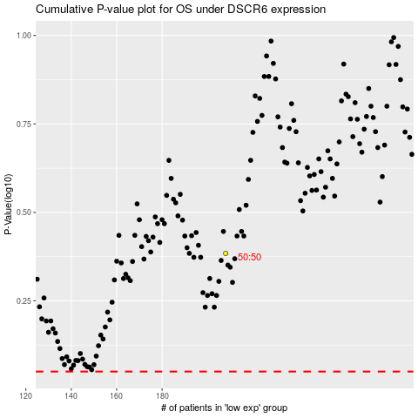

 |  |  |  |  |  | cases_OS | p_OS | rank | exp
 |  |  |  |  |  |  | cases_RFS | p_RFS | rank | exp

