DSCR9 _multivariate
Reported by Tex Li-Hsing Chi. tex@gate.sinica.edu.tw 2019-08-20

Table 2. The clinicopathological features of HNSCC cohort and DSCR9 expression. (Chi square test)
Cutoff at -0.282 (49.8%)
 |  | DSCR9 expression |  | DSCR9 expression |  | (Optimised)
 | Features | Low | (%) | High | (%) | Case no | P-value | Remark | Matthews
Gender | Female | 140 | 33.7 | 166 | 40 | 415 | 0.0068 | 1 | 0
2 | Male | 67 | 16.1 | 42 | 10.1
Age at diagnosis | <=65y | 127 | 30.6 | 147 | 35.4 | 415 | 0.0573 | 0 | 0
4 | >65y | 80 | 19.3 | 61 | 14.7
Clinical T Status | T1+T2 | 87 | 21 | 62 | 14.9 | 415 | 0.0127 | 1 | 0
6 | T3+T4 | 120 | 28.9 | 146 | 35.2
Clinical N Status | N0 | 118 | 28.4 | 98 | 23.6 | 415 | 0.0551 | 1 | 0
8 | N1-3 | 89 | 21.4 | 110 | 26.5
Clinical M Status | M0 | 206 | 49.6 | 206 | 49.6 | 415 | 1 | 0 | 0
10 | M1 | 1 | 0.2 | 2 | 0.5
Clinical Stage | Stage I+II | 68 | 16.4 | 34 | 8.2 | 415 | 2e-04 | 1 | 0
12 | Stage III+IV | 139 | 33.5 | 174 | 41.9
Surgical Margin status | Negative | 165 | 39.8 | 153 | 36.9 | 415 | 0.1639 | 0 | 0
14 | Positive | 42 | 10.1 | 55 | 13.3
Tobacco Exposure | Low | 91 | 21.9 | 70 | 16.9 | 415 | 0.0346 | 1 | 0
16 | High | 116 | 28 | 138 | 33.3

Table 3. Univariate/Multivariate Cox's proportional hazards regression analyses on OS time of DSCR9 gene expression in HNSCC

 |  | Univariate |  |  |  | Multivariate
 | Features | HR | CI95%(L) | CI95%(H) | P-value | HR | CI95%(L) | CI95%(H) | P-value
1 | Female | 1 |  |  |  | 1
Gender | Male | 1.157 | 0.843 | 1.587 | 0.367 | 1.189 | 0.849 | 1.666 | 0.313
11 | <=65y | 1 |  |  |  | 1
Age at diagnosis | >65y | 1.329 | 0.99 | 1.784 | 0.058 | 1.385 | 1.018 | 1.884 | 0.038
12 | T1+T2 | 1 |  |  |  | 1
Clinical T Status | T3+T4 | 1.409 | 1.028 | 1.931 | 0.033 | 2.206 | 1.167 | 4.171 | 0.015
13 | N0 | 1 |  |  |  | 1
Clinical N Status | N1-3 | 1.185 | 0.89 | 1.577 | 0.246 | 1.247 | 0.873 | 1.779 | 0.225
14 | M0 | 1 |  |  |  | 1
Clinical M Status | M1 | 4.097 | 1.009 | 16.644 | 0.049 | 9.415 | 2.054 | 43.158 | 0.004
15 | Stage I+II | 1 |  |  |  | 1
Clinical Stage | Stage III+IV | 1.245 | 0.882 | 1.759 | 0.213 | 0.512 | 0.238 | 1.102 | 0.087
16 | Negative | 1 |  |  |  | 1
Surgical Margin status | Positive | 1.591 | 1.155 | 2.191 | 0.004 | 1.678 | 1.214 | 2.32 | 0.002
17 | Low | 1 |  |  |  | 1
Tobacco Exposure | High | 1.364 | 1.008 | 1.844 | 0.044 | 1.457 | 1.057 | 2.008 | 0.022
18 | Low | 1 |  |  |  | 1
RNAseq(z-score) | High | 0.964 | 0.723 | 1.285 | 0.803 | 0.928 | 0.687 | 1.254 | 0.627

Table 4. Univariate/Multivariate Cox's proportional hazards regression analyses on RFS time of DSCR9 gene expression in HNSCC

 |  | Univariate |  |  |  | Multivariate
 | Features | HR | CI95%(L) | CI95%(H) | P-value | HR | CI95%(L) | CI95%(H) | P-value
1 | Female | 1 |  |  |  | 1
Gender | Male | 1.157 | 0.843 | 1.587 | 0.367 | 1.189 | 0.849 | 1.666 | 0.313
11 | <=65y | 1 |  |  |  | 1
Age at diagnosis | >65y | 1.329 | 0.99 | 1.784 | 0.058 | 1.385 | 1.018 | 1.884 | 0.038
12 | T1+T2 | 1 |  |  |  | 1
Clinical T Status | T3+T4 | 1.409 | 1.028 | 1.931 | 0.033 | 2.206 | 1.167 | 4.171 | 0.015
13 | N0 | 1 |  |  |  | 1
Clinical N Status | N1-3 | 1.185 | 0.89 | 1.577 | 0.246 | 1.247 | 0.873 | 1.779 | 0.225
14 | M0 | 1 |  |  |  | 1
Clinical M Status | M1 | 4.097 | 1.009 | 16.644 | 0.049 | 9.415 | 2.054 | 43.158 | 0.004
15 | Stage I+II | 1 |  |  |  | 1
Clinical Stage | Stage III+IV | 1.245 | 0.882 | 1.759 | 0.213 | 0.512 | 0.238 | 1.102 | 0.087
16 | Negative | 1 |  |  |  | 1
Surgical Margin status | Positive | 1.591 | 1.155 | 2.191 | 0.004 | 1.678 | 1.214 | 2.32 | 0.002
17 | Low | 1 |  |  |  | 1
Tobacco Exposure | High | 1.364 | 1.008 | 1.844 | 0.044 | 1.457 | 1.057 | 2.008 | 0.022
18 | Low | 1 |  |  |  | 1
RNAseq(z-score) | High | 0.964 | 0.723 | 1.285 | 0.803 | 0.928 | 0.687 | 1.254 | 0.627

Kaplan-Meier survival estimate: Cutoff at -0.282 (49.8%)



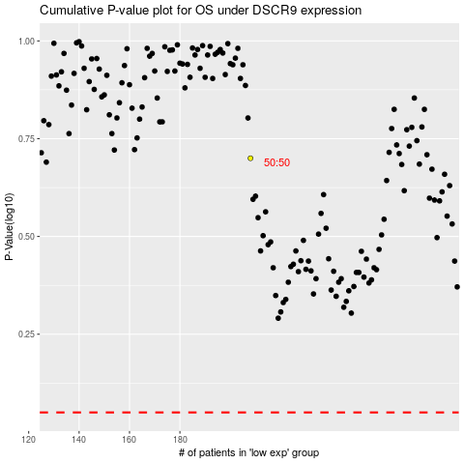

 |  |  |  |  |  | cases_OS | p_OS | rank | exp
 |  |  |  |  |  |  | cases_RFS | p_RFS | rank | exp

