DSG3 _multivariate
Reported by Tex Li-Hsing Chi. tex@gate.sinica.edu.tw 2019-08-20

Table 2. The clinicopathological features of HNSCC cohort and DSG3 expression. (Chi square test)
Cutoff at -0.281 (50.0%)
 |  | DSG3 expression |  | DSG3 expression |  | (Optimised)
 | Features | Low | (%) | High | (%) | Case no | P-value | Remark | Matthews
Gender | Female | 165 | 39.8 | 141 | 34 | 415 | 0.0081 | 1 | 0
2 | Male | 42 | 10.1 | 67 | 16.1
Age at diagnosis | <=65y | 138 | 33.3 | 136 | 32.8 | 415 | 0.8634 | 0 | 0
4 | >65y | 69 | 16.6 | 72 | 17.3
Clinical T Status | T1+T2 | 80 | 19.3 | 69 | 16.6 | 415 | 0.2891 | 0 | 0
6 | T3+T4 | 127 | 30.6 | 139 | 33.5
Clinical N Status | N0 | 100 | 24.1 | 116 | 28 | 415 | 0.1548 | 0 | 0
8 | N1-3 | 107 | 25.8 | 92 | 22.2
Clinical M Status | M0 | 206 | 49.6 | 206 | 49.6 | 415 | 1 | 0 | 0
10 | M1 | 1 | 0.2 | 2 | 0.5
Clinical Stage | Stage I+II | 51 | 12.3 | 51 | 12.3 | 415 | 1 | 0 | 0
12 | Stage III+IV | 156 | 37.6 | 157 | 37.8
Surgical Margin status | Negative | 147 | 35.4 | 171 | 41.2 | 415 | 0.0077 | 1 | 0
14 | Positive | 60 | 14.5 | 37 | 8.9
Tobacco Exposure | Low | 70 | 16.9 | 91 | 21.9 | 415 | 0.0439 | 1 | 0
16 | High | 137 | 33 | 117 | 28.2

Table 3. Univariate/Multivariate Cox's proportional hazards regression analyses on OS time of DSG3 gene expression in HNSCC

 |  | Univariate |  |  |  | Multivariate
 | Features | HR | CI95%(L) | CI95%(H) | P-value | HR | CI95%(L) | CI95%(H) | P-value
1 | Female | 1 |  |  |  | 1
Gender | Male | 1.157 | 0.843 | 1.587 | 0.367 | 1.194 | 0.851 | 1.675 | 0.304
11 | <=65y | 1 |  |  |  | 1
Age at diagnosis | >65y | 1.329 | 0.99 | 1.784 | 0.058 | 1.397 | 1.026 | 1.902 | 0.034
12 | T1+T2 | 1 |  |  |  | 1
Clinical T Status | T3+T4 | 1.409 | 1.028 | 1.931 | 0.033 | 2.198 | 1.162 | 4.157 | 0.015
13 | N0 | 1 |  |  |  | 1
Clinical N Status | N1-3 | 1.185 | 0.89 | 1.577 | 0.246 | 1.247 | 0.872 | 1.784 | 0.227
14 | M0 | 1 |  |  |  | 1
Clinical M Status | M1 | 4.097 | 1.009 | 16.644 | 0.049 | 9.263 | 2.01 | 42.699 | 0.004
15 | Stage I+II | 1 |  |  |  | 1
Clinical Stage | Stage III+IV | 1.245 | 0.882 | 1.759 | 0.213 | 0.504 | 0.235 | 1.083 | 0.079
16 | Negative | 1 |  |  |  | 1
Surgical Margin status | Positive | 1.591 | 1.155 | 2.191 | 0.004 | 1.679 | 1.212 | 2.325 | 0.002
17 | Low | 1 |  |  |  | 1
Tobacco Exposure | High | 1.364 | 1.008 | 1.844 | 0.044 | 1.454 | 1.055 | 2.004 | 0.022
18 | Low | 1 |  |  |  | 1
RNAseq(z-score) | High | 0.999 | 0.75 | 1.33 | 0.992 | 1.035 | 0.769 | 1.393 | 0.819

Table 4. Univariate/Multivariate Cox's proportional hazards regression analyses on RFS time of DSG3 gene expression in HNSCC

 |  | Univariate |  |  |  | Multivariate
 | Features | HR | CI95%(L) | CI95%(H) | P-value | HR | CI95%(L) | CI95%(H) | P-value
1 | Female | 1 |  |  |  | 1
Gender | Male | 1.157 | 0.843 | 1.587 | 0.367 | 1.194 | 0.851 | 1.675 | 0.304
11 | <=65y | 1 |  |  |  | 1
Age at diagnosis | >65y | 1.329 | 0.99 | 1.784 | 0.058 | 1.397 | 1.026 | 1.902 | 0.034
12 | T1+T2 | 1 |  |  |  | 1
Clinical T Status | T3+T4 | 1.409 | 1.028 | 1.931 | 0.033 | 2.198 | 1.162 | 4.157 | 0.015
13 | N0 | 1 |  |  |  | 1
Clinical N Status | N1-3 | 1.185 | 0.89 | 1.577 | 0.246 | 1.247 | 0.872 | 1.784 | 0.227
14 | M0 | 1 |  |  |  | 1
Clinical M Status | M1 | 4.097 | 1.009 | 16.644 | 0.049 | 9.263 | 2.01 | 42.699 | 0.004
15 | Stage I+II | 1 |  |  |  | 1
Clinical Stage | Stage III+IV | 1.245 | 0.882 | 1.759 | 0.213 | 0.504 | 0.235 | 1.083 | 0.079
16 | Negative | 1 |  |  |  | 1
Surgical Margin status | Positive | 1.591 | 1.155 | 2.191 | 0.004 | 1.679 | 1.212 | 2.325 | 0.002
17 | Low | 1 |  |  |  | 1
Tobacco Exposure | High | 1.364 | 1.008 | 1.844 | 0.044 | 1.454 | 1.055 | 2.004 | 0.022
18 | Low | 1 |  |  |  | 1
RNAseq(z-score) | High | 0.999 | 0.75 | 1.33 | 0.992 | 1.035 | 0.769 | 1.393 | 0.819

Kaplan-Meier survival estimate: Cutoff at -0.281 (50.0%)



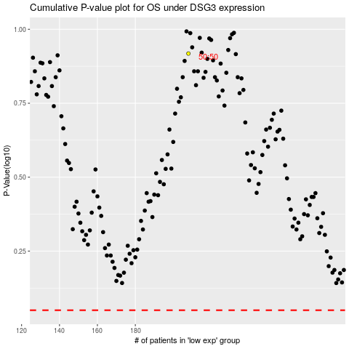

 |  |  |  |  |  | cases_OS | p_OS | rank | exp
 |  |  |  |  |  |  | cases_RFS | p_RFS | rank | exp

