DSG4 _multivariate
Reported by Tex Li-Hsing Chi. tex@gate.sinica.edu.tw 2019-08-20

Table 2. The clinicopathological features of HNSCC cohort and DSG4 expression. (Chi square test)
Cutoff at -0.123 (49.8%)
 |  | DSG4 expression |  | DSG4 expression |  | (Optimised)
 | Features | Low | (%) | High | (%) | Case no | P-value | Remark | Matthews
Gender | Female | 165 | 39.8 | 141 | 34 | 415 | 0.0081 | 1 | 0
2 | Male | 42 | 10.1 | 67 | 16.1
Age at diagnosis | <=65y | 151 | 36.4 | 123 | 29.6 | 415 | 0.0041 | 1 | 0
4 | >65y | 56 | 13.5 | 85 | 20.5
Clinical T Status | T1+T2 | 82 | 19.8 | 67 | 16.1 | 415 | 0.1417 | 0 | 0
6 | T3+T4 | 125 | 30.1 | 141 | 34
Clinical N Status | N0 | 99 | 23.9 | 117 | 28.2 | 415 | 0.1054 | 0 | 0
8 | N1-3 | 108 | 26 | 91 | 21.9
Clinical M Status | M0 | 207 | 49.9 | 205 | 49.4 | 415 | 0.2482 | 0 | 0
10 | M1 | 0 | 0 | 3 | 0.7
Clinical Stage | Stage I+II | 54 | 13 | 48 | 11.6 | 415 | 0.5498 | 0 | 0
12 | Stage III+IV | 153 | 36.9 | 160 | 38.6
Surgical Margin status | Negative | 148 | 35.7 | 170 | 41 | 415 | 0.015 | 1 | 0
14 | Positive | 59 | 14.2 | 38 | 9.2
Tobacco Exposure | Low | 80 | 19.3 | 81 | 19.5 | 415 | 1 | 0 | 0
16 | High | 127 | 30.6 | 127 | 30.6

Table 3. Univariate/Multivariate Cox's proportional hazards regression analyses on OS time of DSG4 gene expression in HNSCC

 |  | Univariate |  |  |  | Multivariate
 | Features | HR | CI95%(L) | CI95%(H) | P-value | HR | CI95%(L) | CI95%(H) | P-value
1 | Female | 1 |  |  |  | 1
Gender | Male | 1.157 | 0.843 | 1.587 | 0.367 | 1.221 | 0.871 | 1.711 | 0.246
11 | <=65y | 1 |  |  |  | 1
Age at diagnosis | >65y | 1.329 | 0.99 | 1.784 | 0.058 | 1.409 | 1.035 | 1.919 | 0.029
12 | T1+T2 | 1 |  |  |  | 1
Clinical T Status | T3+T4 | 1.409 | 1.028 | 1.931 | 0.033 | 2.248 | 1.186 | 4.261 | 0.013
13 | N0 | 1 |  |  |  | 1
Clinical N Status | N1-3 | 1.185 | 0.89 | 1.577 | 0.246 | 1.238 | 0.868 | 1.766 | 0.239
14 | M0 | 1 |  |  |  | 1
Clinical M Status | M1 | 4.097 | 1.009 | 16.644 | 0.049 | 10.174 | 2.185 | 47.366 | 0.003
15 | Stage I+II | 1 |  |  |  | 1
Clinical Stage | Stage III+IV | 1.245 | 0.882 | 1.759 | 0.213 | 0.502 | 0.234 | 1.078 | 0.077
16 | Negative | 1 |  |  |  | 1
Surgical Margin status | Positive | 1.591 | 1.155 | 2.191 | 0.004 | 1.626 | 1.167 | 2.266 | 0.004
17 | Low | 1 |  |  |  | 1
Tobacco Exposure | High | 1.364 | 1.008 | 1.844 | 0.044 | 1.468 | 1.064 | 2.025 | 0.019
18 | Low | 1 |  |  |  | 1
RNAseq(z-score) | High | 0.955 | 0.717 | 1.272 | 0.755 | 0.894 | 0.66 | 1.212 | 0.472

Table 4. Univariate/Multivariate Cox's proportional hazards regression analyses on RFS time of DSG4 gene expression in HNSCC

 |  | Univariate |  |  |  | Multivariate
 | Features | HR | CI95%(L) | CI95%(H) | P-value | HR | CI95%(L) | CI95%(H) | P-value
1 | Female | 1 |  |  |  | 1
Gender | Male | 1.157 | 0.843 | 1.587 | 0.367 | 1.221 | 0.871 | 1.711 | 0.246
11 | <=65y | 1 |  |  |  | 1
Age at diagnosis | >65y | 1.329 | 0.99 | 1.784 | 0.058 | 1.409 | 1.035 | 1.919 | 0.029
12 | T1+T2 | 1 |  |  |  | 1
Clinical T Status | T3+T4 | 1.409 | 1.028 | 1.931 | 0.033 | 2.248 | 1.186 | 4.261 | 0.013
13 | N0 | 1 |  |  |  | 1
Clinical N Status | N1-3 | 1.185 | 0.89 | 1.577 | 0.246 | 1.238 | 0.868 | 1.766 | 0.239
14 | M0 | 1 |  |  |  | 1
Clinical M Status | M1 | 4.097 | 1.009 | 16.644 | 0.049 | 10.174 | 2.185 | 47.366 | 0.003
15 | Stage I+II | 1 |  |  |  | 1
Clinical Stage | Stage III+IV | 1.245 | 0.882 | 1.759 | 0.213 | 0.502 | 0.234 | 1.078 | 0.077
16 | Negative | 1 |  |  |  | 1
Surgical Margin status | Positive | 1.591 | 1.155 | 2.191 | 0.004 | 1.626 | 1.167 | 2.266 | 0.004
17 | Low | 1 |  |  |  | 1
Tobacco Exposure | High | 1.364 | 1.008 | 1.844 | 0.044 | 1.468 | 1.064 | 2.025 | 0.019
18 | Low | 1 |  |  |  | 1
RNAseq(z-score) | High | 0.955 | 0.717 | 1.272 | 0.755 | 0.894 | 0.66 | 1.212 | 0.472

Kaplan-Meier survival estimate: Cutoff at -0.123 (49.8%)



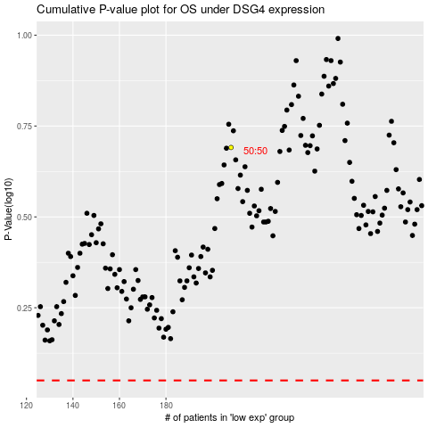

 |  |  |  |  |  | cases_OS | p_OS | rank | exp
 |  |  |  |  |  |  | cases_RFS | p_RFS | rank | exp

