DSN1 _multivariate
Reported by Tex Li-Hsing Chi. tex@gate.sinica.edu.tw 2019-08-20

Table 2. The clinicopathological features of HNSCC cohort and DSN1 expression. (Chi square test)
Cutoff at -0.218 (49.8%)
 |  | DSN1 expression |  | DSN1 expression |  | (Optimised)
 | Features | Low | (%) | High | (%) | Case no | P-value | Remark | Matthews
Gender | Female | 142 | 34.2 | 164 | 39.5 | 415 | 0.0238 | 1 | 0
2 | Male | 65 | 15.7 | 44 | 10.6
Age at diagnosis | <=65y | 129 | 31.1 | 145 | 34.9 | 415 | 0.1372 | 0 | 0
4 | >65y | 78 | 18.8 | 63 | 15.2
Clinical T Status | T1+T2 | 66 | 15.9 | 83 | 20 | 415 | 0.1095 | 0 | 0
6 | T3+T4 | 141 | 34 | 125 | 30.1
Clinical N Status | N0 | 111 | 26.7 | 105 | 25.3 | 415 | 0.5875 | 0 | 0
8 | N1-3 | 96 | 23.1 | 103 | 24.8
Clinical M Status | M0 | 206 | 49.6 | 206 | 49.6 | 415 | 1 | 0 | 0
10 | M1 | 1 | 0.2 | 2 | 0.5
Clinical Stage | Stage I+II | 50 | 12 | 52 | 12.5 | 415 | 0.9315 | 0 | 0
12 | Stage III+IV | 157 | 37.8 | 156 | 37.6
Surgical Margin status | Negative | 166 | 40 | 152 | 36.6 | 415 | 0.1042 | 0 | 0
14 | Positive | 41 | 9.9 | 56 | 13.5
Tobacco Exposure | Low | 83 | 20 | 78 | 18.8 | 415 | 0.6152 | 0 | 0
16 | High | 124 | 29.9 | 130 | 31.3

Table 3. Univariate/Multivariate Cox's proportional hazards regression analyses on OS time of DSN1 gene expression in HNSCC

 |  | Univariate |  |  |  | Multivariate
 | Features | HR | CI95%(L) | CI95%(H) | P-value | HR | CI95%(L) | CI95%(H) | P-value
1 | Female | 1 |  |  |  | 1
Gender | Male | 1.157 | 0.843 | 1.587 | 0.367 | 1.209 | 0.864 | 1.692 | 0.267
11 | <=65y | 1 |  |  |  | 1
Age at diagnosis | >65y | 1.329 | 0.99 | 1.784 | 0.058 | 1.395 | 1.026 | 1.896 | 0.034
12 | T1+T2 | 1 |  |  |  | 1
Clinical T Status | T3+T4 | 1.409 | 1.028 | 1.931 | 0.033 | 2.227 | 1.175 | 4.224 | 0.014
13 | N0 | 1 |  |  |  | 1
Clinical N Status | N1-3 | 1.185 | 0.89 | 1.577 | 0.246 | 1.243 | 0.871 | 1.774 | 0.23
14 | M0 | 1 |  |  |  | 1
Clinical M Status | M1 | 4.097 | 1.009 | 16.644 | 0.049 | 9.427 | 2.056 | 43.218 | 0.004
15 | Stage I+II | 1 |  |  |  | 1
Clinical Stage | Stage III+IV | 1.245 | 0.882 | 1.759 | 0.213 | 0.501 | 0.233 | 1.076 | 0.076
16 | Negative | 1 |  |  |  | 1
Surgical Margin status | Positive | 1.591 | 1.155 | 2.191 | 0.004 | 1.655 | 1.193 | 2.296 | 0.003
17 | Low | 1 |  |  |  | 1
Tobacco Exposure | High | 1.364 | 1.008 | 1.844 | 0.044 | 1.448 | 1.05 | 1.996 | 0.024
18 | Low | 1 |  |  |  | 1
RNAseq(z-score) | High | 1.066 | 0.799 | 1.422 | 0.664 | 1.059 | 0.788 | 1.424 | 0.702

Table 4. Univariate/Multivariate Cox's proportional hazards regression analyses on RFS time of DSN1 gene expression in HNSCC

 |  | Univariate |  |  |  | Multivariate
 | Features | HR | CI95%(L) | CI95%(H) | P-value | HR | CI95%(L) | CI95%(H) | P-value
1 | Female | 1 |  |  |  | 1
Gender | Male | 1.157 | 0.843 | 1.587 | 0.367 | 1.209 | 0.864 | 1.692 | 0.267
11 | <=65y | 1 |  |  |  | 1
Age at diagnosis | >65y | 1.329 | 0.99 | 1.784 | 0.058 | 1.395 | 1.026 | 1.896 | 0.034
12 | T1+T2 | 1 |  |  |  | 1
Clinical T Status | T3+T4 | 1.409 | 1.028 | 1.931 | 0.033 | 2.227 | 1.175 | 4.224 | 0.014
13 | N0 | 1 |  |  |  | 1
Clinical N Status | N1-3 | 1.185 | 0.89 | 1.577 | 0.246 | 1.243 | 0.871 | 1.774 | 0.23
14 | M0 | 1 |  |  |  | 1
Clinical M Status | M1 | 4.097 | 1.009 | 16.644 | 0.049 | 9.427 | 2.056 | 43.218 | 0.004
15 | Stage I+II | 1 |  |  |  | 1
Clinical Stage | Stage III+IV | 1.245 | 0.882 | 1.759 | 0.213 | 0.501 | 0.233 | 1.076 | 0.076
16 | Negative | 1 |  |  |  | 1
Surgical Margin status | Positive | 1.591 | 1.155 | 2.191 | 0.004 | 1.655 | 1.193 | 2.296 | 0.003
17 | Low | 1 |  |  |  | 1
Tobacco Exposure | High | 1.364 | 1.008 | 1.844 | 0.044 | 1.448 | 1.05 | 1.996 | 0.024
18 | Low | 1 |  |  |  | 1
RNAseq(z-score) | High | 1.066 | 0.799 | 1.422 | 0.664 | 1.059 | 0.788 | 1.424 | 0.702

Kaplan-Meier survival estimate: Cutoff at -0.218 (49.8%)



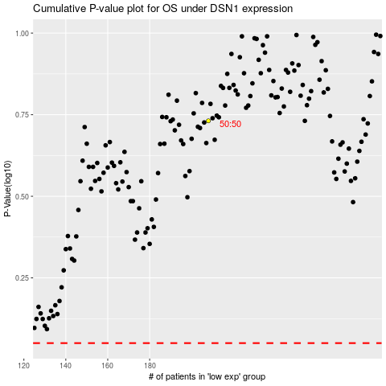

 |  |  |  |  |  | cases_OS | p_OS | rank | exp
 |  |  |  |  |  |  | cases_RFS | p_RFS | rank | exp

