DSP _multivariate
Reported by Tex Li-Hsing Chi. tex@gate.sinica.edu.tw 2019-08-20

Table 2. The clinicopathological features of HNSCC cohort and DSP expression. (Chi square test)
Cutoff at -0.249 (50.0%)
 |  | DSP expression |  | DSP expression |  | (Optimised)
 | Features | Low | (%) | High | (%) | Case no | P-value | Remark | Matthews
Gender | Female | 161 | 38.8 | 145 | 34.9 | 415 | 0.0792 | 0 | 0
2 | Male | 46 | 11.1 | 63 | 15.2
Age at diagnosis | <=65y | 136 | 32.8 | 138 | 33.3 | 415 | 0.9719 | 0 | 0
4 | >65y | 71 | 17.1 | 70 | 16.9
Clinical T Status | T1+T2 | 78 | 18.8 | 71 | 17.1 | 415 | 0.5152 | 0 | 0
6 | T3+T4 | 129 | 31.1 | 137 | 33
Clinical N Status | N0 | 105 | 25.3 | 111 | 26.7 | 415 | 0.6598 | 0 | 0
8 | N1-3 | 102 | 24.6 | 97 | 23.4
Clinical M Status | M0 | 205 | 49.4 | 207 | 49.9 | 415 | 0.6232 | 0 | 0
10 | M1 | 2 | 0.5 | 1 | 0.2
Clinical Stage | Stage I+II | 52 | 12.5 | 50 | 12 | 415 | 0.8871 | 0 | 0
12 | Stage III+IV | 155 | 37.3 | 158 | 38.1
Surgical Margin status | Negative | 149 | 35.9 | 169 | 40.7 | 415 | 0.0278 | 1 | 0
14 | Positive | 58 | 14 | 39 | 9.4
Tobacco Exposure | Low | 72 | 17.3 | 89 | 21.4 | 415 | 0.1071 | 0 | 0
16 | High | 135 | 32.5 | 119 | 28.7

Table 3. Univariate/Multivariate Cox's proportional hazards regression analyses on OS time of DSP gene expression in HNSCC

 |  | Univariate |  |  |  | Multivariate
 | Features | HR | CI95%(L) | CI95%(H) | P-value | HR | CI95%(L) | CI95%(H) | P-value
1 | Female | 1 |  |  |  | 1
Gender | Male | 1.157 | 0.843 | 1.587 | 0.367 | 1.202 | 0.861 | 1.68 | 0.28
11 | <=65y | 1 |  |  |  | 1
Age at diagnosis | >65y | 1.329 | 0.99 | 1.784 | 0.058 | 1.389 | 1.021 | 1.889 | 0.036
12 | T1+T2 | 1 |  |  |  | 1
Clinical T Status | T3+T4 | 1.409 | 1.028 | 1.931 | 0.033 | 2.206 | 1.167 | 4.172 | 0.015
13 | N0 | 1 |  |  |  | 1
Clinical N Status | N1-3 | 1.185 | 0.89 | 1.577 | 0.246 | 1.235 | 0.865 | 1.764 | 0.246
14 | M0 | 1 |  |  |  | 1
Clinical M Status | M1 | 4.097 | 1.009 | 16.644 | 0.049 | 9.373 | 2.044 | 42.971 | 0.004
15 | Stage I+II | 1 |  |  |  | 1
Clinical Stage | Stage III+IV | 1.245 | 0.882 | 1.759 | 0.213 | 0.506 | 0.236 | 1.086 | 0.08
16 | Negative | 1 |  |  |  | 1
Surgical Margin status | Positive | 1.591 | 1.155 | 2.191 | 0.004 | 1.662 | 1.201 | 2.301 | 0.002
17 | Low | 1 |  |  |  | 1
Tobacco Exposure | High | 1.364 | 1.008 | 1.844 | 0.044 | 1.447 | 1.049 | 1.996 | 0.024
18 | Low | 1 |  |  |  | 1
RNAseq(z-score) | High | 0.89 | 0.668 | 1.185 | 0.424 | 0.956 | 0.715 | 1.279 | 0.763

Table 4. Univariate/Multivariate Cox's proportional hazards regression analyses on RFS time of DSP gene expression in HNSCC

 |  | Univariate |  |  |  | Multivariate
 | Features | HR | CI95%(L) | CI95%(H) | P-value | HR | CI95%(L) | CI95%(H) | P-value
1 | Female | 1 |  |  |  | 1
Gender | Male | 1.157 | 0.843 | 1.587 | 0.367 | 1.202 | 0.861 | 1.68 | 0.28
11 | <=65y | 1 |  |  |  | 1
Age at diagnosis | >65y | 1.329 | 0.99 | 1.784 | 0.058 | 1.389 | 1.021 | 1.889 | 0.036
12 | T1+T2 | 1 |  |  |  | 1
Clinical T Status | T3+T4 | 1.409 | 1.028 | 1.931 | 0.033 | 2.206 | 1.167 | 4.172 | 0.015
13 | N0 | 1 |  |  |  | 1
Clinical N Status | N1-3 | 1.185 | 0.89 | 1.577 | 0.246 | 1.235 | 0.865 | 1.764 | 0.246
14 | M0 | 1 |  |  |  | 1
Clinical M Status | M1 | 4.097 | 1.009 | 16.644 | 0.049 | 9.373 | 2.044 | 42.971 | 0.004
15 | Stage I+II | 1 |  |  |  | 1
Clinical Stage | Stage III+IV | 1.245 | 0.882 | 1.759 | 0.213 | 0.506 | 0.236 | 1.086 | 0.08
16 | Negative | 1 |  |  |  | 1
Surgical Margin status | Positive | 1.591 | 1.155 | 2.191 | 0.004 | 1.662 | 1.201 | 2.301 | 0.002
17 | Low | 1 |  |  |  | 1
Tobacco Exposure | High | 1.364 | 1.008 | 1.844 | 0.044 | 1.447 | 1.049 | 1.996 | 0.024
18 | Low | 1 |  |  |  | 1
RNAseq(z-score) | High | 0.89 | 0.668 | 1.185 | 0.424 | 0.956 | 0.715 | 1.279 | 0.763

Kaplan-Meier survival estimate: Cutoff at -0.249 (50.0%)



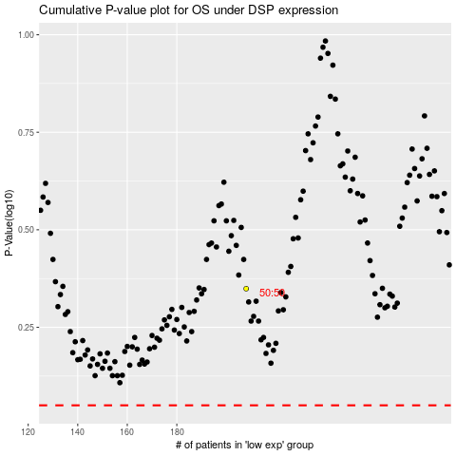

 |  |  |  |  |  | cases_OS | p_OS | rank | exp
 |  |  |  |  |  |  | cases_RFS | p_RFS | rank | exp

