DST _multivariate
Reported by Tex Li-Hsing Chi. tex@gate.sinica.edu.tw 2019-08-20

Table 2. The clinicopathological features of HNSCC cohort and DST expression. (Chi square test)
Cutoff at -0.149 (50.0%)
 |  | DST expression |  | DST expression |  | (Optimised)
 | Features | Low | (%) | High | (%) | Case no | P-value | Remark | Matthews
Gender | Female | 156 | 37.6 | 150 | 36.1 | 415 | 0.5222 | 0 | 0
2 | Male | 51 | 12.3 | 58 | 14
Age at diagnosis | <=65y | 136 | 32.8 | 138 | 33.3 | 415 | 0.9719 | 0 | 0
4 | >65y | 71 | 17.1 | 70 | 16.9
Clinical T Status | T1+T2 | 66 | 15.9 | 83 | 20 | 415 | 0.1095 | 0 | 0
6 | T3+T4 | 141 | 34 | 125 | 30.1
Clinical N Status | N0 | 96 | 23.1 | 120 | 28.9 | 415 | 0.0272 | 1 | 0
8 | N1-3 | 111 | 26.7 | 88 | 21.2
Clinical M Status | M0 | 204 | 49.2 | 208 | 50.1 | 415 | 0.1232 | 0 | 0
10 | M1 | 3 | 0.7 | 0 | 0
Clinical Stage | Stage I+II | 40 | 9.6 | 62 | 14.9 | 415 | 0.018 | 1 | 0
12 | Stage III+IV | 167 | 40.2 | 146 | 35.2
Surgical Margin status | Negative | 151 | 36.4 | 167 | 40.2 | 415 | 0.0828 | 0 | 0
14 | Positive | 56 | 13.5 | 41 | 9.9
Tobacco Exposure | Low | 74 | 17.8 | 87 | 21 | 415 | 0.227 | 0 | 0
16 | High | 133 | 32 | 121 | 29.2

Table 3. Univariate/Multivariate Cox's proportional hazards regression analyses on OS time of DST gene expression in HNSCC

 |  | Univariate |  |  |  | Multivariate
 | Features | HR | CI95%(L) | CI95%(H) | P-value | HR | CI95%(L) | CI95%(H) | P-value
1 | Female | 1 |  |  |  | 1
Gender | Male | 1.157 | 0.843 | 1.587 | 0.367 | 1.221 | 0.873 | 1.708 | 0.243
11 | <=65y | 1 |  |  |  | 1
Age at diagnosis | >65y | 1.329 | 0.99 | 1.784 | 0.058 | 1.402 | 1.03 | 1.906 | 0.031
12 | T1+T2 | 1 |  |  |  | 1
Clinical T Status | T3+T4 | 1.409 | 1.028 | 1.931 | 0.033 | 2.218 | 1.173 | 4.193 | 0.014
13 | N0 | 1 |  |  |  | 1
Clinical N Status | N1-3 | 1.185 | 0.89 | 1.577 | 0.246 | 1.265 | 0.885 | 1.808 | 0.198
14 | M0 | 1 |  |  |  | 1
Clinical M Status | M1 | 4.097 | 1.009 | 16.644 | 0.049 | 10.197 | 2.206 | 47.135 | 0.003
15 | Stage I+II | 1 |  |  |  | 1
Clinical Stage | Stage III+IV | 1.245 | 0.882 | 1.759 | 0.213 | 0.505 | 0.235 | 1.085 | 0.08
16 | Negative | 1 |  |  |  | 1
Surgical Margin status | Positive | 1.591 | 1.155 | 2.191 | 0.004 | 1.692 | 1.224 | 2.34 | 0.001
17 | Low | 1 |  |  |  | 1
Tobacco Exposure | High | 1.364 | 1.008 | 1.844 | 0.044 | 1.473 | 1.068 | 2.033 | 0.018
18 | Low | 1 |  |  |  | 1
RNAseq(z-score) | High | 1.01 | 0.758 | 1.346 | 0.945 | 1.165 | 0.866 | 1.566 | 0.313

Table 4. Univariate/Multivariate Cox's proportional hazards regression analyses on RFS time of DST gene expression in HNSCC

 |  | Univariate |  |  |  | Multivariate
 | Features | HR | CI95%(L) | CI95%(H) | P-value | HR | CI95%(L) | CI95%(H) | P-value
1 | Female | 1 |  |  |  | 1
Gender | Male | 1.157 | 0.843 | 1.587 | 0.367 | 1.221 | 0.873 | 1.708 | 0.243
11 | <=65y | 1 |  |  |  | 1
Age at diagnosis | >65y | 1.329 | 0.99 | 1.784 | 0.058 | 1.402 | 1.03 | 1.906 | 0.031
12 | T1+T2 | 1 |  |  |  | 1
Clinical T Status | T3+T4 | 1.409 | 1.028 | 1.931 | 0.033 | 2.218 | 1.173 | 4.193 | 0.014
13 | N0 | 1 |  |  |  | 1
Clinical N Status | N1-3 | 1.185 | 0.89 | 1.577 | 0.246 | 1.265 | 0.885 | 1.808 | 0.198
14 | M0 | 1 |  |  |  | 1
Clinical M Status | M1 | 4.097 | 1.009 | 16.644 | 0.049 | 10.197 | 2.206 | 47.135 | 0.003
15 | Stage I+II | 1 |  |  |  | 1
Clinical Stage | Stage III+IV | 1.245 | 0.882 | 1.759 | 0.213 | 0.505 | 0.235 | 1.085 | 0.08
16 | Negative | 1 |  |  |  | 1
Surgical Margin status | Positive | 1.591 | 1.155 | 2.191 | 0.004 | 1.692 | 1.224 | 2.34 | 0.001
17 | Low | 1 |  |  |  | 1
Tobacco Exposure | High | 1.364 | 1.008 | 1.844 | 0.044 | 1.473 | 1.068 | 2.033 | 0.018
18 | Low | 1 |  |  |  | 1
RNAseq(z-score) | High | 1.01 | 0.758 | 1.346 | 0.945 | 1.165 | 0.866 | 1.566 | 0.313

Kaplan-Meier survival estimate: Cutoff at -0.149 (50.0%)

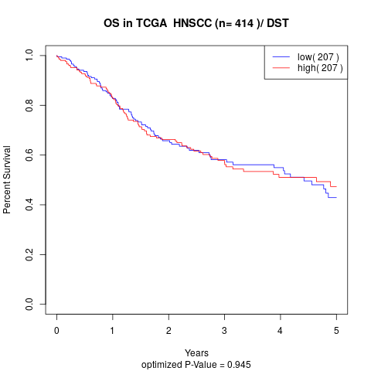

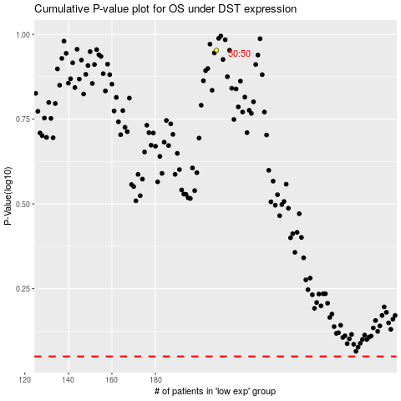

 |  |  |  |  |  | cases_OS | p_OS | rank | exp
 |  |  |  |  |  |  | cases_RFS | p_RFS | rank | exp

