DSTN _multivariate
Reported by Tex Li-Hsing Chi. tex@gate.sinica.edu.tw 2019-08-20

Table 2. The clinicopathological features of HNSCC cohort and DSTN expression. (Chi square test)
Cutoff at -0.155 (50.0%)
 |  | DSTN expression |  | DSTN expression |  | (Optimised)
 | Features | Low | (%) | High | (%) | Case no | P-value | Remark | Matthews
Gender | Female | 157 | 37.8 | 149 | 35.9 | 415 | 0.3881 | 0 | 0
2 | Male | 50 | 12 | 59 | 14.2
Age at diagnosis | <=65y | 132 | 31.8 | 142 | 34.2 | 415 | 0.3874 | 0 | 0
4 | >65y | 75 | 18.1 | 66 | 15.9
Clinical T Status | T1+T2 | 74 | 17.8 | 75 | 18.1 | 415 | 1 | 0 | 0
6 | T3+T4 | 133 | 32 | 133 | 32
Clinical N Status | N0 | 103 | 24.8 | 113 | 27.2 | 415 | 0.4047 | 0 | 0
8 | N1-3 | 104 | 25.1 | 95 | 22.9
Clinical M Status | M0 | 206 | 49.6 | 206 | 49.6 | 415 | 1 | 0 | 0
10 | M1 | 1 | 0.2 | 2 | 0.5
Clinical Stage | Stage I+II | 46 | 11.1 | 56 | 13.5 | 415 | 0.3182 | 0 | 0
12 | Stage III+IV | 161 | 38.8 | 152 | 36.6
Surgical Margin status | Negative | 163 | 39.3 | 155 | 37.3 | 415 | 0.3537 | 0 | 0
14 | Positive | 44 | 10.6 | 53 | 12.8
Tobacco Exposure | Low | 69 | 16.6 | 92 | 22.2 | 415 | 0.0266 | 1 | 0
16 | High | 138 | 33.3 | 116 | 28

Table 3. Univariate/Multivariate Cox's proportional hazards regression analyses on OS time of DSTN gene expression in HNSCC

 |  | Univariate |  |  |  | Multivariate
 | Features | HR | CI95%(L) | CI95%(H) | P-value | HR | CI95%(L) | CI95%(H) | P-value
1 | Female | 1 |  |  |  | 1
Gender | Male | 1.157 | 0.843 | 1.587 | 0.367 | 1.193 | 0.854 | 1.668 | 0.301
11 | <=65y | 1 |  |  |  | 1
Age at diagnosis | >65y | 1.329 | 0.99 | 1.784 | 0.058 | 1.407 | 1.033 | 1.917 | 0.03
12 | T1+T2 | 1 |  |  |  | 1
Clinical T Status | T3+T4 | 1.409 | 1.028 | 1.931 | 0.033 | 2.191 | 1.159 | 4.143 | 0.016
13 | N0 | 1 |  |  |  | 1
Clinical N Status | N1-3 | 1.185 | 0.89 | 1.577 | 0.246 | 1.243 | 0.872 | 1.774 | 0.23
14 | M0 | 1 |  |  |  | 1
Clinical M Status | M1 | 4.097 | 1.009 | 16.644 | 0.049 | 9.097 | 1.977 | 41.861 | 0.005
15 | Stage I+II | 1 |  |  |  | 1
Clinical Stage | Stage III+IV | 1.245 | 0.882 | 1.759 | 0.213 | 0.509 | 0.237 | 1.094 | 0.084
16 | Negative | 1 |  |  |  | 1
Surgical Margin status | Positive | 1.591 | 1.155 | 2.191 | 0.004 | 1.658 | 1.199 | 2.293 | 0.002
17 | Low | 1 |  |  |  | 1
Tobacco Exposure | High | 1.364 | 1.008 | 1.844 | 0.044 | 1.465 | 1.063 | 2.02 | 0.02
18 | Low | 1 |  |  |  | 1
RNAseq(z-score) | High | 1.083 | 0.813 | 1.442 | 0.585 | 1.093 | 0.816 | 1.464 | 0.549

Table 4. Univariate/Multivariate Cox's proportional hazards regression analyses on RFS time of DSTN gene expression in HNSCC

 |  | Univariate |  |  |  | Multivariate
 | Features | HR | CI95%(L) | CI95%(H) | P-value | HR | CI95%(L) | CI95%(H) | P-value
1 | Female | 1 |  |  |  | 1
Gender | Male | 1.157 | 0.843 | 1.587 | 0.367 | 1.193 | 0.854 | 1.668 | 0.301
11 | <=65y | 1 |  |  |  | 1
Age at diagnosis | >65y | 1.329 | 0.99 | 1.784 | 0.058 | 1.407 | 1.033 | 1.917 | 0.03
12 | T1+T2 | 1 |  |  |  | 1
Clinical T Status | T3+T4 | 1.409 | 1.028 | 1.931 | 0.033 | 2.191 | 1.159 | 4.143 | 0.016
13 | N0 | 1 |  |  |  | 1
Clinical N Status | N1-3 | 1.185 | 0.89 | 1.577 | 0.246 | 1.243 | 0.872 | 1.774 | 0.23
14 | M0 | 1 |  |  |  | 1
Clinical M Status | M1 | 4.097 | 1.009 | 16.644 | 0.049 | 9.097 | 1.977 | 41.861 | 0.005
15 | Stage I+II | 1 |  |  |  | 1
Clinical Stage | Stage III+IV | 1.245 | 0.882 | 1.759 | 0.213 | 0.509 | 0.237 | 1.094 | 0.084
16 | Negative | 1 |  |  |  | 1
Surgical Margin status | Positive | 1.591 | 1.155 | 2.191 | 0.004 | 1.658 | 1.199 | 2.293 | 0.002
17 | Low | 1 |  |  |  | 1
Tobacco Exposure | High | 1.364 | 1.008 | 1.844 | 0.044 | 1.465 | 1.063 | 2.02 | 0.02
18 | Low | 1 |  |  |  | 1
RNAseq(z-score) | High | 1.083 | 0.813 | 1.442 | 0.585 | 1.093 | 0.816 | 1.464 | 0.549

Kaplan-Meier survival estimate: Cutoff at -0.155 (50.0%)



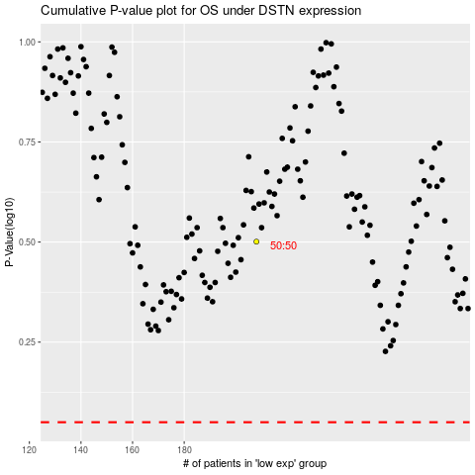

 |  |  |  |  |  | cases_OS | p_OS | rank | exp
 |  |  |  |  |  |  | cases_RFS | p_RFS | rank | exp

