DTD1 _multivariate
Reported by Tex Li-Hsing Chi. tex@gate.sinica.edu.tw 2019-08-20

Table 2. The clinicopathological features of HNSCC cohort and DTD1 expression. (Chi square test)
Cutoff at -0.141 (50.0%)
 |  | DTD1 expression |  | DTD1 expression |  | (Optimised)
 | Features | Low | (%) | High | (%) | Case no | P-value | Remark | Matthews
Gender | Female | 154 | 37.1 | 152 | 36.6 | 415 | 0.8463 | 0 | 0
2 | Male | 53 | 12.8 | 56 | 13.5
Age at diagnosis | <=65y | 137 | 33 | 137 | 33 | 415 | 1 | 0 | 0
4 | >65y | 70 | 16.9 | 71 | 17.1
Clinical T Status | T1+T2 | 76 | 18.3 | 73 | 17.6 | 415 | 0.8092 | 0 | 0
6 | T3+T4 | 131 | 31.6 | 135 | 32.5
Clinical N Status | N0 | 111 | 26.7 | 105 | 25.3 | 415 | 0.5875 | 0 | 0
8 | N1-3 | 96 | 23.1 | 103 | 24.8
Clinical M Status | M0 | 207 | 49.9 | 205 | 49.4 | 415 | 0.2482 | 0 | 0
10 | M1 | 0 | 0 | 3 | 0.7
Clinical Stage | Stage I+II | 53 | 12.8 | 49 | 11.8 | 415 | 0.7113 | 0 | 0
12 | Stage III+IV | 154 | 37.1 | 159 | 38.3
Surgical Margin status | Negative | 160 | 38.6 | 158 | 38.1 | 415 | 0.8167 | 0 | 0
14 | Positive | 47 | 11.3 | 50 | 12
Tobacco Exposure | Low | 79 | 19 | 82 | 19.8 | 415 | 0.8405 | 0 | 0
16 | High | 128 | 30.8 | 126 | 30.4

Table 3. Univariate/Multivariate Cox's proportional hazards regression analyses on OS time of DTD1 gene expression in HNSCC

 |  | Univariate |  |  |  | Multivariate
 | Features | HR | CI95%(L) | CI95%(H) | P-value | HR | CI95%(L) | CI95%(H) | P-value
1 | Female | 1 |  |  |  | 1
Gender | Male | 1.157 | 0.843 | 1.587 | 0.367 | 1.205 | 0.863 | 1.683 | 0.274
11 | <=65y | 1 |  |  |  | 1
Age at diagnosis | >65y | 1.329 | 0.99 | 1.784 | 0.058 | 1.403 | 1.031 | 1.91 | 0.031
12 | T1+T2 | 1 |  |  |  | 1
Clinical T Status | T3+T4 | 1.409 | 1.028 | 1.931 | 0.033 | 2.185 | 1.155 | 4.132 | 0.016
13 | N0 | 1 |  |  |  | 1
Clinical N Status | N1-3 | 1.185 | 0.89 | 1.577 | 0.246 | 1.246 | 0.873 | 1.778 | 0.225
14 | M0 | 1 |  |  |  | 1
Clinical M Status | M1 | 4.097 | 1.009 | 16.644 | 0.049 | 10.065 | 2.182 | 46.426 | 0.003
15 | Stage I+II | 1 |  |  |  | 1
Clinical Stage | Stage III+IV | 1.245 | 0.882 | 1.759 | 0.213 | 0.51 | 0.238 | 1.096 | 0.084
16 | Negative | 1 |  |  |  | 1
Surgical Margin status | Positive | 1.591 | 1.155 | 2.191 | 0.004 | 1.665 | 1.205 | 2.3 | 0.002
17 | Low | 1 |  |  |  | 1
Tobacco Exposure | High | 1.364 | 1.008 | 1.844 | 0.044 | 1.457 | 1.057 | 2.008 | 0.022
18 | Low | 1 |  |  |  | 1
RNAseq(z-score) | High | 0.9 | 0.676 | 1.2 | 0.474 | 0.866 | 0.647 | 1.158 | 0.331

Table 4. Univariate/Multivariate Cox's proportional hazards regression analyses on RFS time of DTD1 gene expression in HNSCC

 |  | Univariate |  |  |  | Multivariate
 | Features | HR | CI95%(L) | CI95%(H) | P-value | HR | CI95%(L) | CI95%(H) | P-value
1 | Female | 1 |  |  |  | 1
Gender | Male | 1.157 | 0.843 | 1.587 | 0.367 | 1.205 | 0.863 | 1.683 | 0.274
11 | <=65y | 1 |  |  |  | 1
Age at diagnosis | >65y | 1.329 | 0.99 | 1.784 | 0.058 | 1.403 | 1.031 | 1.91 | 0.031
12 | T1+T2 | 1 |  |  |  | 1
Clinical T Status | T3+T4 | 1.409 | 1.028 | 1.931 | 0.033 | 2.185 | 1.155 | 4.132 | 0.016
13 | N0 | 1 |  |  |  | 1
Clinical N Status | N1-3 | 1.185 | 0.89 | 1.577 | 0.246 | 1.246 | 0.873 | 1.778 | 0.225
14 | M0 | 1 |  |  |  | 1
Clinical M Status | M1 | 4.097 | 1.009 | 16.644 | 0.049 | 10.065 | 2.182 | 46.426 | 0.003
15 | Stage I+II | 1 |  |  |  | 1
Clinical Stage | Stage III+IV | 1.245 | 0.882 | 1.759 | 0.213 | 0.51 | 0.238 | 1.096 | 0.084
16 | Negative | 1 |  |  |  | 1
Surgical Margin status | Positive | 1.591 | 1.155 | 2.191 | 0.004 | 1.665 | 1.205 | 2.3 | 0.002
17 | Low | 1 |  |  |  | 1
Tobacco Exposure | High | 1.364 | 1.008 | 1.844 | 0.044 | 1.457 | 1.057 | 2.008 | 0.022
18 | Low | 1 |  |  |  | 1
RNAseq(z-score) | High | 0.9 | 0.676 | 1.2 | 0.474 | 0.866 | 0.647 | 1.158 | 0.331

Kaplan-Meier survival estimate: Cutoff at -0.141 (50.0%)



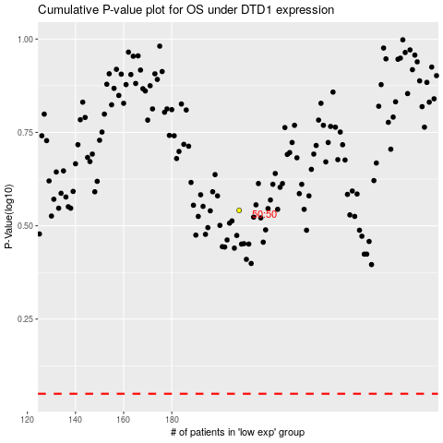

 |  |  |  |  |  | cases_OS | p_OS | rank | exp
 |  |  |  |  |  |  | cases_RFS | p_RFS | rank | exp

