DTL _multivariate
Reported by Tex Li-Hsing Chi. tex@gate.sinica.edu.tw 2019-08-20

Table 2. The clinicopathological features of HNSCC cohort and DTL expression. (Chi square test)
Cutoff at -0.533 (30.9%)
 |  | DTL expression |  | DTL expression |  | (Optimised)
 | Features | Low | (%) | High | (%) | Case no | P-value | Remark | Matthews
Gender | Female | 93 | 22.4 | 213 | 51.3 | 415 | 0.6966 | 0 | 0
2 | Male | 36 | 8.7 | 73 | 17.6
Age at diagnosis | <=65y | 88 | 21.2 | 186 | 44.8 | 415 | 0.602 | 0 | 0
4 | >65y | 41 | 9.9 | 100 | 24.1
Clinical T Status | T1+T2 | 50 | 12 | 99 | 23.9 | 415 | 0.4814 | 0 | 0
6 | T3+T4 | 79 | 19 | 187 | 45.1
Clinical N Status | N0 | 72 | 17.3 | 144 | 34.7 | 415 | 0.3549 | 0 | 0
8 | N1-3 | 57 | 13.7 | 142 | 34.2
Clinical M Status | M0 | 129 | 31.1 | 283 | 68.2 | 415 | 0.5554 | 0 | 0
10 | M1 | 0 | 0 | 3 | 0.7
Clinical Stage | Stage I+II | 39 | 9.4 | 63 | 15.2 | 415 | 0.0942 | 0 | 0
12 | Stage III+IV | 90 | 21.7 | 223 | 53.7
Surgical Margin status | Negative | 105 | 25.3 | 213 | 51.3 | 415 | 0.1339 | 0 | 0
14 | Positive | 24 | 5.8 | 73 | 17.6
Tobacco Exposure | Low | 61 | 14.7 | 100 | 24.1 | 415 | 0.0221 | 1 | 0
16 | High | 68 | 16.4 | 186 | 44.8

Table 3. Univariate/Multivariate Cox's proportional hazards regression analyses on OS time of DTL gene expression in HNSCC

 |  | Univariate |  |  |  | Multivariate
 | Features | HR | CI95%(L) | CI95%(H) | P-value | HR | CI95%(L) | CI95%(H) | P-value
1 | Female | 1 |  |  |  | 1
Gender | Male | 1.157 | 0.843 | 1.587 | 0.367 | 1.187 | 0.849 | 1.66 | 0.315
11 | <=65y | 1 |  |  |  | 1
Age at diagnosis | >65y | 1.329 | 0.99 | 1.784 | 0.058 | 1.387 | 1.02 | 1.886 | 0.037
12 | T1+T2 | 1 |  |  |  | 1
Clinical T Status | T3+T4 | 1.409 | 1.028 | 1.931 | 0.033 | 2.262 | 1.196 | 4.279 | 0.012
13 | N0 | 1 |  |  |  | 1
Clinical N Status | N1-3 | 1.185 | 0.89 | 1.577 | 0.246 | 1.26 | 0.882 | 1.799 | 0.204
14 | M0 | 1 |  |  |  | 1
Clinical M Status | M1 | 4.097 | 1.009 | 16.644 | 0.049 | 8.845 | 1.927 | 40.612 | 0.005
15 | Stage I+II | 1 |  |  |  | 1
Clinical Stage | Stage III+IV | 1.245 | 0.882 | 1.759 | 0.213 | 0.481 | 0.223 | 1.035 | 0.061
16 | Negative | 1 |  |  |  | 1
Surgical Margin status | Positive | 1.591 | 1.155 | 2.191 | 0.004 | 1.626 | 1.175 | 2.249 | 0.003
17 | Low | 1 |  |  |  | 1
Tobacco Exposure | High | 1.364 | 1.008 | 1.844 | 0.044 | 1.397 | 1.011 | 1.931 | 0.043
18 | Low | 1 |  |  |  | 1
RNAseq(z-score) | High | 1.435 | 1.028 | 2.004 | 0.034 | 1.309 | 0.93 | 1.841 | 0.123

Table 4. Univariate/Multivariate Cox's proportional hazards regression analyses on RFS time of DTL gene expression in HNSCC

 |  | Univariate |  |  |  | Multivariate
 | Features | HR | CI95%(L) | CI95%(H) | P-value | HR | CI95%(L) | CI95%(H) | P-value
1 | Female | 1 |  |  |  | 1
Gender | Male | 1.157 | 0.843 | 1.587 | 0.367 | 1.187 | 0.849 | 1.66 | 0.315
11 | <=65y | 1 |  |  |  | 1
Age at diagnosis | >65y | 1.329 | 0.99 | 1.784 | 0.058 | 1.387 | 1.02 | 1.886 | 0.037
12 | T1+T2 | 1 |  |  |  | 1
Clinical T Status | T3+T4 | 1.409 | 1.028 | 1.931 | 0.033 | 2.262 | 1.196 | 4.279 | 0.012
13 | N0 | 1 |  |  |  | 1
Clinical N Status | N1-3 | 1.185 | 0.89 | 1.577 | 0.246 | 1.26 | 0.882 | 1.799 | 0.204
14 | M0 | 1 |  |  |  | 1
Clinical M Status | M1 | 4.097 | 1.009 | 16.644 | 0.049 | 8.845 | 1.927 | 40.612 | 0.005
15 | Stage I+II | 1 |  |  |  | 1
Clinical Stage | Stage III+IV | 1.245 | 0.882 | 1.759 | 0.213 | 0.481 | 0.223 | 1.035 | 0.061
16 | Negative | 1 |  |  |  | 1
Surgical Margin status | Positive | 1.591 | 1.155 | 2.191 | 0.004 | 1.626 | 1.175 | 2.249 | 0.003
17 | Low | 1 |  |  |  | 1
Tobacco Exposure | High | 1.364 | 1.008 | 1.844 | 0.044 | 1.397 | 1.011 | 1.931 | 0.043
18 | Low | 1 |  |  |  | 1
RNAseq(z-score) | High | 1.435 | 1.028 | 2.004 | 0.034 | 1.309 | 0.93 | 1.841 | 0.123

Kaplan-Meier survival estimate: Cutoff at -0.533 (30.9%)

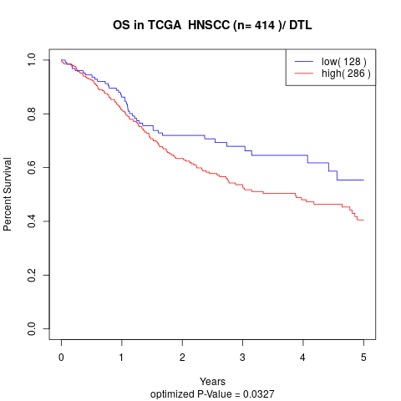

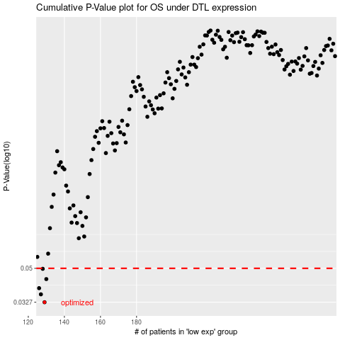

 |  |  |  |  |  | cases_OS | p_OS | rank | exp
 |  |  |  |  |  | 129 | 0.0327 | 339 | -0.53267984551
 |  |  |  |  |  | 127 | 0.0361 | 114 | -0.54153488656
 |  |  |  |  |  | 126 | 0.039 | 46 | -0.54351625056
 |  |  |  |  |  | 130 | 0.0437 | 2 | -0.52786979901
 |  |  |  |  |  | 128 | 0.0497 | 183 | -0.539071714
 |  |  |  |  |  |  | cases_RFS | p_RFS | rank | exp
 |  |  |  |  |  |  | 128 | 0.0327 | 183 | -0.539071714
 |  |  |  |  |  |  | 126 | 0.0361 | 46 | -0.54351625056
 |  |  |  |  |  |  | 125 | 0.039 | 232 | -0.54716518668
 |  |  |  |  |  |  | 129 | 0.0437 | 339 | -0.53267984551
 |  |  |  |  |  |  | 127 | 0.0497 | 114 | -0.54153488656

