DTWD1 _multivariate
Reported by Tex Li-Hsing Chi. tex@gate.sinica.edu.tw 2019-08-20

Table 2. The clinicopathological features of HNSCC cohort and DTWD1 expression. (Chi square test)
Cutoff at -0.262 (49.8%)
 |  | DTWD1 expression |  | DTWD1 expression |  | (Optimised)
 | Features | Low | (%) | High | (%) | Case no | P-value | Remark | Matthews
Gender | Female | 145 | 34.9 | 161 | 38.8 | 415 | 0.1116 | 0 | 0
2 | Male | 62 | 14.9 | 47 | 11.3
Age at diagnosis | <=65y | 127 | 30.6 | 147 | 35.4 | 415 | 0.0573 | 0 | 0
4 | >65y | 80 | 19.3 | 61 | 14.7
Clinical T Status | T1+T2 | 66 | 15.9 | 83 | 20 | 415 | 0.1095 | 0 | 0
6 | T3+T4 | 141 | 34 | 125 | 30.1
Clinical N Status | N0 | 110 | 26.5 | 106 | 25.5 | 415 | 0.7294 | 0 | 0
8 | N1-3 | 97 | 23.4 | 102 | 24.6
Clinical M Status | M0 | 207 | 49.9 | 205 | 49.4 | 415 | 0.2482 | 0 | 0
10 | M1 | 0 | 0 | 3 | 0.7
Clinical Stage | Stage I+II | 52 | 12.5 | 50 | 12 | 415 | 0.8871 | 0 | 0
12 | Stage III+IV | 155 | 37.3 | 158 | 38.1
Surgical Margin status | Negative | 161 | 38.8 | 157 | 37.8 | 415 | 0.6429 | 0 | 0
14 | Positive | 46 | 11.1 | 51 | 12.3
Tobacco Exposure | Low | 86 | 20.7 | 75 | 18.1 | 415 | 0.2687 | 0 | 0
16 | High | 121 | 29.2 | 133 | 32

Table 3. Univariate/Multivariate Cox's proportional hazards regression analyses on OS time of DTWD1 gene expression in HNSCC

 |  | Univariate |  |  |  | Multivariate
 | Features | HR | CI95%(L) | CI95%(H) | P-value | HR | CI95%(L) | CI95%(H) | P-value
1 | Female | 1 |  |  |  | 1
Gender | Male | 1.157 | 0.843 | 1.587 | 0.367 | 1.2 | 0.859 | 1.676 | 0.286
11 | <=65y | 1 |  |  |  | 1
Age at diagnosis | >65y | 1.329 | 0.99 | 1.784 | 0.058 | 1.383 | 1.016 | 1.883 | 0.04
12 | T1+T2 | 1 |  |  |  | 1
Clinical T Status | T3+T4 | 1.409 | 1.028 | 1.931 | 0.033 | 2.177 | 1.149 | 4.126 | 0.017
13 | N0 | 1 |  |  |  | 1
Clinical N Status | N1-3 | 1.185 | 0.89 | 1.577 | 0.246 | 1.24 | 0.869 | 1.77 | 0.235
14 | M0 | 1 |  |  |  | 1
Clinical M Status | M1 | 4.097 | 1.009 | 16.644 | 0.049 | 9.637 | 2.094 | 44.355 | 0.004
15 | Stage I+II | 1 |  |  |  | 1
Clinical Stage | Stage III+IV | 1.245 | 0.882 | 1.759 | 0.213 | 0.508 | 0.237 | 1.092 | 0.083
16 | Negative | 1 |  |  |  | 1
Surgical Margin status | Positive | 1.591 | 1.155 | 2.191 | 0.004 | 1.682 | 1.216 | 2.327 | 0.002
17 | Low | 1 |  |  |  | 1
Tobacco Exposure | High | 1.364 | 1.008 | 1.844 | 0.044 | 1.46 | 1.058 | 2.014 | 0.021
18 | Low | 1 |  |  |  | 1
RNAseq(z-score) | High | 0.935 | 0.7 | 1.249 | 0.65 | 0.937 | 0.697 | 1.259 | 0.666

Table 4. Univariate/Multivariate Cox's proportional hazards regression analyses on RFS time of DTWD1 gene expression in HNSCC

 |  | Univariate |  |  |  | Multivariate
 | Features | HR | CI95%(L) | CI95%(H) | P-value | HR | CI95%(L) | CI95%(H) | P-value
1 | Female | 1 |  |  |  | 1
Gender | Male | 1.157 | 0.843 | 1.587 | 0.367 | 1.2 | 0.859 | 1.676 | 0.286
11 | <=65y | 1 |  |  |  | 1
Age at diagnosis | >65y | 1.329 | 0.99 | 1.784 | 0.058 | 1.383 | 1.016 | 1.883 | 0.04
12 | T1+T2 | 1 |  |  |  | 1
Clinical T Status | T3+T4 | 1.409 | 1.028 | 1.931 | 0.033 | 2.177 | 1.149 | 4.126 | 0.017
13 | N0 | 1 |  |  |  | 1
Clinical N Status | N1-3 | 1.185 | 0.89 | 1.577 | 0.246 | 1.24 | 0.869 | 1.77 | 0.235
14 | M0 | 1 |  |  |  | 1
Clinical M Status | M1 | 4.097 | 1.009 | 16.644 | 0.049 | 9.637 | 2.094 | 44.355 | 0.004
15 | Stage I+II | 1 |  |  |  | 1
Clinical Stage | Stage III+IV | 1.245 | 0.882 | 1.759 | 0.213 | 0.508 | 0.237 | 1.092 | 0.083
16 | Negative | 1 |  |  |  | 1
Surgical Margin status | Positive | 1.591 | 1.155 | 2.191 | 0.004 | 1.682 | 1.216 | 2.327 | 0.002
17 | Low | 1 |  |  |  | 1
Tobacco Exposure | High | 1.364 | 1.008 | 1.844 | 0.044 | 1.46 | 1.058 | 2.014 | 0.021
18 | Low | 1 |  |  |  | 1
RNAseq(z-score) | High | 0.935 | 0.7 | 1.249 | 0.65 | 0.937 | 0.697 | 1.259 | 0.666

Kaplan-Meier survival estimate: Cutoff at -0.262 (49.8%)



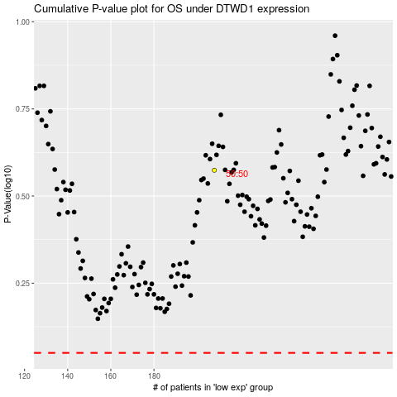

 |  |  |  |  |  | cases_OS | p_OS | rank | exp
 |  |  |  |  |  |  | cases_RFS | p_RFS | rank | exp

