DTWD2 _multivariate
Reported by Tex Li-Hsing Chi. tex@gate.sinica.edu.tw 2019-08-20

Table 2. The clinicopathological features of HNSCC cohort and DTWD2 expression. (Chi square test)
Cutoff at -0.222 (49.8%)
 |  | DTWD2 expression |  | DTWD2 expression |  | (Optimised)
 | Features | Low | (%) | High | (%) | Case no | P-value | Remark | Matthews
Gender | Female | 159 | 38.3 | 147 | 35.4 | 415 | 0.1905 | 0 | 0
2 | Male | 48 | 11.6 | 61 | 14.7
Age at diagnosis | <=65y | 139 | 33.5 | 135 | 32.5 | 415 | 0.7044 | 0 | 0
4 | >65y | 68 | 16.4 | 73 | 17.6
Clinical T Status | T1+T2 | 63 | 15.2 | 86 | 20.7 | 415 | 0.0268 | 1 | 0
6 | T3+T4 | 144 | 34.7 | 122 | 29.4
Clinical N Status | N0 | 98 | 23.6 | 118 | 28.4 | 415 | 0.0694 | 0 | 0
8 | N1-3 | 109 | 26.3 | 90 | 21.7
Clinical M Status | M0 | 205 | 49.4 | 207 | 49.9 | 415 | 0.6232 | 0 | 0
10 | M1 | 2 | 0.5 | 1 | 0.2
Clinical Stage | Stage I+II | 42 | 10.1 | 60 | 14.5 | 415 | 0.0561 | 0 | 0
12 | Stage III+IV | 165 | 39.8 | 148 | 35.7
Surgical Margin status | Negative | 164 | 39.5 | 154 | 37.1 | 415 | 0.2462 | 0 | 0
14 | Positive | 43 | 10.4 | 54 | 13
Tobacco Exposure | Low | 78 | 18.8 | 83 | 20 | 415 | 0.6873 | 0 | 0
16 | High | 129 | 31.1 | 125 | 30.1

Table 3. Univariate/Multivariate Cox's proportional hazards regression analyses on OS time of DTWD2 gene expression in HNSCC

 |  | Univariate |  |  |  | Multivariate
 | Features | HR | CI95%(L) | CI95%(H) | P-value | HR | CI95%(L) | CI95%(H) | P-value
1 | Female | 1 |  |  |  | 1
Gender | Male | 1.157 | 0.843 | 1.587 | 0.367 | 1.2 | 0.859 | 1.676 | 0.285
11 | <=65y | 1 |  |  |  | 1
Age at diagnosis | >65y | 1.329 | 0.99 | 1.784 | 0.058 | 1.395 | 1.026 | 1.897 | 0.034
12 | T1+T2 | 1 |  |  |  | 1
Clinical T Status | T3+T4 | 1.409 | 1.028 | 1.931 | 0.033 | 2.243 | 1.183 | 4.255 | 0.013
13 | N0 | 1 |  |  |  | 1
Clinical N Status | N1-3 | 1.185 | 0.89 | 1.577 | 0.246 | 1.253 | 0.877 | 1.789 | 0.216
14 | M0 | 1 |  |  |  | 1
Clinical M Status | M1 | 4.097 | 1.009 | 16.644 | 0.049 | 9.617 | 2.094 | 44.175 | 0.004
15 | Stage I+II | 1 |  |  |  | 1
Clinical Stage | Stage III+IV | 1.245 | 0.882 | 1.759 | 0.213 | 0.497 | 0.231 | 1.069 | 0.074
16 | Negative | 1 |  |  |  | 1
Surgical Margin status | Positive | 1.591 | 1.155 | 2.191 | 0.004 | 1.663 | 1.203 | 2.299 | 0.002
17 | Low | 1 |  |  |  | 1
Tobacco Exposure | High | 1.364 | 1.008 | 1.844 | 0.044 | 1.46 | 1.059 | 2.012 | 0.021
18 | Low | 1 |  |  |  | 1
RNAseq(z-score) | High | 1.025 | 0.77 | 1.366 | 0.864 | 1.087 | 0.812 | 1.455 | 0.575

Table 4. Univariate/Multivariate Cox's proportional hazards regression analyses on RFS time of DTWD2 gene expression in HNSCC

 |  | Univariate |  |  |  | Multivariate
 | Features | HR | CI95%(L) | CI95%(H) | P-value | HR | CI95%(L) | CI95%(H) | P-value
1 | Female | 1 |  |  |  | 1
Gender | Male | 1.157 | 0.843 | 1.587 | 0.367 | 1.2 | 0.859 | 1.676 | 0.285
11 | <=65y | 1 |  |  |  | 1
Age at diagnosis | >65y | 1.329 | 0.99 | 1.784 | 0.058 | 1.395 | 1.026 | 1.897 | 0.034
12 | T1+T2 | 1 |  |  |  | 1
Clinical T Status | T3+T4 | 1.409 | 1.028 | 1.931 | 0.033 | 2.243 | 1.183 | 4.255 | 0.013
13 | N0 | 1 |  |  |  | 1
Clinical N Status | N1-3 | 1.185 | 0.89 | 1.577 | 0.246 | 1.253 | 0.877 | 1.789 | 0.216
14 | M0 | 1 |  |  |  | 1
Clinical M Status | M1 | 4.097 | 1.009 | 16.644 | 0.049 | 9.617 | 2.094 | 44.175 | 0.004
15 | Stage I+II | 1 |  |  |  | 1
Clinical Stage | Stage III+IV | 1.245 | 0.882 | 1.759 | 0.213 | 0.497 | 0.231 | 1.069 | 0.074
16 | Negative | 1 |  |  |  | 1
Surgical Margin status | Positive | 1.591 | 1.155 | 2.191 | 0.004 | 1.663 | 1.203 | 2.299 | 0.002
17 | Low | 1 |  |  |  | 1
Tobacco Exposure | High | 1.364 | 1.008 | 1.844 | 0.044 | 1.46 | 1.059 | 2.012 | 0.021
18 | Low | 1 |  |  |  | 1
RNAseq(z-score) | High | 1.025 | 0.77 | 1.366 | 0.864 | 1.087 | 0.812 | 1.455 | 0.575

Kaplan-Meier survival estimate: Cutoff at -0.222 (49.8%)



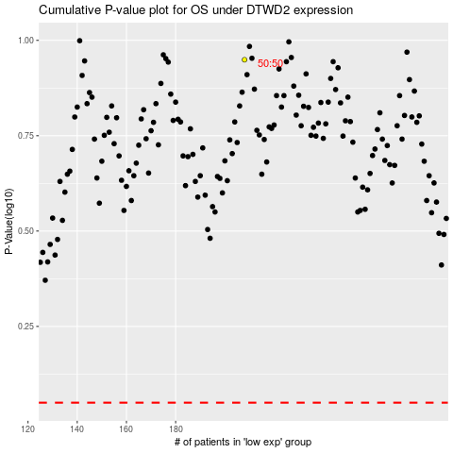

 |  |  |  |  |  | cases_OS | p_OS | rank | exp
 |  |  |  |  |  |  | cases_RFS | p_RFS | rank | exp

