DTX2 _multivariate
Reported by Tex Li-Hsing Chi. tex@gate.sinica.edu.tw 2019-08-20

Table 2. The clinicopathological features of HNSCC cohort and DTX2 expression. (Chi square test)
Cutoff at -0.228 (50.0%)
 |  | DTX2 expression |  | DTX2 expression |  | (Optimised)
 | Features | Low | (%) | High | (%) | Case no | P-value | Remark | Matthews
Gender | Female | 144 | 34.7 | 162 | 39 | 415 | 0.0697 | 0 | 0
2 | Male | 63 | 15.2 | 46 | 11.1
Age at diagnosis | <=65y | 133 | 32 | 141 | 34 | 415 | 0.5111 | 0 | 0
4 | >65y | 74 | 17.8 | 67 | 16.1
Clinical T Status | T1+T2 | 75 | 18.1 | 74 | 17.8 | 415 | 0.9707 | 0 | 0
6 | T3+T4 | 132 | 31.8 | 134 | 32.3
Clinical N Status | N0 | 122 | 29.4 | 94 | 22.7 | 415 | 0.0068 | 1 | 0
8 | N1-3 | 85 | 20.5 | 114 | 27.5
Clinical M Status | M0 | 207 | 49.9 | 205 | 49.4 | 415 | 0.2482 | 0 | 0
10 | M1 | 0 | 0 | 3 | 0.7
Clinical Stage | Stage I+II | 59 | 14.2 | 43 | 10.4 | 415 | 0.0822 | 0 | 0
12 | Stage III+IV | 148 | 35.7 | 165 | 39.8
Surgical Margin status | Negative | 147 | 35.4 | 171 | 41.2 | 415 | 0.0077 | 1 | 0
14 | Positive | 60 | 14.5 | 37 | 8.9
Tobacco Exposure | Low | 83 | 20 | 78 | 18.8 | 415 | 0.6152 | 0 | 0
16 | High | 124 | 29.9 | 130 | 31.3

Table 3. Univariate/Multivariate Cox's proportional hazards regression analyses on OS time of DTX2 gene expression in HNSCC

 |  | Univariate |  |  |  | Multivariate
 | Features | HR | CI95%(L) | CI95%(H) | P-value | HR | CI95%(L) | CI95%(H) | P-value
1 | Female | 1 |  |  |  | 1
Gender | Male | 1.157 | 0.843 | 1.587 | 0.367 | 1.18 | 0.844 | 1.65 | 0.333
11 | <=65y | 1 |  |  |  | 1
Age at diagnosis | >65y | 1.329 | 0.99 | 1.784 | 0.058 | 1.393 | 1.025 | 1.894 | 0.034
12 | T1+T2 | 1 |  |  |  | 1
Clinical T Status | T3+T4 | 1.409 | 1.028 | 1.931 | 0.033 | 2.172 | 1.148 | 4.11 | 0.017
13 | N0 | 1 |  |  |  | 1
Clinical N Status | N1-3 | 1.185 | 0.89 | 1.577 | 0.246 | 1.29 | 0.897 | 1.853 | 0.169
14 | M0 | 1 |  |  |  | 1
Clinical M Status | M1 | 4.097 | 1.009 | 16.644 | 0.049 | 9.838 | 2.141 | 45.203 | 0.003
15 | Stage I+II | 1 |  |  |  | 1
Clinical Stage | Stage III+IV | 1.245 | 0.882 | 1.759 | 0.213 | 0.508 | 0.236 | 1.089 | 0.082
16 | Negative | 1 |  |  |  | 1
Surgical Margin status | Positive | 1.591 | 1.155 | 2.191 | 0.004 | 1.634 | 1.18 | 2.264 | 0.003
17 | Low | 1 |  |  |  | 1
Tobacco Exposure | High | 1.364 | 1.008 | 1.844 | 0.044 | 1.439 | 1.044 | 1.983 | 0.026
18 | Low | 1 |  |  |  | 1
RNAseq(z-score) | High | 0.843 | 0.633 | 1.123 | 0.244 | 0.853 | 0.632 | 1.152 | 0.3

Table 4. Univariate/Multivariate Cox's proportional hazards regression analyses on RFS time of DTX2 gene expression in HNSCC

 |  | Univariate |  |  |  | Multivariate
 | Features | HR | CI95%(L) | CI95%(H) | P-value | HR | CI95%(L) | CI95%(H) | P-value
1 | Female | 1 |  |  |  | 1
Gender | Male | 1.157 | 0.843 | 1.587 | 0.367 | 1.18 | 0.844 | 1.65 | 0.333
11 | <=65y | 1 |  |  |  | 1
Age at diagnosis | >65y | 1.329 | 0.99 | 1.784 | 0.058 | 1.393 | 1.025 | 1.894 | 0.034
12 | T1+T2 | 1 |  |  |  | 1
Clinical T Status | T3+T4 | 1.409 | 1.028 | 1.931 | 0.033 | 2.172 | 1.148 | 4.11 | 0.017
13 | N0 | 1 |  |  |  | 1
Clinical N Status | N1-3 | 1.185 | 0.89 | 1.577 | 0.246 | 1.29 | 0.897 | 1.853 | 0.169
14 | M0 | 1 |  |  |  | 1
Clinical M Status | M1 | 4.097 | 1.009 | 16.644 | 0.049 | 9.838 | 2.141 | 45.203 | 0.003
15 | Stage I+II | 1 |  |  |  | 1
Clinical Stage | Stage III+IV | 1.245 | 0.882 | 1.759 | 0.213 | 0.508 | 0.236 | 1.089 | 0.082
16 | Negative | 1 |  |  |  | 1
Surgical Margin status | Positive | 1.591 | 1.155 | 2.191 | 0.004 | 1.634 | 1.18 | 2.264 | 0.003
17 | Low | 1 |  |  |  | 1
Tobacco Exposure | High | 1.364 | 1.008 | 1.844 | 0.044 | 1.439 | 1.044 | 1.983 | 0.026
18 | Low | 1 |  |  |  | 1
RNAseq(z-score) | High | 0.843 | 0.633 | 1.123 | 0.244 | 0.853 | 0.632 | 1.152 | 0.3

Kaplan-Meier survival estimate: Cutoff at -0.228 (50.0%)



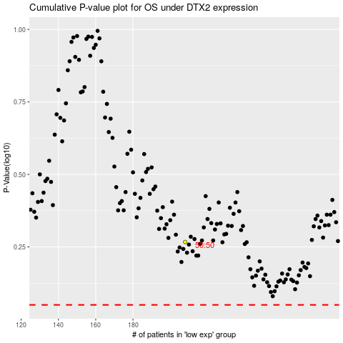

 |  |  |  |  |  | cases_OS | p_OS | rank | exp
 |  |  |  |  |  |  | cases_RFS | p_RFS | rank | exp

