DTX3 _multivariate
Reported by Tex Li-Hsing Chi. tex@gate.sinica.edu.tw 2019-08-20

Table 2. The clinicopathological features of HNSCC cohort and DTX3 expression. (Chi square test)
Cutoff at -0.192 (49.8%)
 |  | DTX3 expression |  | DTX3 expression |  | (Optimised)
 | Features | Low | (%) | High | (%) | Case no | P-value | Remark | Matthews
Gender | Female | 144 | 34.7 | 162 | 39 | 415 | 0.0697 | 0 | 0
2 | Male | 63 | 15.2 | 46 | 11.1
Age at diagnosis | <=65y | 144 | 34.7 | 130 | 31.3 | 415 | 0.1568 | 0 | 0
4 | >65y | 63 | 15.2 | 78 | 18.8
Clinical T Status | T1+T2 | 77 | 18.6 | 72 | 17.3 | 415 | 0.6556 | 0 | 0
6 | T3+T4 | 130 | 31.3 | 136 | 32.8
Clinical N Status | N0 | 108 | 26 | 108 | 26 | 415 | 1 | 0 | 0
8 | N1-3 | 99 | 23.9 | 100 | 24.1
Clinical M Status | M0 | 205 | 49.4 | 207 | 49.9 | 415 | 0.6232 | 0 | 0
10 | M1 | 2 | 0.5 | 1 | 0.2
Clinical Stage | Stage I+II | 57 | 13.7 | 45 | 10.8 | 415 | 0.1998 | 0 | 0
12 | Stage III+IV | 150 | 36.1 | 163 | 39.3
Surgical Margin status | Negative | 157 | 37.8 | 161 | 38.8 | 415 | 0.729 | 0 | 0
14 | Positive | 50 | 12 | 47 | 11.3
Tobacco Exposure | Low | 91 | 21.9 | 70 | 16.9 | 415 | 0.0346 | 1 | 0
16 | High | 116 | 28 | 138 | 33.3

Table 3. Univariate/Multivariate Cox's proportional hazards regression analyses on OS time of DTX3 gene expression in HNSCC

 |  | Univariate |  |  |  | Multivariate
 | Features | HR | CI95%(L) | CI95%(H) | P-value | HR | CI95%(L) | CI95%(H) | P-value
1 | Female | 1 |  |  |  | 1
Gender | Male | 1.157 | 0.843 | 1.587 | 0.367 | 1.21 | 0.866 | 1.691 | 0.264
11 | <=65y | 1 |  |  |  | 1
Age at diagnosis | >65y | 1.329 | 0.99 | 1.784 | 0.058 | 1.358 | 0.998 | 1.847 | 0.051
12 | T1+T2 | 1 |  |  |  | 1
Clinical T Status | T3+T4 | 1.409 | 1.028 | 1.931 | 0.033 | 2.293 | 1.209 | 4.348 | 0.011
13 | N0 | 1 |  |  |  | 1
Clinical N Status | N1-3 | 1.185 | 0.89 | 1.577 | 0.246 | 1.259 | 0.882 | 1.798 | 0.204
14 | M0 | 1 |  |  |  | 1
Clinical M Status | M1 | 4.097 | 1.009 | 16.644 | 0.049 | 10.465 | 2.267 | 48.302 | 0.003
15 | Stage I+II | 1 |  |  |  | 1
Clinical Stage | Stage III+IV | 1.245 | 0.882 | 1.759 | 0.213 | 0.471 | 0.218 | 1.017 | 0.055
16 | Negative | 1 |  |  |  | 1
Surgical Margin status | Positive | 1.591 | 1.155 | 2.191 | 0.004 | 1.7 | 1.229 | 2.352 | 0.001
17 | Low | 1 |  |  |  | 1
Tobacco Exposure | High | 1.364 | 1.008 | 1.844 | 0.044 | 1.42 | 1.03 | 1.958 | 0.032
18 | Low | 1 |  |  |  | 1
RNAseq(z-score) | High | 1.242 | 0.929 | 1.66 | 0.144 | 1.262 | 0.938 | 1.698 | 0.124

Table 4. Univariate/Multivariate Cox's proportional hazards regression analyses on RFS time of DTX3 gene expression in HNSCC

 |  | Univariate |  |  |  | Multivariate
 | Features | HR | CI95%(L) | CI95%(H) | P-value | HR | CI95%(L) | CI95%(H) | P-value
1 | Female | 1 |  |  |  | 1
Gender | Male | 1.157 | 0.843 | 1.587 | 0.367 | 1.21 | 0.866 | 1.691 | 0.264
11 | <=65y | 1 |  |  |  | 1
Age at diagnosis | >65y | 1.329 | 0.99 | 1.784 | 0.058 | 1.358 | 0.998 | 1.847 | 0.051
12 | T1+T2 | 1 |  |  |  | 1
Clinical T Status | T3+T4 | 1.409 | 1.028 | 1.931 | 0.033 | 2.293 | 1.209 | 4.348 | 0.011
13 | N0 | 1 |  |  |  | 1
Clinical N Status | N1-3 | 1.185 | 0.89 | 1.577 | 0.246 | 1.259 | 0.882 | 1.798 | 0.204
14 | M0 | 1 |  |  |  | 1
Clinical M Status | M1 | 4.097 | 1.009 | 16.644 | 0.049 | 10.465 | 2.267 | 48.302 | 0.003
15 | Stage I+II | 1 |  |  |  | 1
Clinical Stage | Stage III+IV | 1.245 | 0.882 | 1.759 | 0.213 | 0.471 | 0.218 | 1.017 | 0.055
16 | Negative | 1 |  |  |  | 1
Surgical Margin status | Positive | 1.591 | 1.155 | 2.191 | 0.004 | 1.7 | 1.229 | 2.352 | 0.001
17 | Low | 1 |  |  |  | 1
Tobacco Exposure | High | 1.364 | 1.008 | 1.844 | 0.044 | 1.42 | 1.03 | 1.958 | 0.032
18 | Low | 1 |  |  |  | 1
RNAseq(z-score) | High | 1.242 | 0.929 | 1.66 | 0.144 | 1.262 | 0.938 | 1.698 | 0.124

Kaplan-Meier survival estimate: Cutoff at -0.192 (49.8%)



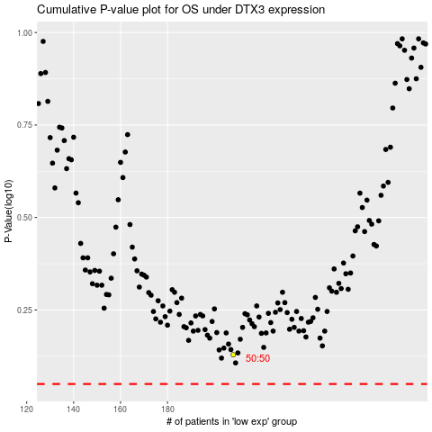

 |  |  |  |  |  | cases_OS | p_OS | rank | exp
 |  |  |  |  |  |  | cases_RFS | p_RFS | rank | exp

