DTX3L _multivariate
Reported by Tex Li-Hsing Chi. tex@gate.sinica.edu.tw 2019-08-20

Table 2. The clinicopathological features of HNSCC cohort and DTX3L expression. (Chi square test)
Cutoff at -0.077 (49.8%)
 |  | DTX3L expression |  | DTX3L expression |  | (Optimised)
 | Features | Low | (%) | High | (%) | Case no | P-value | Remark | Matthews
Gender | Female | 155 | 37.3 | 151 | 36.4 | 415 | 0.6768 | 0 | 0
2 | Male | 52 | 12.5 | 57 | 13.7
Age at diagnosis | <=65y | 141 | 34 | 133 | 32 | 415 | 0.4272 | 0 | 0
4 | >65y | 66 | 15.9 | 75 | 18.1
Clinical T Status | T1+T2 | 61 | 14.7 | 88 | 21.2 | 415 | 0.0087 | 1 | 0
6 | T3+T4 | 146 | 35.2 | 120 | 28.9
Clinical N Status | N0 | 114 | 27.5 | 102 | 24.6 | 415 | 0.2576 | 1 | 0
8 | N1-3 | 93 | 22.4 | 106 | 25.5
Clinical M Status | M0 | 207 | 49.9 | 205 | 49.4 | 415 | 0.2482 | 0 | 0
10 | M1 | 0 | 0 | 3 | 0.7
Clinical Stage | Stage I+II | 46 | 11.1 | 56 | 13.5 | 415 | 0.3182 | 0 | 0
12 | Stage III+IV | 161 | 38.8 | 152 | 36.6
Surgical Margin status | Negative | 159 | 38.3 | 159 | 38.3 | 415 | 1 | 0 | 0
14 | Positive | 48 | 11.6 | 49 | 11.8
Tobacco Exposure | Low | 72 | 17.3 | 89 | 21.4 | 415 | 0.1071 | 0 | 0
16 | High | 135 | 32.5 | 119 | 28.7

Table 3. Univariate/Multivariate Cox's proportional hazards regression analyses on OS time of DTX3L gene expression in HNSCC

 |  | Univariate |  |  |  | Multivariate
 | Features | HR | CI95%(L) | CI95%(H) | P-value | HR | CI95%(L) | CI95%(H) | P-value
1 | Female | 1 |  |  |  | 1
Gender | Male | 1.157 | 0.843 | 1.587 | 0.367 | 1.197 | 0.857 | 1.672 | 0.292
11 | <=65y | 1 |  |  |  | 1
Age at diagnosis | >65y | 1.329 | 0.99 | 1.784 | 0.058 | 1.387 | 1.02 | 1.886 | 0.037
12 | T1+T2 | 1 |  |  |  | 1
Clinical T Status | T3+T4 | 1.409 | 1.028 | 1.931 | 0.033 | 2.246 | 1.185 | 4.256 | 0.013
13 | N0 | 1 |  |  |  | 1
Clinical N Status | N1-3 | 1.185 | 0.89 | 1.577 | 0.246 | 1.236 | 0.866 | 1.764 | 0.243
14 | M0 | 1 |  |  |  | 1
Clinical M Status | M1 | 4.097 | 1.009 | 16.644 | 0.049 | 9.034 | 1.964 | 41.556 | 0.005
15 | Stage I+II | 1 |  |  |  | 1
Clinical Stage | Stage III+IV | 1.245 | 0.882 | 1.759 | 0.213 | 0.504 | 0.235 | 1.082 | 0.079
16 | Negative | 1 |  |  |  | 1
Surgical Margin status | Positive | 1.591 | 1.155 | 2.191 | 0.004 | 1.666 | 1.206 | 2.302 | 0.002
17 | Low | 1 |  |  |  | 1
Tobacco Exposure | High | 1.364 | 1.008 | 1.844 | 0.044 | 1.465 | 1.063 | 2.019 | 0.02
18 | Low | 1 |  |  |  | 1
RNAseq(z-score) | High | 1.092 | 0.819 | 1.456 | 0.55 | 1.118 | 0.833 | 1.502 | 0.456

Table 4. Univariate/Multivariate Cox's proportional hazards regression analyses on RFS time of DTX3L gene expression in HNSCC

 |  | Univariate |  |  |  | Multivariate
 | Features | HR | CI95%(L) | CI95%(H) | P-value | HR | CI95%(L) | CI95%(H) | P-value
1 | Female | 1 |  |  |  | 1
Gender | Male | 1.157 | 0.843 | 1.587 | 0.367 | 1.197 | 0.857 | 1.672 | 0.292
11 | <=65y | 1 |  |  |  | 1
Age at diagnosis | >65y | 1.329 | 0.99 | 1.784 | 0.058 | 1.387 | 1.02 | 1.886 | 0.037
12 | T1+T2 | 1 |  |  |  | 1
Clinical T Status | T3+T4 | 1.409 | 1.028 | 1.931 | 0.033 | 2.246 | 1.185 | 4.256 | 0.013
13 | N0 | 1 |  |  |  | 1
Clinical N Status | N1-3 | 1.185 | 0.89 | 1.577 | 0.246 | 1.236 | 0.866 | 1.764 | 0.243
14 | M0 | 1 |  |  |  | 1
Clinical M Status | M1 | 4.097 | 1.009 | 16.644 | 0.049 | 9.034 | 1.964 | 41.556 | 0.005
15 | Stage I+II | 1 |  |  |  | 1
Clinical Stage | Stage III+IV | 1.245 | 0.882 | 1.759 | 0.213 | 0.504 | 0.235 | 1.082 | 0.079
16 | Negative | 1 |  |  |  | 1
Surgical Margin status | Positive | 1.591 | 1.155 | 2.191 | 0.004 | 1.666 | 1.206 | 2.302 | 0.002
17 | Low | 1 |  |  |  | 1
Tobacco Exposure | High | 1.364 | 1.008 | 1.844 | 0.044 | 1.465 | 1.063 | 2.019 | 0.02
18 | Low | 1 |  |  |  | 1
RNAseq(z-score) | High | 1.092 | 0.819 | 1.456 | 0.55 | 1.118 | 0.833 | 1.502 | 0.456

Kaplan-Meier survival estimate: Cutoff at -0.077 (49.8%)



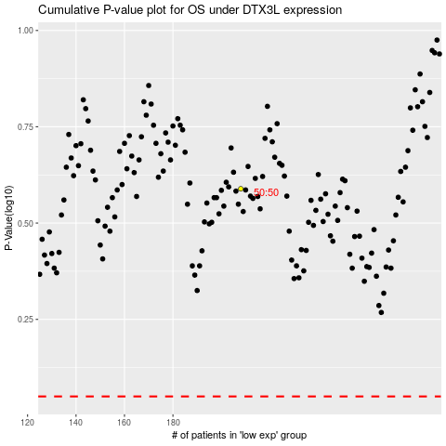

 |  |  |  |  |  | cases_OS | p_OS | rank | exp
 |  |  |  |  |  |  | cases_RFS | p_RFS | rank | exp

