DULLARD _multivariate
Reported by Tex Li-Hsing Chi. tex@gate.sinica.edu.tw 2019-08-20

Table 2. The clinicopathological features of HNSCC cohort and DULLARD expression. (Chi square test)
Cutoff at -0.112 (50.0%)
 |  | DULLARD expression |  | DULLARD expression |  | (Optimised)
 | Features | Low | (%) | High | (%) | Case no | P-value | Remark | Matthews
Gender | Female | 146 | 35.2 | 160 | 38.6 | 415 | 0.1714 | 0 | 0
2 | Male | 61 | 14.7 | 48 | 11.6
Age at diagnosis | <=65y | 144 | 34.7 | 130 | 31.3 | 415 | 0.1568 | 0 | 0
4 | >65y | 63 | 15.2 | 78 | 18.8
Clinical T Status | T1+T2 | 77 | 18.6 | 72 | 17.3 | 415 | 0.6556 | 0 | 0
6 | T3+T4 | 130 | 31.3 | 136 | 32.8
Clinical N Status | N0 | 106 | 25.5 | 110 | 26.5 | 415 | 0.8075 | 0 | 0
8 | N1-3 | 101 | 24.3 | 98 | 23.6
Clinical M Status | M0 | 206 | 49.6 | 206 | 49.6 | 415 | 1 | 0 | 0
10 | M1 | 1 | 0.2 | 2 | 0.5
Clinical Stage | Stage I+II | 51 | 12.3 | 51 | 12.3 | 415 | 1 | 0 | 0
12 | Stage III+IV | 156 | 37.6 | 157 | 37.8
Surgical Margin status | Negative | 156 | 37.6 | 162 | 39 | 415 | 0.5636 | 0 | 0
14 | Positive | 51 | 12.3 | 46 | 11.1
Tobacco Exposure | Low | 76 | 18.3 | 85 | 20.5 | 415 | 0.4207 | 0 | 0
16 | High | 131 | 31.6 | 123 | 29.6

Table 3. Univariate/Multivariate Cox's proportional hazards regression analyses on OS time of DULLARD gene expression in HNSCC

 |  | Univariate |  |  |  | Multivariate
 | Features | HR | CI95%(L) | CI95%(H) | P-value | HR | CI95%(L) | CI95%(H) | P-value
1 | Female | 1 |  |  |  | 1
Gender | Male | 1.157 | 0.843 | 1.587 | 0.367 | 1.192 | 0.853 | 1.666 | 0.303
11 | <=65y | 1 |  |  |  | 1
Age at diagnosis | >65y | 1.329 | 0.99 | 1.784 | 0.058 | 1.399 | 1.029 | 1.902 | 0.032
12 | T1+T2 | 1 |  |  |  | 1
Clinical T Status | T3+T4 | 1.409 | 1.028 | 1.931 | 0.033 | 2.212 | 1.17 | 4.184 | 0.015
13 | N0 | 1 |  |  |  | 1
Clinical N Status | N1-3 | 1.185 | 0.89 | 1.577 | 0.246 | 1.234 | 0.864 | 1.762 | 0.247
14 | M0 | 1 |  |  |  | 1
Clinical M Status | M1 | 4.097 | 1.009 | 16.644 | 0.049 | 9.705 | 2.109 | 44.655 | 0.004
15 | Stage I+II | 1 |  |  |  | 1
Clinical Stage | Stage III+IV | 1.245 | 0.882 | 1.759 | 0.213 | 0.503 | 0.234 | 1.08 | 0.078
16 | Negative | 1 |  |  |  | 1
Surgical Margin status | Positive | 1.591 | 1.155 | 2.191 | 0.004 | 1.671 | 1.209 | 2.309 | 0.002
17 | Low | 1 |  |  |  | 1
Tobacco Exposure | High | 1.364 | 1.008 | 1.844 | 0.044 | 1.449 | 1.052 | 1.996 | 0.023
18 | Low | 1 |  |  |  | 1
RNAseq(z-score) | High | 0.931 | 0.697 | 1.243 | 0.627 | 0.918 | 0.685 | 1.23 | 0.568

Table 4. Univariate/Multivariate Cox's proportional hazards regression analyses on RFS time of DULLARD gene expression in HNSCC

 |  | Univariate |  |  |  | Multivariate
 | Features | HR | CI95%(L) | CI95%(H) | P-value | HR | CI95%(L) | CI95%(H) | P-value
1 | Female | 1 |  |  |  | 1
Gender | Male | 1.157 | 0.843 | 1.587 | 0.367 | 1.192 | 0.853 | 1.666 | 0.303
11 | <=65y | 1 |  |  |  | 1
Age at diagnosis | >65y | 1.329 | 0.99 | 1.784 | 0.058 | 1.399 | 1.029 | 1.902 | 0.032
12 | T1+T2 | 1 |  |  |  | 1
Clinical T Status | T3+T4 | 1.409 | 1.028 | 1.931 | 0.033 | 2.212 | 1.17 | 4.184 | 0.015
13 | N0 | 1 |  |  |  | 1
Clinical N Status | N1-3 | 1.185 | 0.89 | 1.577 | 0.246 | 1.234 | 0.864 | 1.762 | 0.247
14 | M0 | 1 |  |  |  | 1
Clinical M Status | M1 | 4.097 | 1.009 | 16.644 | 0.049 | 9.705 | 2.109 | 44.655 | 0.004
15 | Stage I+II | 1 |  |  |  | 1
Clinical Stage | Stage III+IV | 1.245 | 0.882 | 1.759 | 0.213 | 0.503 | 0.234 | 1.08 | 0.078
16 | Negative | 1 |  |  |  | 1
Surgical Margin status | Positive | 1.591 | 1.155 | 2.191 | 0.004 | 1.671 | 1.209 | 2.309 | 0.002
17 | Low | 1 |  |  |  | 1
Tobacco Exposure | High | 1.364 | 1.008 | 1.844 | 0.044 | 1.449 | 1.052 | 1.996 | 0.023
18 | Low | 1 |  |  |  | 1
RNAseq(z-score) | High | 0.931 | 0.697 | 1.243 | 0.627 | 0.918 | 0.685 | 1.23 | 0.568

Kaplan-Meier survival estimate: Cutoff at -0.112 (50.0%)



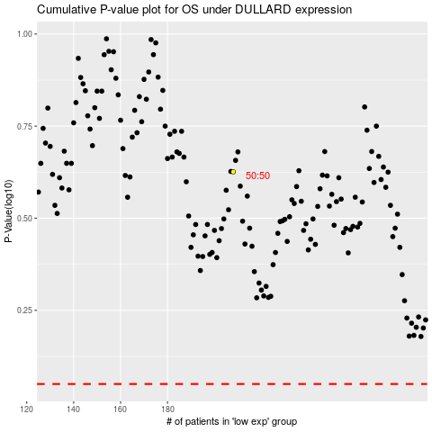

 |  |  |  |  |  | cases_OS | p_OS | rank | exp
 |  |  |  |  |  |  | cases_RFS | p_RFS | rank | exp

