DUOX1 _multivariate
Reported by Tex Li-Hsing Chi. tex@gate.sinica.edu.tw 2019-08-20

Table 2. The clinicopathological features of HNSCC cohort and DUOX1 expression. (Chi square test)
Cutoff at -0.558 (34.5%)
 |  | DUOX1 expression |  | DUOX1 expression |  | (Optimised)
 | Features | Low | (%) | High | (%) | Case no | P-value | Remark | Matthews
Gender | Female | 112 | 27 | 194 | 46.7 | 415 | 0.155 | 0 | 0
2 | Male | 31 | 7.5 | 78 | 18.8
Age at diagnosis | <=65y | 91 | 21.9 | 183 | 44.1 | 415 | 0.525 | 0 | 0
4 | >65y | 52 | 12.5 | 89 | 21.4
Clinical T Status | T1+T2 | 51 | 12.3 | 98 | 23.6 | 415 | 1 | 0 | 0
6 | T3+T4 | 92 | 22.2 | 174 | 41.9
Clinical N Status | N0 | 63 | 15.2 | 153 | 36.9 | 415 | 0.0238 | 1 | 0
8 | N1-3 | 80 | 19.3 | 119 | 28.7
Clinical M Status | M0 | 141 | 34 | 271 | 65.3 | 415 | 0.2739 | 0 | 0
10 | M1 | 2 | 0.5 | 1 | 0.2
Clinical Stage | Stage I+II | 33 | 8 | 69 | 16.6 | 415 | 0.6927 | 0 | 0
12 | Stage III+IV | 110 | 26.5 | 203 | 48.9
Surgical Margin status | Negative | 111 | 26.7 | 207 | 49.9 | 415 | 0.8074 | 0 | 0
14 | Positive | 32 | 7.7 | 65 | 15.7
Tobacco Exposure | Low | 43 | 10.4 | 118 | 28.4 | 415 | 0.0083 | 1 | 0
16 | High | 100 | 24.1 | 154 | 37.1

Table 3. Univariate/Multivariate Cox's proportional hazards regression analyses on OS time of DUOX1 gene expression in HNSCC

 |  | Univariate |  |  |  | Multivariate
 | Features | HR | CI95%(L) | CI95%(H) | P-value | HR | CI95%(L) | CI95%(H) | P-value
1 | Female | 1 |  |  |  | 1
Gender | Male | 1.157 | 0.843 | 1.587 | 0.367 | 1.232 | 0.881 | 1.723 | 0.222
11 | <=65y | 1 |  |  |  | 1
Age at diagnosis | >65y | 1.329 | 0.99 | 1.784 | 0.058 | 1.37 | 1.007 | 1.865 | 0.045
12 | T1+T2 | 1 |  |  |  | 1
Clinical T Status | T3+T4 | 1.409 | 1.028 | 1.931 | 0.033 | 2.129 | 1.125 | 4.029 | 0.02
13 | N0 | 1 |  |  |  | 1
Clinical N Status | N1-3 | 1.185 | 0.89 | 1.577 | 0.246 | 1.168 | 0.814 | 1.676 | 0.401
14 | M0 | 1 |  |  |  | 1
Clinical M Status | M1 | 4.097 | 1.009 | 16.644 | 0.049 | 8.637 | 1.879 | 39.687 | 0.006
15 | Stage I+II | 1 |  |  |  | 1
Clinical Stage | Stage III+IV | 1.245 | 0.882 | 1.759 | 0.213 | 0.532 | 0.247 | 1.144 | 0.106
16 | Negative | 1 |  |  |  | 1
Surgical Margin status | Positive | 1.591 | 1.155 | 2.191 | 0.004 | 1.718 | 1.241 | 2.377 | 0.001
17 | Low | 1 |  |  |  | 1
Tobacco Exposure | High | 1.364 | 1.008 | 1.844 | 0.044 | 1.407 | 1.019 | 1.942 | 0.038
18 | Low | 1 |  |  |  | 1
RNAseq(z-score) | High | 0.722 | 0.538 | 0.969 | 0.03 | 0.745 | 0.549 | 1.01 | 0.058

Table 4. Univariate/Multivariate Cox's proportional hazards regression analyses on RFS time of DUOX1 gene expression in HNSCC

 |  | Univariate |  |  |  | Multivariate
 | Features | HR | CI95%(L) | CI95%(H) | P-value | HR | CI95%(L) | CI95%(H) | P-value
1 | Female | 1 |  |  |  | 1
Gender | Male | 1.157 | 0.843 | 1.587 | 0.367 | 1.232 | 0.881 | 1.723 | 0.222
11 | <=65y | 1 |  |  |  | 1
Age at diagnosis | >65y | 1.329 | 0.99 | 1.784 | 0.058 | 1.37 | 1.007 | 1.865 | 0.045
12 | T1+T2 | 1 |  |  |  | 1
Clinical T Status | T3+T4 | 1.409 | 1.028 | 1.931 | 0.033 | 2.129 | 1.125 | 4.029 | 0.02
13 | N0 | 1 |  |  |  | 1
Clinical N Status | N1-3 | 1.185 | 0.89 | 1.577 | 0.246 | 1.168 | 0.814 | 1.676 | 0.401
14 | M0 | 1 |  |  |  | 1
Clinical M Status | M1 | 4.097 | 1.009 | 16.644 | 0.049 | 8.637 | 1.879 | 39.687 | 0.006
15 | Stage I+II | 1 |  |  |  | 1
Clinical Stage | Stage III+IV | 1.245 | 0.882 | 1.759 | 0.213 | 0.532 | 0.247 | 1.144 | 0.106
16 | Negative | 1 |  |  |  | 1
Surgical Margin status | Positive | 1.591 | 1.155 | 2.191 | 0.004 | 1.718 | 1.241 | 2.377 | 0.001
17 | Low | 1 |  |  |  | 1
Tobacco Exposure | High | 1.364 | 1.008 | 1.844 | 0.044 | 1.407 | 1.019 | 1.942 | 0.038
18 | Low | 1 |  |  |  | 1
RNAseq(z-score) | High | 0.722 | 0.538 | 0.969 | 0.03 | 0.745 | 0.549 | 1.01 | 0.058

Kaplan-Meier survival estimate: Cutoff at -0.558 (34.5%)



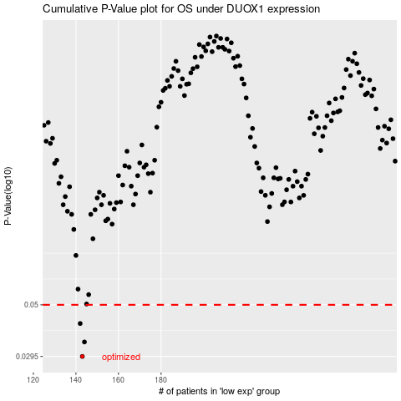

 |  |  |  |  |  | cases_OS | p_OS | rank | exp
 |  |  |  |  |  | 143 | 0.0295 | 351 | -0.55817312273
 |  |  |  |  |  | 144 | 0.0342 | 231 | -0.55634919044
 |  |  |  |  |  | 142 | 0.0413 | 223 | -0.55837960202
 |  |  |  |  |  |  | cases_RFS | p_RFS | rank | exp
 |  |  |  |  |  |  | 142 | 0.0295 | 223 | -0.55837960202
 |  |  |  |  |  |  | 143 | 0.0342 | 351 | -0.55817312273
 |  |  |  |  |  |  | 141 | 0.0413 | 394 | -0.5636500768

