DUS2L _multivariate
Reported by Tex Li-Hsing Chi. tex@gate.sinica.edu.tw 2019-08-20

Table 2. The clinicopathological features of HNSCC cohort and DUS2L expression. (Chi square test)
Cutoff at -0.139 (50.0%)
 |  | DUS2L expression |  | DUS2L expression |  | (Optimised)
 | Features | Low | (%) | High | (%) | Case no | P-value | Remark | Matthews
Gender | Female | 157 | 37.8 | 149 | 35.9 | 415 | 0.3881 | 0 | 0
2 | Male | 50 | 12 | 59 | 14.2
Age at diagnosis | <=65y | 145 | 34.9 | 129 | 31.1 | 415 | 0.1046 | 0 | 0
4 | >65y | 62 | 14.9 | 79 | 19
Clinical T Status | T1+T2 | 79 | 19 | 70 | 16.9 | 415 | 0.3924 | 0 | 0
6 | T3+T4 | 128 | 30.8 | 138 | 33.3
Clinical N Status | N0 | 102 | 24.6 | 114 | 27.5 | 415 | 0.3031 | 0 | 0
8 | N1-3 | 105 | 25.3 | 94 | 22.7
Clinical M Status | M0 | 207 | 49.9 | 205 | 49.4 | 415 | 0.2482 | 0 | 0
10 | M1 | 0 | 0 | 3 | 0.7
Clinical Stage | Stage I+II | 49 | 11.8 | 53 | 12.8 | 415 | 0.7535 | 0 | 0
12 | Stage III+IV | 158 | 38.1 | 155 | 37.3
Surgical Margin status | Negative | 162 | 39 | 156 | 37.6 | 415 | 0.4867 | 0 | 0
14 | Positive | 45 | 10.8 | 52 | 12.5
Tobacco Exposure | Low | 71 | 17.1 | 90 | 21.7 | 415 | 0.0698 | 0 | 0
16 | High | 136 | 32.8 | 118 | 28.4

Table 3. Univariate/Multivariate Cox's proportional hazards regression analyses on OS time of DUS2L gene expression in HNSCC

 |  | Univariate |  |  |  | Multivariate
 | Features | HR | CI95%(L) | CI95%(H) | P-value | HR | CI95%(L) | CI95%(H) | P-value
1 | Female | 1 |  |  |  | 1
Gender | Male | 1.157 | 0.843 | 1.587 | 0.367 | 1.202 | 0.86 | 1.68 | 0.281
11 | <=65y | 1 |  |  |  | 1
Age at diagnosis | >65y | 1.329 | 0.99 | 1.784 | 0.058 | 1.393 | 1.023 | 1.896 | 0.035
12 | T1+T2 | 1 |  |  |  | 1
Clinical T Status | T3+T4 | 1.409 | 1.028 | 1.931 | 0.033 | 2.206 | 1.162 | 4.187 | 0.016
13 | N0 | 1 |  |  |  | 1
Clinical N Status | N1-3 | 1.185 | 0.89 | 1.577 | 0.246 | 1.241 | 0.87 | 1.77 | 0.234
14 | M0 | 1 |  |  |  | 1
Clinical M Status | M1 | 4.097 | 1.009 | 16.644 | 0.049 | 9.451 | 2.024 | 44.126 | 0.004
15 | Stage I+II | 1 |  |  |  | 1
Clinical Stage | Stage III+IV | 1.245 | 0.882 | 1.759 | 0.213 | 0.504 | 0.233 | 1.087 | 0.081
16 | Negative | 1 |  |  |  | 1
Surgical Margin status | Positive | 1.591 | 1.155 | 2.191 | 0.004 | 1.673 | 1.209 | 2.315 | 0.002
17 | Low | 1 |  |  |  | 1
Tobacco Exposure | High | 1.364 | 1.008 | 1.844 | 0.044 | 1.452 | 1.053 | 2.003 | 0.023
18 | Low | 1 |  |  |  | 1
RNAseq(z-score) | High | 1.096 | 0.822 | 1.461 | 0.531 | 0.994 | 0.738 | 1.34 | 0.969

Table 4. Univariate/Multivariate Cox's proportional hazards regression analyses on RFS time of DUS2L gene expression in HNSCC

 |  | Univariate |  |  |  | Multivariate
 | Features | HR | CI95%(L) | CI95%(H) | P-value | HR | CI95%(L) | CI95%(H) | P-value
1 | Female | 1 |  |  |  | 1
Gender | Male | 1.157 | 0.843 | 1.587 | 0.367 | 1.202 | 0.86 | 1.68 | 0.281
11 | <=65y | 1 |  |  |  | 1
Age at diagnosis | >65y | 1.329 | 0.99 | 1.784 | 0.058 | 1.393 | 1.023 | 1.896 | 0.035
12 | T1+T2 | 1 |  |  |  | 1
Clinical T Status | T3+T4 | 1.409 | 1.028 | 1.931 | 0.033 | 2.206 | 1.162 | 4.187 | 0.016
13 | N0 | 1 |  |  |  | 1
Clinical N Status | N1-3 | 1.185 | 0.89 | 1.577 | 0.246 | 1.241 | 0.87 | 1.77 | 0.234
14 | M0 | 1 |  |  |  | 1
Clinical M Status | M1 | 4.097 | 1.009 | 16.644 | 0.049 | 9.451 | 2.024 | 44.126 | 0.004
15 | Stage I+II | 1 |  |  |  | 1
Clinical Stage | Stage III+IV | 1.245 | 0.882 | 1.759 | 0.213 | 0.504 | 0.233 | 1.087 | 0.081
16 | Negative | 1 |  |  |  | 1
Surgical Margin status | Positive | 1.591 | 1.155 | 2.191 | 0.004 | 1.673 | 1.209 | 2.315 | 0.002
17 | Low | 1 |  |  |  | 1
Tobacco Exposure | High | 1.364 | 1.008 | 1.844 | 0.044 | 1.452 | 1.053 | 2.003 | 0.023
18 | Low | 1 |  |  |  | 1
RNAseq(z-score) | High | 1.096 | 0.822 | 1.461 | 0.531 | 0.994 | 0.738 | 1.34 | 0.969

Kaplan-Meier survival estimate: Cutoff at -0.139 (50.0%)



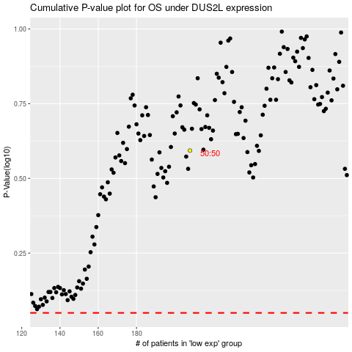

 |  |  |  |  |  | cases_OS | p_OS | rank | exp
 |  |  |  |  |  |  | cases_RFS | p_RFS | rank | exp

