DUSP11 _multivariate
Reported by Tex Li-Hsing Chi. tex@gate.sinica.edu.tw 2019-08-20

Table 2. The clinicopathological features of HNSCC cohort and DUSP11 expression. (Chi square test)
Cutoff at -0.071 (50.0%)
 |  | DUSP11 expression |  | DUSP11 expression |  | (Optimised)
 | Features | Low | (%) | High | (%) | Case no | P-value | Remark | Matthews
Gender | Female | 160 | 38.6 | 146 | 35.2 | 415 | 0.1254 | 0 | 0
2 | Male | 47 | 11.3 | 62 | 14.9
Age at diagnosis | <=65y | 144 | 34.7 | 130 | 31.3 | 415 | 0.1568 | 0 | 0
4 | >65y | 63 | 15.2 | 78 | 18.8
Clinical T Status | T1+T2 | 72 | 17.3 | 77 | 18.6 | 415 | 0.7095 | 0 | 0
6 | T3+T4 | 135 | 32.5 | 131 | 31.6
Clinical N Status | N0 | 107 | 25.8 | 109 | 26.3 | 415 | 0.9624 | 0 | 0
8 | N1-3 | 100 | 24.1 | 99 | 23.9
Clinical M Status | M0 | 207 | 49.9 | 205 | 49.4 | 415 | 0.2482 | 0 | 0
10 | M1 | 0 | 0 | 3 | 0.7
Clinical Stage | Stage I+II | 46 | 11.1 | 56 | 13.5 | 415 | 0.3182 | 0 | 0
12 | Stage III+IV | 161 | 38.8 | 152 | 36.6
Surgical Margin status | Negative | 159 | 38.3 | 159 | 38.3 | 415 | 1 | 0 | 0
14 | Positive | 48 | 11.6 | 49 | 11.8
Tobacco Exposure | Low | 72 | 17.3 | 89 | 21.4 | 415 | 0.1071 | 0 | 0
16 | High | 135 | 32.5 | 119 | 28.7

Table 3. Univariate/Multivariate Cox's proportional hazards regression analyses on OS time of DUSP11 gene expression in HNSCC

 |  | Univariate |  |  |  | Multivariate
 | Features | HR | CI95%(L) | CI95%(H) | P-value | HR | CI95%(L) | CI95%(H) | P-value
1 | Female | 1 |  |  |  | 1
Gender | Male | 1.157 | 0.843 | 1.587 | 0.367 | 1.192 | 0.853 | 1.667 | 0.304
11 | <=65y | 1 |  |  |  | 1
Age at diagnosis | >65y | 1.329 | 0.99 | 1.784 | 0.058 | 1.393 | 1.024 | 1.894 | 0.035
12 | T1+T2 | 1 |  |  |  | 1
Clinical T Status | T3+T4 | 1.409 | 1.028 | 1.931 | 0.033 | 2.199 | 1.163 | 4.159 | 0.015
13 | N0 | 1 |  |  |  | 1
Clinical N Status | N1-3 | 1.185 | 0.89 | 1.577 | 0.246 | 1.249 | 0.875 | 1.784 | 0.221
14 | M0 | 1 |  |  |  | 1
Clinical M Status | M1 | 4.097 | 1.009 | 16.644 | 0.049 | 8.889 | 1.922 | 41.108 | 0.005
15 | Stage I+II | 1 |  |  |  | 1
Clinical Stage | Stage III+IV | 1.245 | 0.882 | 1.759 | 0.213 | 0.507 | 0.236 | 1.089 | 0.082
16 | Negative | 1 |  |  |  | 1
Surgical Margin status | Positive | 1.591 | 1.155 | 2.191 | 0.004 | 1.663 | 1.203 | 2.298 | 0.002
17 | Low | 1 |  |  |  | 1
Tobacco Exposure | High | 1.364 | 1.008 | 1.844 | 0.044 | 1.46 | 1.059 | 2.013 | 0.021
18 | Low | 1 |  |  |  | 1
RNAseq(z-score) | High | 1.133 | 0.851 | 1.509 | 0.392 | 1.104 | 0.825 | 1.477 | 0.506

Table 4. Univariate/Multivariate Cox's proportional hazards regression analyses on RFS time of DUSP11 gene expression in HNSCC

 |  | Univariate |  |  |  | Multivariate
 | Features | HR | CI95%(L) | CI95%(H) | P-value | HR | CI95%(L) | CI95%(H) | P-value
1 | Female | 1 |  |  |  | 1
Gender | Male | 1.157 | 0.843 | 1.587 | 0.367 | 1.192 | 0.853 | 1.667 | 0.304
11 | <=65y | 1 |  |  |  | 1
Age at diagnosis | >65y | 1.329 | 0.99 | 1.784 | 0.058 | 1.393 | 1.024 | 1.894 | 0.035
12 | T1+T2 | 1 |  |  |  | 1
Clinical T Status | T3+T4 | 1.409 | 1.028 | 1.931 | 0.033 | 2.199 | 1.163 | 4.159 | 0.015
13 | N0 | 1 |  |  |  | 1
Clinical N Status | N1-3 | 1.185 | 0.89 | 1.577 | 0.246 | 1.249 | 0.875 | 1.784 | 0.221
14 | M0 | 1 |  |  |  | 1
Clinical M Status | M1 | 4.097 | 1.009 | 16.644 | 0.049 | 8.889 | 1.922 | 41.108 | 0.005
15 | Stage I+II | 1 |  |  |  | 1
Clinical Stage | Stage III+IV | 1.245 | 0.882 | 1.759 | 0.213 | 0.507 | 0.236 | 1.089 | 0.082
16 | Negative | 1 |  |  |  | 1
Surgical Margin status | Positive | 1.591 | 1.155 | 2.191 | 0.004 | 1.663 | 1.203 | 2.298 | 0.002
17 | Low | 1 |  |  |  | 1
Tobacco Exposure | High | 1.364 | 1.008 | 1.844 | 0.044 | 1.46 | 1.059 | 2.013 | 0.021
18 | Low | 1 |  |  |  | 1
RNAseq(z-score) | High | 1.133 | 0.851 | 1.509 | 0.392 | 1.104 | 0.825 | 1.477 | 0.506

Kaplan-Meier survival estimate: Cutoff at -0.071 (50.0%)



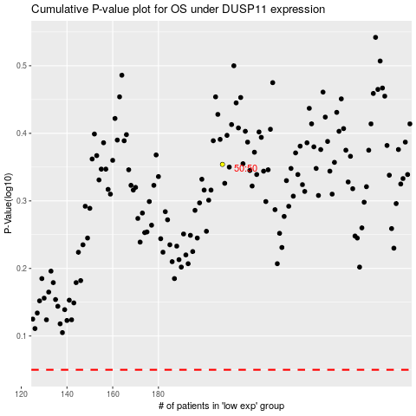

 |  |  |  |  |  | cases_OS | p_OS | rank | exp
 |  |  |  |  |  |  | cases_RFS | p_RFS | rank | exp

