DUSP12 _multivariate
Reported by Tex Li-Hsing Chi. tex@gate.sinica.edu.tw 2019-08-20

Table 2. The clinicopathological features of HNSCC cohort and DUSP12 expression. (Chi square test)
Cutoff at -0.131 (50.0%)
 |  | DUSP12 expression |  | DUSP12 expression |  | (Optimised)
 | Features | Low | (%) | High | (%) | Case no | P-value | Remark | Matthews
Gender | Female | 144 | 34.7 | 162 | 39 | 415 | 0.0697 | 0 | 0
2 | Male | 63 | 15.2 | 46 | 11.1
Age at diagnosis | <=65y | 135 | 32.5 | 139 | 33.5 | 415 | 0.8084 | 0 | 0
4 | >65y | 72 | 17.3 | 69 | 16.6
Clinical T Status | T1+T2 | 81 | 19.5 | 68 | 16.4 | 415 | 0.206 | 0 | 0
6 | T3+T4 | 126 | 30.4 | 140 | 33.7
Clinical N Status | N0 | 104 | 25.1 | 112 | 27 | 415 | 0.5243 | 0 | 0
8 | N1-3 | 103 | 24.8 | 96 | 23.1
Clinical M Status | M0 | 206 | 49.6 | 206 | 49.6 | 415 | 1 | 0 | 0
10 | M1 | 1 | 0.2 | 2 | 0.5
Clinical Stage | Stage I+II | 58 | 14 | 44 | 10.6 | 415 | 0.131 | 0 | 0
12 | Stage III+IV | 149 | 35.9 | 164 | 39.5
Surgical Margin status | Negative | 164 | 39.5 | 154 | 37.1 | 415 | 0.2462 | 0 | 0
14 | Positive | 43 | 10.4 | 54 | 13
Tobacco Exposure | Low | 86 | 20.7 | 75 | 18.1 | 415 | 0.2687 | 0 | 0
16 | High | 121 | 29.2 | 133 | 32

Table 3. Univariate/Multivariate Cox's proportional hazards regression analyses on OS time of DUSP12 gene expression in HNSCC

 |  | Univariate |  |  |  | Multivariate
 | Features | HR | CI95%(L) | CI95%(H) | P-value | HR | CI95%(L) | CI95%(H) | P-value
1 | Female | 1 |  |  |  | 1
Gender | Male | 1.157 | 0.843 | 1.587 | 0.367 | 1.178 | 0.842 | 1.648 | 0.339
11 | <=65y | 1 |  |  |  | 1
Age at diagnosis | >65y | 1.329 | 0.99 | 1.784 | 0.058 | 1.374 | 1.01 | 1.87 | 0.043
12 | T1+T2 | 1 |  |  |  | 1
Clinical T Status | T3+T4 | 1.409 | 1.028 | 1.931 | 0.033 | 2.193 | 1.16 | 4.146 | 0.016
13 | N0 | 1 |  |  |  | 1
Clinical N Status | N1-3 | 1.185 | 0.89 | 1.577 | 0.246 | 1.204 | 0.84 | 1.724 | 0.311
14 | M0 | 1 |  |  |  | 1
Clinical M Status | M1 | 4.097 | 1.009 | 16.644 | 0.049 | 9.595 | 2.092 | 43.997 | 0.004
15 | Stage I+II | 1 |  |  |  | 1
Clinical Stage | Stage III+IV | 1.245 | 0.882 | 1.759 | 0.213 | 0.521 | 0.242 | 1.121 | 0.095
16 | Negative | 1 |  |  |  | 1
Surgical Margin status | Positive | 1.591 | 1.155 | 2.191 | 0.004 | 1.693 | 1.224 | 2.341 | 0.001
17 | Low | 1 |  |  |  | 1
Tobacco Exposure | High | 1.364 | 1.008 | 1.844 | 0.044 | 1.479 | 1.072 | 2.042 | 0.017
18 | Low | 1 |  |  |  | 1
RNAseq(z-score) | High | 0.876 | 0.657 | 1.168 | 0.369 | 0.846 | 0.628 | 1.139 | 0.27

Table 4. Univariate/Multivariate Cox's proportional hazards regression analyses on RFS time of DUSP12 gene expression in HNSCC

 |  | Univariate |  |  |  | Multivariate
 | Features | HR | CI95%(L) | CI95%(H) | P-value | HR | CI95%(L) | CI95%(H) | P-value
1 | Female | 1 |  |  |  | 1
Gender | Male | 1.157 | 0.843 | 1.587 | 0.367 | 1.178 | 0.842 | 1.648 | 0.339
11 | <=65y | 1 |  |  |  | 1
Age at diagnosis | >65y | 1.329 | 0.99 | 1.784 | 0.058 | 1.374 | 1.01 | 1.87 | 0.043
12 | T1+T2 | 1 |  |  |  | 1
Clinical T Status | T3+T4 | 1.409 | 1.028 | 1.931 | 0.033 | 2.193 | 1.16 | 4.146 | 0.016
13 | N0 | 1 |  |  |  | 1
Clinical N Status | N1-3 | 1.185 | 0.89 | 1.577 | 0.246 | 1.204 | 0.84 | 1.724 | 0.311
14 | M0 | 1 |  |  |  | 1
Clinical M Status | M1 | 4.097 | 1.009 | 16.644 | 0.049 | 9.595 | 2.092 | 43.997 | 0.004
15 | Stage I+II | 1 |  |  |  | 1
Clinical Stage | Stage III+IV | 1.245 | 0.882 | 1.759 | 0.213 | 0.521 | 0.242 | 1.121 | 0.095
16 | Negative | 1 |  |  |  | 1
Surgical Margin status | Positive | 1.591 | 1.155 | 2.191 | 0.004 | 1.693 | 1.224 | 2.341 | 0.001
17 | Low | 1 |  |  |  | 1
Tobacco Exposure | High | 1.364 | 1.008 | 1.844 | 0.044 | 1.479 | 1.072 | 2.042 | 0.017
18 | Low | 1 |  |  |  | 1
RNAseq(z-score) | High | 0.876 | 0.657 | 1.168 | 0.369 | 0.846 | 0.628 | 1.139 | 0.27

Kaplan-Meier survival estimate: Cutoff at -0.131 (50.0%)



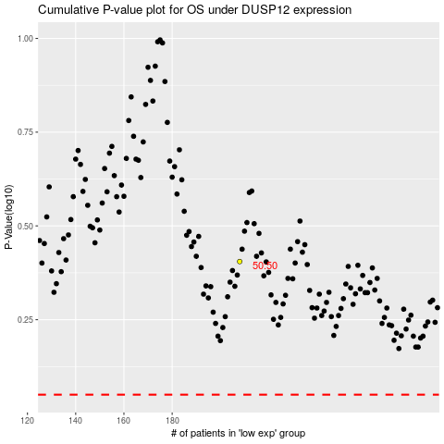

 |  |  |  |  |  | cases_OS | p_OS | rank | exp
 |  |  |  |  |  |  | cases_RFS | p_RFS | rank | exp

