DUSP2 _multivariate
Reported by Tex Li-Hsing Chi. tex@gate.sinica.edu.tw 2019-08-20

Table 2. The clinicopathological features of HNSCC cohort and DUSP2 expression. (Chi square test)
Cutoff at -0.327 (49.8%)
 |  | DUSP2 expression |  | DUSP2 expression |  | (Optimised)
 | Features | Low | (%) | High | (%) | Case no | P-value | Remark | Matthews
Gender | Female | 138 | 33.3 | 168 | 40.5 | 415 | 0.0016 | 1 | 0
2 | Male | 69 | 16.6 | 40 | 9.6
Age at diagnosis | <=65y | 131 | 31.6 | 143 | 34.5 | 415 | 0.2839 | 0 | 0
4 | >65y | 76 | 18.3 | 65 | 15.7
Clinical T Status | T1+T2 | 79 | 19 | 70 | 16.9 | 415 | 0.3924 | 0 | 0
6 | T3+T4 | 128 | 30.8 | 138 | 33.3
Clinical N Status | N0 | 106 | 25.5 | 110 | 26.5 | 415 | 0.8075 | 0 | 0
8 | N1-3 | 101 | 24.3 | 98 | 23.6
Clinical M Status | M0 | 205 | 49.4 | 207 | 49.9 | 415 | 0.6232 | 0 | 0
10 | M1 | 2 | 0.5 | 1 | 0.2
Clinical Stage | Stage I+II | 57 | 13.7 | 45 | 10.8 | 415 | 0.1998 | 0 | 0
12 | Stage III+IV | 150 | 36.1 | 163 | 39.3
Surgical Margin status | Negative | 160 | 38.6 | 158 | 38.1 | 415 | 0.8167 | 0 | 0
14 | Positive | 47 | 11.3 | 50 | 12
Tobacco Exposure | Low | 94 | 22.7 | 67 | 16.1 | 415 | 0.0065 | 1 | 0
16 | High | 113 | 27.2 | 141 | 34

Table 3. Univariate/Multivariate Cox's proportional hazards regression analyses on OS time of DUSP2 gene expression in HNSCC

 |  | Univariate |  |  |  | Multivariate
 | Features | HR | CI95%(L) | CI95%(H) | P-value | HR | CI95%(L) | CI95%(H) | P-value
1 | Female | 1 |  |  |  | 1
Gender | Male | 1.157 | 0.843 | 1.587 | 0.367 | 1.204 | 0.859 | 1.689 | 0.281
11 | <=65y | 1 |  |  |  | 1
Age at diagnosis | >65y | 1.329 | 0.99 | 1.784 | 0.058 | 1.393 | 1.024 | 1.895 | 0.035
12 | T1+T2 | 1 |  |  |  | 1
Clinical T Status | T3+T4 | 1.409 | 1.028 | 1.931 | 0.033 | 2.204 | 1.166 | 4.169 | 0.015
13 | N0 | 1 |  |  |  | 1
Clinical N Status | N1-3 | 1.185 | 0.89 | 1.577 | 0.246 | 1.242 | 0.87 | 1.774 | 0.233
14 | M0 | 1 |  |  |  | 1
Clinical M Status | M1 | 4.097 | 1.009 | 16.644 | 0.049 | 9.458 | 2.054 | 43.55 | 0.004
15 | Stage I+II | 1 |  |  |  | 1
Clinical Stage | Stage III+IV | 1.245 | 0.882 | 1.759 | 0.213 | 0.503 | 0.234 | 1.082 | 0.079
16 | Negative | 1 |  |  |  | 1
Surgical Margin status | Positive | 1.591 | 1.155 | 2.191 | 0.004 | 1.669 | 1.206 | 2.31 | 0.002
17 | Low | 1 |  |  |  | 1
Tobacco Exposure | High | 1.364 | 1.008 | 1.844 | 0.044 | 1.451 | 1.051 | 2.002 | 0.024
18 | Low | 1 |  |  |  | 1
RNAseq(z-score) | High | 1.004 | 0.754 | 1.337 | 0.978 | 1.014 | 0.753 | 1.366 | 0.927

Table 4. Univariate/Multivariate Cox's proportional hazards regression analyses on RFS time of DUSP2 gene expression in HNSCC

 |  | Univariate |  |  |  | Multivariate
 | Features | HR | CI95%(L) | CI95%(H) | P-value | HR | CI95%(L) | CI95%(H) | P-value
1 | Female | 1 |  |  |  | 1
Gender | Male | 1.157 | 0.843 | 1.587 | 0.367 | 1.204 | 0.859 | 1.689 | 0.281
11 | <=65y | 1 |  |  |  | 1
Age at diagnosis | >65y | 1.329 | 0.99 | 1.784 | 0.058 | 1.393 | 1.024 | 1.895 | 0.035
12 | T1+T2 | 1 |  |  |  | 1
Clinical T Status | T3+T4 | 1.409 | 1.028 | 1.931 | 0.033 | 2.204 | 1.166 | 4.169 | 0.015
13 | N0 | 1 |  |  |  | 1
Clinical N Status | N1-3 | 1.185 | 0.89 | 1.577 | 0.246 | 1.242 | 0.87 | 1.774 | 0.233
14 | M0 | 1 |  |  |  | 1
Clinical M Status | M1 | 4.097 | 1.009 | 16.644 | 0.049 | 9.458 | 2.054 | 43.55 | 0.004
15 | Stage I+II | 1 |  |  |  | 1
Clinical Stage | Stage III+IV | 1.245 | 0.882 | 1.759 | 0.213 | 0.503 | 0.234 | 1.082 | 0.079
16 | Negative | 1 |  |  |  | 1
Surgical Margin status | Positive | 1.591 | 1.155 | 2.191 | 0.004 | 1.669 | 1.206 | 2.31 | 0.002
17 | Low | 1 |  |  |  | 1
Tobacco Exposure | High | 1.364 | 1.008 | 1.844 | 0.044 | 1.451 | 1.051 | 2.002 | 0.024
18 | Low | 1 |  |  |  | 1
RNAseq(z-score) | High | 1.004 | 0.754 | 1.337 | 0.978 | 1.014 | 0.753 | 1.366 | 0.927

Kaplan-Meier survival estimate: Cutoff at -0.327 (49.8%)



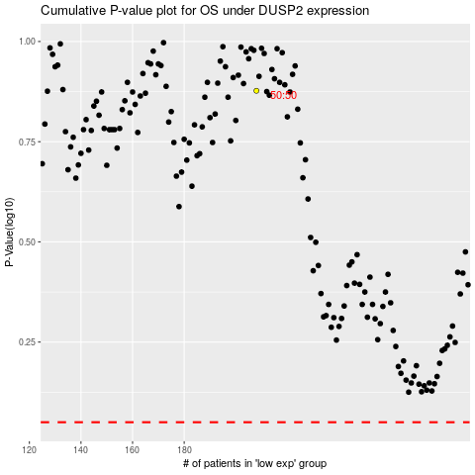

 |  |  |  |  |  | cases_OS | p_OS | rank | exp
 |  |  |  |  |  |  | cases_RFS | p_RFS | rank | exp

