DUSP22 _multivariate
Reported by Tex Li-Hsing Chi. tex@gate.sinica.edu.tw 2019-08-20

Table 2. The clinicopathological features of HNSCC cohort and DUSP22 expression. (Chi square test)
Cutoff at -0.003 (62.8%)
 |  | DUSP22 expression |  | DUSP22 expression |  | (Optimised)
 | Features | Low | (%) | High | (%) | Case no | P-value | Remark | Matthews
Gender | Female | 194 | 46.7 | 112 | 27 | 415 | 0.6799 | 0 | 0
2 | Male | 66 | 15.9 | 43 | 10.4
Age at diagnosis | <=65y | 171 | 41.2 | 103 | 24.8 | 415 | 0.9722 | 0 | 0
4 | >65y | 89 | 21.4 | 52 | 12.5
Clinical T Status | T1+T2 | 92 | 22.2 | 57 | 13.7 | 415 | 0.8574 | 0 | 0
6 | T3+T4 | 168 | 40.5 | 98 | 23.6
Clinical N Status | N0 | 130 | 31.3 | 86 | 20.7 | 415 | 0.327 | 0 | 0
8 | N1-3 | 130 | 31.3 | 69 | 16.6
Clinical M Status | M0 | 259 | 62.4 | 153 | 36.9 | 415 | 0.5587 | 0 | 0
10 | M1 | 1 | 0.2 | 2 | 0.5
Clinical Stage | Stage I+II | 63 | 15.2 | 39 | 9.4 | 415 | 0.9242 | 0 | 0
12 | Stage III+IV | 197 | 47.5 | 116 | 28
Surgical Margin status | Negative | 204 | 49.2 | 114 | 27.5 | 415 | 0.281 | 0 | 0
14 | Positive | 56 | 13.5 | 41 | 9.9
Tobacco Exposure | Low | 94 | 22.7 | 67 | 16.1 | 415 | 0.1759 | 0 | 0
16 | High | 166 | 40 | 88 | 21.2

Table 3. Univariate/Multivariate Cox's proportional hazards regression analyses on OS time of DUSP22 gene expression in HNSCC

 |  | Univariate |  |  |  | Multivariate
 | Features | HR | CI95%(L) | CI95%(H) | P-value | HR | CI95%(L) | CI95%(H) | P-value
1 | Female | 1 |  |  |  | 1
Gender | Male | 1.157 | 0.843 | 1.587 | 0.367 | 1.223 | 0.874 | 1.71 | 0.24
11 | <=65y | 1 |  |  |  | 1
Age at diagnosis | >65y | 1.329 | 0.99 | 1.784 | 0.058 | 1.361 | 1 | 1.851 | 0.05
12 | T1+T2 | 1 |  |  |  | 1
Clinical T Status | T3+T4 | 1.409 | 1.028 | 1.931 | 0.033 | 2.221 | 1.174 | 4.202 | 0.014
13 | N0 | 1 |  |  |  | 1
Clinical N Status | N1-3 | 1.185 | 0.89 | 1.577 | 0.246 | 1.219 | 0.854 | 1.741 | 0.275
14 | M0 | 1 |  |  |  | 1
Clinical M Status | M1 | 4.097 | 1.009 | 16.644 | 0.049 | 11.314 | 2.447 | 52.319 | 0.002
15 | Stage I+II | 1 |  |  |  | 1
Clinical Stage | Stage III+IV | 1.245 | 0.882 | 1.759 | 0.213 | 0.489 | 0.227 | 1.05 | 0.066
16 | Negative | 1 |  |  |  | 1
Surgical Margin status | Positive | 1.591 | 1.155 | 2.191 | 0.004 | 1.775 | 1.28 | 2.462 | 0.001
17 | Low | 1 |  |  |  | 1
Tobacco Exposure | High | 1.364 | 1.008 | 1.844 | 0.044 | 1.449 | 1.051 | 1.998 | 0.024
18 | Low | 1 |  |  |  | 1
RNAseq(z-score) | High | 0.721 | 0.529 | 0.984 | 0.039 | 0.692 | 0.504 | 0.951 | 0.023

Table 4. Univariate/Multivariate Cox's proportional hazards regression analyses on RFS time of DUSP22 gene expression in HNSCC

 |  | Univariate |  |  |  | Multivariate
 | Features | HR | CI95%(L) | CI95%(H) | P-value | HR | CI95%(L) | CI95%(H) | P-value
1 | Female | 1 |  |  |  | 1
Gender | Male | 1.157 | 0.843 | 1.587 | 0.367 | 1.223 | 0.874 | 1.71 | 0.24
11 | <=65y | 1 |  |  |  | 1
Age at diagnosis | >65y | 1.329 | 0.99 | 1.784 | 0.058 | 1.361 | 1 | 1.851 | 0.05
12 | T1+T2 | 1 |  |  |  | 1
Clinical T Status | T3+T4 | 1.409 | 1.028 | 1.931 | 0.033 | 2.221 | 1.174 | 4.202 | 0.014
13 | N0 | 1 |  |  |  | 1
Clinical N Status | N1-3 | 1.185 | 0.89 | 1.577 | 0.246 | 1.219 | 0.854 | 1.741 | 0.275
14 | M0 | 1 |  |  |  | 1
Clinical M Status | M1 | 4.097 | 1.009 | 16.644 | 0.049 | 11.314 | 2.447 | 52.319 | 0.002
15 | Stage I+II | 1 |  |  |  | 1
Clinical Stage | Stage III+IV | 1.245 | 0.882 | 1.759 | 0.213 | 0.489 | 0.227 | 1.05 | 0.066
16 | Negative | 1 |  |  |  | 1
Surgical Margin status | Positive | 1.591 | 1.155 | 2.191 | 0.004 | 1.775 | 1.28 | 2.462 | 0.001
17 | Low | 1 |  |  |  | 1
Tobacco Exposure | High | 1.364 | 1.008 | 1.844 | 0.044 | 1.449 | 1.051 | 1.998 | 0.024
18 | Low | 1 |  |  |  | 1
RNAseq(z-score) | High | 0.721 | 0.529 | 0.984 | 0.039 | 0.692 | 0.504 | 0.951 | 0.023

Kaplan-Meier survival estimate: Cutoff at -0.003 (62.8%)



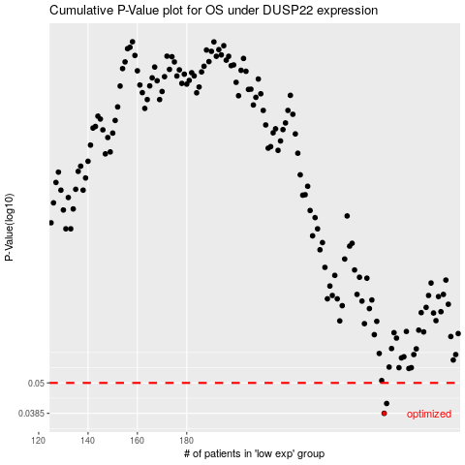

 |  |  |  |  |  | cases_OS | p_OS | rank | exp
 |  |  |  |  |  | 260 | 0.0385 | 343 | -0.0028442722987
 |  |  |  |  |  | 261 | 0.0419 | 110 | -0.0015624186017
 |  |  |  |  |  |  | cases_RFS | p_RFS | rank | exp
 |  |  |  |  |  |  | 259 | 0.0385 | 52 | -0.011276187577
 |  |  |  |  |  |  | 260 | 0.0419 | 343 | -0.0028442722987

