DUSP26 _multivariate
Reported by Tex Li-Hsing Chi. tex@gate.sinica.edu.tw 2019-08-20

Table 2. The clinicopathological features of HNSCC cohort and DUSP26 expression. (Chi square test)
Cutoff at -0.254 (50.0%)
 |  | DUSP26 expression |  | DUSP26 expression |  | (Optimised)
 | Features | Low | (%) | High | (%) | Case no | P-value | Remark | Matthews
Gender | Female | 154 | 37.1 | 152 | 36.6 | 415 | 0.8463 | 0 | 0
2 | Male | 53 | 12.8 | 56 | 13.5
Age at diagnosis | <=65y | 126 | 30.4 | 148 | 35.7 | 415 | 0.035 | 1 | 0
4 | >65y | 81 | 19.5 | 60 | 14.5
Clinical T Status | T1+T2 | 63 | 15.2 | 86 | 20.7 | 415 | 0.0268 | 1 | 0
6 | T3+T4 | 144 | 34.7 | 122 | 29.4
Clinical N Status | N0 | 112 | 27 | 104 | 25.1 | 415 | 0.4599 | 0 | 0
8 | N1-3 | 95 | 22.9 | 104 | 25.1
Clinical M Status | M0 | 204 | 49.2 | 208 | 50.1 | 415 | 0.1232 | 0 | 0
10 | M1 | 3 | 0.7 | 0 | 0
Clinical Stage | Stage I+II | 41 | 9.9 | 61 | 14.7 | 415 | 0.0325 | 1 | 0
12 | Stage III+IV | 166 | 40 | 147 | 35.4
Surgical Margin status | Negative | 156 | 37.6 | 162 | 39 | 415 | 0.5636 | 0 | 0
14 | Positive | 51 | 12.3 | 46 | 11.1
Tobacco Exposure | Low | 87 | 21 | 74 | 17.8 | 415 | 0.1911 | 0 | 0
16 | High | 120 | 28.9 | 134 | 32.3

Table 3. Univariate/Multivariate Cox's proportional hazards regression analyses on OS time of DUSP26 gene expression in HNSCC

 |  | Univariate |  |  |  | Multivariate
 | Features | HR | CI95%(L) | CI95%(H) | P-value | HR | CI95%(L) | CI95%(H) | P-value
1 | Female | 1 |  |  |  | 1
Gender | Male | 1.157 | 0.843 | 1.587 | 0.367 | 1.179 | 0.842 | 1.65 | 0.337
11 | <=65y | 1 |  |  |  | 1
Age at diagnosis | >65y | 1.329 | 0.99 | 1.784 | 0.058 | 1.406 | 1.033 | 1.913 | 0.03
12 | T1+T2 | 1 |  |  |  | 1
Clinical T Status | T3+T4 | 1.409 | 1.028 | 1.931 | 0.033 | 2.196 | 1.161 | 4.153 | 0.016
13 | N0 | 1 |  |  |  | 1
Clinical N Status | N1-3 | 1.185 | 0.89 | 1.577 | 0.246 | 1.214 | 0.849 | 1.737 | 0.288
14 | M0 | 1 |  |  |  | 1
Clinical M Status | M1 | 4.097 | 1.009 | 16.644 | 0.049 | 10.249 | 2.219 | 47.334 | 0.003
15 | Stage I+II | 1 |  |  |  | 1
Clinical Stage | Stage III+IV | 1.245 | 0.882 | 1.759 | 0.213 | 0.518 | 0.241 | 1.114 | 0.092
16 | Negative | 1 |  |  |  | 1
Surgical Margin status | Positive | 1.591 | 1.155 | 2.191 | 0.004 | 1.682 | 1.218 | 2.324 | 0.002
17 | Low | 1 |  |  |  | 1
Tobacco Exposure | High | 1.364 | 1.008 | 1.844 | 0.044 | 1.431 | 1.038 | 1.973 | 0.029
18 | Low | 1 |  |  |  | 1
RNAseq(z-score) | High | 1.166 | 0.874 | 1.556 | 0.297 | 1.188 | 0.882 | 1.599 | 0.256

Table 4. Univariate/Multivariate Cox's proportional hazards regression analyses on RFS time of DUSP26 gene expression in HNSCC

 |  | Univariate |  |  |  | Multivariate
 | Features | HR | CI95%(L) | CI95%(H) | P-value | HR | CI95%(L) | CI95%(H) | P-value
1 | Female | 1 |  |  |  | 1
Gender | Male | 1.157 | 0.843 | 1.587 | 0.367 | 1.179 | 0.842 | 1.65 | 0.337
11 | <=65y | 1 |  |  |  | 1
Age at diagnosis | >65y | 1.329 | 0.99 | 1.784 | 0.058 | 1.406 | 1.033 | 1.913 | 0.03
12 | T1+T2 | 1 |  |  |  | 1
Clinical T Status | T3+T4 | 1.409 | 1.028 | 1.931 | 0.033 | 2.196 | 1.161 | 4.153 | 0.016
13 | N0 | 1 |  |  |  | 1
Clinical N Status | N1-3 | 1.185 | 0.89 | 1.577 | 0.246 | 1.214 | 0.849 | 1.737 | 0.288
14 | M0 | 1 |  |  |  | 1
Clinical M Status | M1 | 4.097 | 1.009 | 16.644 | 0.049 | 10.249 | 2.219 | 47.334 | 0.003
15 | Stage I+II | 1 |  |  |  | 1
Clinical Stage | Stage III+IV | 1.245 | 0.882 | 1.759 | 0.213 | 0.518 | 0.241 | 1.114 | 0.092
16 | Negative | 1 |  |  |  | 1
Surgical Margin status | Positive | 1.591 | 1.155 | 2.191 | 0.004 | 1.682 | 1.218 | 2.324 | 0.002
17 | Low | 1 |  |  |  | 1
Tobacco Exposure | High | 1.364 | 1.008 | 1.844 | 0.044 | 1.431 | 1.038 | 1.973 | 0.029
18 | Low | 1 |  |  |  | 1
RNAseq(z-score) | High | 1.166 | 0.874 | 1.556 | 0.297 | 1.188 | 0.882 | 1.599 | 0.256

Kaplan-Meier survival estimate: Cutoff at -0.254 (50.0%)



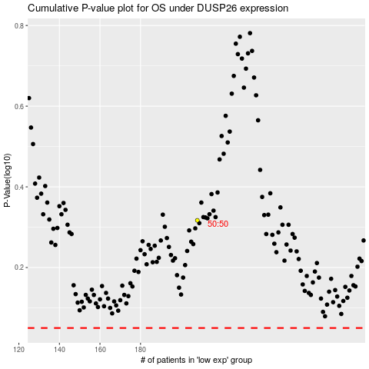

 |  |  |  |  |  | cases_OS | p_OS | rank | exp
 |  |  |  |  |  |  | cases_RFS | p_RFS | rank | exp

