DUSP4 _multivariate
Reported by Tex Li-Hsing Chi. tex@gate.sinica.edu.tw 2019-08-20

Table 2. The clinicopathological features of HNSCC cohort and DUSP4 expression. (Chi square test)
Cutoff at -0.281 (50.0%)
 |  | DUSP4 expression |  | DUSP4 expression |  | (Optimised)
 | Features | Low | (%) | High | (%) | Case no | P-value | Remark | Matthews
Gender | Female | 164 | 39.5 | 142 | 34.2 | 415 | 0.0153 | 1 | 0
2 | Male | 43 | 10.4 | 66 | 15.9
Age at diagnosis | <=65y | 139 | 33.5 | 135 | 32.5 | 415 | 0.7044 | 0 | 0
4 | >65y | 68 | 16.4 | 73 | 17.6
Clinical T Status | T1+T2 | 66 | 15.9 | 83 | 20 | 415 | 0.1095 | 0 | 0
6 | T3+T4 | 141 | 34 | 125 | 30.1
Clinical N Status | N0 | 120 | 28.9 | 96 | 23.1 | 415 | 0.0208 | 1 | 0
8 | N1-3 | 87 | 21 | 112 | 27
Clinical M Status | M0 | 204 | 49.2 | 208 | 50.1 | 415 | 0.1232 | 0 | 0
10 | M1 | 3 | 0.7 | 0 | 0
Clinical Stage | Stage I+II | 45 | 10.8 | 57 | 13.7 | 415 | 0.2202 | 0 | 0
12 | Stage III+IV | 162 | 39 | 151 | 36.4
Surgical Margin status | Negative | 159 | 38.3 | 159 | 38.3 | 415 | 1 | 0 | 0
14 | Positive | 48 | 11.6 | 49 | 11.8
Tobacco Exposure | Low | 73 | 17.6 | 88 | 21.2 | 415 | 0.1587 | 0 | 0
16 | High | 134 | 32.3 | 120 | 28.9

Table 3. Univariate/Multivariate Cox's proportional hazards regression analyses on OS time of DUSP4 gene expression in HNSCC

 |  | Univariate |  |  |  | Multivariate
 | Features | HR | CI95%(L) | CI95%(H) | P-value | HR | CI95%(L) | CI95%(H) | P-value
1 | Female | 1 |  |  |  | 1
Gender | Male | 1.157 | 0.843 | 1.587 | 0.367 | 1.203 | 0.862 | 1.681 | 0.278
11 | <=65y | 1 |  |  |  | 1
Age at diagnosis | >65y | 1.329 | 0.99 | 1.784 | 0.058 | 1.397 | 1.027 | 1.899 | 0.033
12 | T1+T2 | 1 |  |  |  | 1
Clinical T Status | T3+T4 | 1.409 | 1.028 | 1.931 | 0.033 | 2.196 | 1.161 | 4.153 | 0.016
13 | N0 | 1 |  |  |  | 1
Clinical N Status | N1-3 | 1.185 | 0.89 | 1.577 | 0.246 | 1.256 | 0.876 | 1.8 | 0.216
14 | M0 | 1 |  |  |  | 1
Clinical M Status | M1 | 4.097 | 1.009 | 16.644 | 0.049 | 9.085 | 1.963 | 42.043 | 0.005
15 | Stage I+II | 1 |  |  |  | 1
Clinical Stage | Stage III+IV | 1.245 | 0.882 | 1.759 | 0.213 | 0.5 | 0.232 | 1.074 | 0.075
16 | Negative | 1 |  |  |  | 1
Surgical Margin status | Positive | 1.591 | 1.155 | 2.191 | 0.004 | 1.671 | 1.209 | 2.31 | 0.002
17 | Low | 1 |  |  |  | 1
Tobacco Exposure | High | 1.364 | 1.008 | 1.844 | 0.044 | 1.441 | 1.043 | 1.991 | 0.027
18 | Low | 1 |  |  |  | 1
RNAseq(z-score) | High | 0.914 | 0.686 | 1.218 | 0.541 | 0.942 | 0.699 | 1.268 | 0.693

Table 4. Univariate/Multivariate Cox's proportional hazards regression analyses on RFS time of DUSP4 gene expression in HNSCC

 |  | Univariate |  |  |  | Multivariate
 | Features | HR | CI95%(L) | CI95%(H) | P-value | HR | CI95%(L) | CI95%(H) | P-value
1 | Female | 1 |  |  |  | 1
Gender | Male | 1.157 | 0.843 | 1.587 | 0.367 | 1.203 | 0.862 | 1.681 | 0.278
11 | <=65y | 1 |  |  |  | 1
Age at diagnosis | >65y | 1.329 | 0.99 | 1.784 | 0.058 | 1.397 | 1.027 | 1.899 | 0.033
12 | T1+T2 | 1 |  |  |  | 1
Clinical T Status | T3+T4 | 1.409 | 1.028 | 1.931 | 0.033 | 2.196 | 1.161 | 4.153 | 0.016
13 | N0 | 1 |  |  |  | 1
Clinical N Status | N1-3 | 1.185 | 0.89 | 1.577 | 0.246 | 1.256 | 0.876 | 1.8 | 0.216
14 | M0 | 1 |  |  |  | 1
Clinical M Status | M1 | 4.097 | 1.009 | 16.644 | 0.049 | 9.085 | 1.963 | 42.043 | 0.005
15 | Stage I+II | 1 |  |  |  | 1
Clinical Stage | Stage III+IV | 1.245 | 0.882 | 1.759 | 0.213 | 0.5 | 0.232 | 1.074 | 0.075
16 | Negative | 1 |  |  |  | 1
Surgical Margin status | Positive | 1.591 | 1.155 | 2.191 | 0.004 | 1.671 | 1.209 | 2.31 | 0.002
17 | Low | 1 |  |  |  | 1
Tobacco Exposure | High | 1.364 | 1.008 | 1.844 | 0.044 | 1.441 | 1.043 | 1.991 | 0.027
18 | Low | 1 |  |  |  | 1
RNAseq(z-score) | High | 0.914 | 0.686 | 1.218 | 0.541 | 0.942 | 0.699 | 1.268 | 0.693

Kaplan-Meier survival estimate: Cutoff at -0.281 (50.0%)



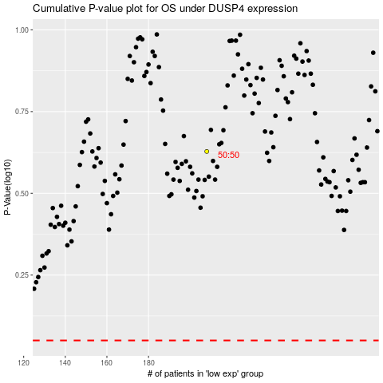

 |  |  |  |  |  | cases_OS | p_OS | rank | exp
 |  |  |  |  |  |  | cases_RFS | p_RFS | rank | exp

