DVL1 _multivariate
Reported by Tex Li-Hsing Chi. tex@gate.sinica.edu.tw 2019-08-20

Table 2. The clinicopathological features of HNSCC cohort and DVL1 expression. (Chi square test)
Cutoff at -0.114 (50.0%)
 |  | DVL1 expression |  | DVL1 expression |  | (Optimised)
 | Features | Low | (%) | High | (%) | Case no | P-value | Remark | Matthews
Gender | Female | 156 | 37.6 | 150 | 36.1 | 415 | 0.5222 | 0 | 0
2 | Male | 51 | 12.3 | 58 | 14
Age at diagnosis | <=65y | 127 | 30.6 | 147 | 35.4 | 415 | 0.0573 | 0 | 0
4 | >65y | 80 | 19.3 | 61 | 14.7
Clinical T Status | T1+T2 | 77 | 18.6 | 72 | 17.3 | 415 | 0.6556 | 0 | 0
6 | T3+T4 | 130 | 31.3 | 136 | 32.8
Clinical N Status | N0 | 110 | 26.5 | 106 | 25.5 | 415 | 0.7294 | 0 | 0
8 | N1-3 | 97 | 23.4 | 102 | 24.6
Clinical M Status | M0 | 207 | 49.9 | 205 | 49.4 | 415 | 0.2482 | 0 | 0
10 | M1 | 0 | 0 | 3 | 0.7
Clinical Stage | Stage I+II | 49 | 11.8 | 53 | 12.8 | 415 | 0.7535 | 0 | 0
12 | Stage III+IV | 158 | 38.1 | 155 | 37.3
Surgical Margin status | Negative | 157 | 37.8 | 161 | 38.8 | 415 | 0.729 | 0 | 0
14 | Positive | 50 | 12 | 47 | 11.3
Tobacco Exposure | Low | 79 | 19 | 82 | 19.8 | 415 | 0.8405 | 0 | 0
16 | High | 128 | 30.8 | 126 | 30.4

Table 3. Univariate/Multivariate Cox's proportional hazards regression analyses on OS time of DVL1 gene expression in HNSCC

 |  | Univariate |  |  |  | Multivariate
 | Features | HR | CI95%(L) | CI95%(H) | P-value | HR | CI95%(L) | CI95%(H) | P-value
1 | Female | 1 |  |  |  | 1
Gender | Male | 1.157 | 0.843 | 1.587 | 0.367 | 1.205 | 0.863 | 1.683 | 0.274
11 | <=65y | 1 |  |  |  | 1
Age at diagnosis | >65y | 1.329 | 0.99 | 1.784 | 0.058 | 1.387 | 1.02 | 1.886 | 0.037
12 | T1+T2 | 1 |  |  |  | 1
Clinical T Status | T3+T4 | 1.409 | 1.028 | 1.931 | 0.033 | 2.224 | 1.175 | 4.212 | 0.014
13 | N0 | 1 |  |  |  | 1
Clinical N Status | N1-3 | 1.185 | 0.89 | 1.577 | 0.246 | 1.245 | 0.872 | 1.776 | 0.228
14 | M0 | 1 |  |  |  | 1
Clinical M Status | M1 | 4.097 | 1.009 | 16.644 | 0.049 | 9.827 | 2.119 | 45.58 | 0.004
15 | Stage I+II | 1 |  |  |  | 1
Clinical Stage | Stage III+IV | 1.245 | 0.882 | 1.759 | 0.213 | 0.498 | 0.231 | 1.071 | 0.074
16 | Negative | 1 |  |  |  | 1
Surgical Margin status | Positive | 1.591 | 1.155 | 2.191 | 0.004 | 1.675 | 1.212 | 2.315 | 0.002
17 | Low | 1 |  |  |  | 1
Tobacco Exposure | High | 1.364 | 1.008 | 1.844 | 0.044 | 1.454 | 1.055 | 2.003 | 0.022
18 | Low | 1 |  |  |  | 1
RNAseq(z-score) | High | 0.974 | 0.731 | 1.297 | 0.857 | 0.935 | 0.699 | 1.25 | 0.648

Table 4. Univariate/Multivariate Cox's proportional hazards regression analyses on RFS time of DVL1 gene expression in HNSCC

 |  | Univariate |  |  |  | Multivariate
 | Features | HR | CI95%(L) | CI95%(H) | P-value | HR | CI95%(L) | CI95%(H) | P-value
1 | Female | 1 |  |  |  | 1
Gender | Male | 1.157 | 0.843 | 1.587 | 0.367 | 1.205 | 0.863 | 1.683 | 0.274
11 | <=65y | 1 |  |  |  | 1
Age at diagnosis | >65y | 1.329 | 0.99 | 1.784 | 0.058 | 1.387 | 1.02 | 1.886 | 0.037
12 | T1+T2 | 1 |  |  |  | 1
Clinical T Status | T3+T4 | 1.409 | 1.028 | 1.931 | 0.033 | 2.224 | 1.175 | 4.212 | 0.014
13 | N0 | 1 |  |  |  | 1
Clinical N Status | N1-3 | 1.185 | 0.89 | 1.577 | 0.246 | 1.245 | 0.872 | 1.776 | 0.228
14 | M0 | 1 |  |  |  | 1
Clinical M Status | M1 | 4.097 | 1.009 | 16.644 | 0.049 | 9.827 | 2.119 | 45.58 | 0.004
15 | Stage I+II | 1 |  |  |  | 1
Clinical Stage | Stage III+IV | 1.245 | 0.882 | 1.759 | 0.213 | 0.498 | 0.231 | 1.071 | 0.074
16 | Negative | 1 |  |  |  | 1
Surgical Margin status | Positive | 1.591 | 1.155 | 2.191 | 0.004 | 1.675 | 1.212 | 2.315 | 0.002
17 | Low | 1 |  |  |  | 1
Tobacco Exposure | High | 1.364 | 1.008 | 1.844 | 0.044 | 1.454 | 1.055 | 2.003 | 0.022
18 | Low | 1 |  |  |  | 1
RNAseq(z-score) | High | 0.974 | 0.731 | 1.297 | 0.857 | 0.935 | 0.699 | 1.25 | 0.648

Kaplan-Meier survival estimate: Cutoff at -0.114 (50.0%)

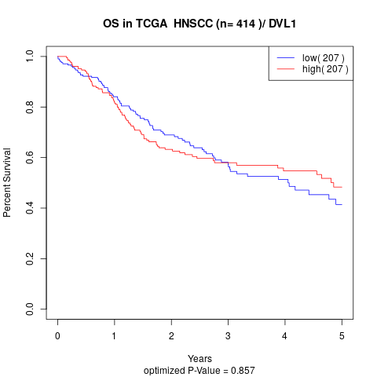

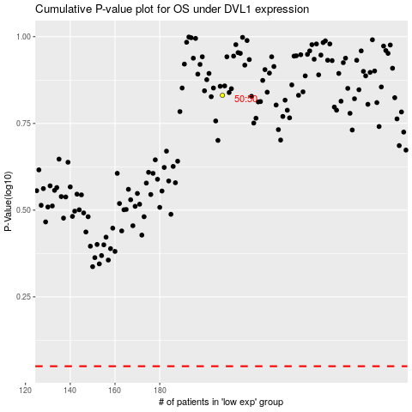

 |  |  |  |  |  | cases_OS | p_OS | rank | exp
 |  |  |  |  |  |  | cases_RFS | p_RFS | rank | exp

