DYM _multivariate
Reported by Tex Li-Hsing Chi. tex@gate.sinica.edu.tw 2019-08-20

Table 2. The clinicopathological features of HNSCC cohort and DYM expression. (Chi square test)
Cutoff at -0.211 (49.8%)
 |  | DYM expression |  | DYM expression |  | (Optimised)
 | Features | Low | (%) | High | (%) | Case no | P-value | Remark | Matthews
Gender | Female | 150 | 36.1 | 156 | 37.6 | 415 | 0.6344 | 0 | 0
2 | Male | 57 | 13.7 | 52 | 12.5
Age at diagnosis | <=65y | 140 | 33.7 | 134 | 32.3 | 415 | 0.5574 | 0 | 0
4 | >65y | 67 | 16.1 | 74 | 17.8
Clinical T Status | T1+T2 | 81 | 19.5 | 68 | 16.4 | 415 | 0.206 | 0 | 0
6 | T3+T4 | 126 | 30.4 | 140 | 33.7
Clinical N Status | N0 | 111 | 26.7 | 105 | 25.3 | 415 | 0.5875 | 0 | 0
8 | N1-3 | 96 | 23.1 | 103 | 24.8
Clinical M Status | M0 | 205 | 49.4 | 207 | 49.9 | 415 | 0.6232 | 0 | 0
10 | M1 | 2 | 0.5 | 1 | 0.2
Clinical Stage | Stage I+II | 58 | 14 | 44 | 10.6 | 415 | 0.131 | 0 | 0
12 | Stage III+IV | 149 | 35.9 | 164 | 39.5
Surgical Margin status | Negative | 163 | 39.3 | 155 | 37.3 | 415 | 0.3537 | 0 | 0
14 | Positive | 44 | 10.6 | 53 | 12.8
Tobacco Exposure | Low | 81 | 19.5 | 80 | 19.3 | 415 | 0.9199 | 0 | 0
16 | High | 126 | 30.4 | 128 | 30.8

Table 3. Univariate/Multivariate Cox's proportional hazards regression analyses on OS time of DYM gene expression in HNSCC

 |  | Univariate |  |  |  | Multivariate
 | Features | HR | CI95%(L) | CI95%(H) | P-value | HR | CI95%(L) | CI95%(H) | P-value
1 | Female | 1 |  |  |  | 1
Gender | Male | 1.157 | 0.843 | 1.587 | 0.367 | 1.205 | 0.864 | 1.681 | 0.273
11 | <=65y | 1 |  |  |  | 1
Age at diagnosis | >65y | 1.329 | 0.99 | 1.784 | 0.058 | 1.386 | 1.02 | 1.884 | 0.037
12 | T1+T2 | 1 |  |  |  | 1
Clinical T Status | T3+T4 | 1.409 | 1.028 | 1.931 | 0.033 | 2.233 | 1.181 | 4.222 | 0.013
13 | N0 | 1 |  |  |  | 1
Clinical N Status | N1-3 | 1.185 | 0.89 | 1.577 | 0.246 | 1.252 | 0.877 | 1.787 | 0.217
14 | M0 | 1 |  |  |  | 1
Clinical M Status | M1 | 4.097 | 1.009 | 16.644 | 0.049 | 10.103 | 2.194 | 46.515 | 0.003
15 | Stage I+II | 1 |  |  |  | 1
Clinical Stage | Stage III+IV | 1.245 | 0.882 | 1.759 | 0.213 | 0.485 | 0.226 | 1.043 | 0.064
16 | Negative | 1 |  |  |  | 1
Surgical Margin status | Positive | 1.591 | 1.155 | 2.191 | 0.004 | 1.657 | 1.199 | 2.291 | 0.002
17 | Low | 1 |  |  |  | 1
Tobacco Exposure | High | 1.364 | 1.008 | 1.844 | 0.044 | 1.462 | 1.062 | 2.012 | 0.02
18 | Low | 1 |  |  |  | 1
RNAseq(z-score) | High | 1.202 | 0.9 | 1.605 | 0.214 | 1.207 | 0.901 | 1.617 | 0.208

Table 4. Univariate/Multivariate Cox's proportional hazards regression analyses on RFS time of DYM gene expression in HNSCC

 |  | Univariate |  |  |  | Multivariate
 | Features | HR | CI95%(L) | CI95%(H) | P-value | HR | CI95%(L) | CI95%(H) | P-value
1 | Female | 1 |  |  |  | 1
Gender | Male | 1.157 | 0.843 | 1.587 | 0.367 | 1.205 | 0.864 | 1.681 | 0.273
11 | <=65y | 1 |  |  |  | 1
Age at diagnosis | >65y | 1.329 | 0.99 | 1.784 | 0.058 | 1.386 | 1.02 | 1.884 | 0.037
12 | T1+T2 | 1 |  |  |  | 1
Clinical T Status | T3+T4 | 1.409 | 1.028 | 1.931 | 0.033 | 2.233 | 1.181 | 4.222 | 0.013
13 | N0 | 1 |  |  |  | 1
Clinical N Status | N1-3 | 1.185 | 0.89 | 1.577 | 0.246 | 1.252 | 0.877 | 1.787 | 0.217
14 | M0 | 1 |  |  |  | 1
Clinical M Status | M1 | 4.097 | 1.009 | 16.644 | 0.049 | 10.103 | 2.194 | 46.515 | 0.003
15 | Stage I+II | 1 |  |  |  | 1
Clinical Stage | Stage III+IV | 1.245 | 0.882 | 1.759 | 0.213 | 0.485 | 0.226 | 1.043 | 0.064
16 | Negative | 1 |  |  |  | 1
Surgical Margin status | Positive | 1.591 | 1.155 | 2.191 | 0.004 | 1.657 | 1.199 | 2.291 | 0.002
17 | Low | 1 |  |  |  | 1
Tobacco Exposure | High | 1.364 | 1.008 | 1.844 | 0.044 | 1.462 | 1.062 | 2.012 | 0.02
18 | Low | 1 |  |  |  | 1
RNAseq(z-score) | High | 1.202 | 0.9 | 1.605 | 0.214 | 1.207 | 0.901 | 1.617 | 0.208

Kaplan-Meier survival estimate: Cutoff at -0.211 (49.8%)



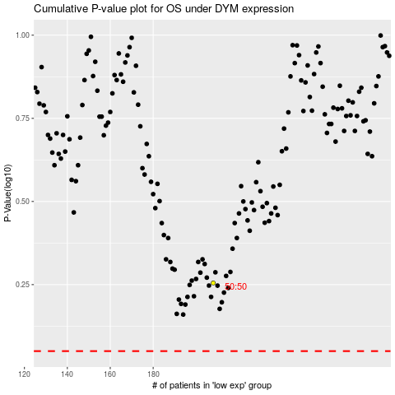

 |  |  |  |  |  | cases_OS | p_OS | rank | exp
 |  |  |  |  |  |  | cases_RFS | p_RFS | rank | exp

