DYNC1H1 _multivariate
Reported by Tex Li-Hsing Chi. tex@gate.sinica.edu.tw 2019-08-20

Table 2. The clinicopathological features of HNSCC cohort and DYNC1H1 expression. (Chi square test)
Cutoff at 0.044 (54.3%)
 |  | DYNC1H1 expression |  | DYNC1H1 expression |  | (Optimised)
 | Features | Low | (%) | High | (%) | Case no | P-value | Remark | Matthews
Gender | Female | 169 | 40.7 | 137 | 33 | 415 | 0.6771 | 0 | 0
2 | Male | 57 | 13.7 | 52 | 12.5
Age at diagnosis | <=65y | 151 | 36.4 | 123 | 29.6 | 415 | 0.7891 | 0 | 0
4 | >65y | 75 | 18.1 | 66 | 15.9
Clinical T Status | T1+T2 | 87 | 21 | 62 | 14.9 | 415 | 0.2709 | 0 | 0
6 | T3+T4 | 139 | 33.5 | 127 | 30.6
Clinical N Status | N0 | 120 | 28.9 | 96 | 23.1 | 415 | 0.712 | 0 | 0
8 | N1-3 | 106 | 25.5 | 93 | 22.4
Clinical M Status | M0 | 224 | 54 | 188 | 45.3 | 415 | 1 | 0 | 0
10 | M1 | 2 | 0.5 | 1 | 0.2
Clinical Stage | Stage I+II | 58 | 14 | 44 | 10.6 | 415 | 0.6548 | 0 | 0
12 | Stage III+IV | 168 | 40.5 | 145 | 34.9
Surgical Margin status | Negative | 174 | 41.9 | 144 | 34.7 | 415 | 0.9074 | 0 | 0
14 | Positive | 52 | 12.5 | 45 | 10.8
Tobacco Exposure | Low | 95 | 22.9 | 66 | 15.9 | 415 | 0.157 | 0 | 0
16 | High | 131 | 31.6 | 123 | 29.6

Table 3. Univariate/Multivariate Cox's proportional hazards regression analyses on OS time of DYNC1H1 gene expression in HNSCC

 |  | Univariate |  |  |  | Multivariate
 | Features | HR | CI95%(L) | CI95%(H) | P-value | HR | CI95%(L) | CI95%(H) | P-value
1 | Female | 1 |  |  |  | 1
Gender | Male | 1.157 | 0.843 | 1.587 | 0.367 | 1.196 | 0.856 | 1.673 | 0.294
11 | <=65y | 1 |  |  |  | 1
Age at diagnosis | >65y | 1.329 | 0.99 | 1.784 | 0.058 | 1.364 | 1.002 | 1.857 | 0.049
12 | T1+T2 | 1 |  |  |  | 1
Clinical T Status | T3+T4 | 1.409 | 1.028 | 1.931 | 0.033 | 2.128 | 1.124 | 4.028 | 0.02
13 | N0 | 1 |  |  |  | 1
Clinical N Status | N1-3 | 1.185 | 0.89 | 1.577 | 0.246 | 1.241 | 0.87 | 1.77 | 0.234
14 | M0 | 1 |  |  |  | 1
Clinical M Status | M1 | 4.097 | 1.009 | 16.644 | 0.049 | 9.288 | 2.026 | 42.573 | 0.004
15 | Stage I+II | 1 |  |  |  | 1
Clinical Stage | Stage III+IV | 1.245 | 0.882 | 1.759 | 0.213 | 0.514 | 0.24 | 1.104 | 0.088
16 | Negative | 1 |  |  |  | 1
Surgical Margin status | Positive | 1.591 | 1.155 | 2.191 | 0.004 | 1.69 | 1.223 | 2.337 | 0.001
17 | Low | 1 |  |  |  | 1
Tobacco Exposure | High | 1.364 | 1.008 | 1.844 | 0.044 | 1.431 | 1.036 | 1.975 | 0.029
18 | Low | 1 |  |  |  | 1
RNAseq(z-score) | High | 1.335 | 1.002 | 1.78 | 0.048 | 1.26 | 0.943 | 1.684 | 0.118

Table 4. Univariate/Multivariate Cox's proportional hazards regression analyses on RFS time of DYNC1H1 gene expression in HNSCC

 |  | Univariate |  |  |  | Multivariate
 | Features | HR | CI95%(L) | CI95%(H) | P-value | HR | CI95%(L) | CI95%(H) | P-value
1 | Female | 1 |  |  |  | 1
Gender | Male | 1.157 | 0.843 | 1.587 | 0.367 | 1.196 | 0.856 | 1.673 | 0.294
11 | <=65y | 1 |  |  |  | 1
Age at diagnosis | >65y | 1.329 | 0.99 | 1.784 | 0.058 | 1.364 | 1.002 | 1.857 | 0.049
12 | T1+T2 | 1 |  |  |  | 1
Clinical T Status | T3+T4 | 1.409 | 1.028 | 1.931 | 0.033 | 2.128 | 1.124 | 4.028 | 0.02
13 | N0 | 1 |  |  |  | 1
Clinical N Status | N1-3 | 1.185 | 0.89 | 1.577 | 0.246 | 1.241 | 0.87 | 1.77 | 0.234
14 | M0 | 1 |  |  |  | 1
Clinical M Status | M1 | 4.097 | 1.009 | 16.644 | 0.049 | 9.288 | 2.026 | 42.573 | 0.004
15 | Stage I+II | 1 |  |  |  | 1
Clinical Stage | Stage III+IV | 1.245 | 0.882 | 1.759 | 0.213 | 0.514 | 0.24 | 1.104 | 0.088
16 | Negative | 1 |  |  |  | 1
Surgical Margin status | Positive | 1.591 | 1.155 | 2.191 | 0.004 | 1.69 | 1.223 | 2.337 | 0.001
17 | Low | 1 |  |  |  | 1
Tobacco Exposure | High | 1.364 | 1.008 | 1.844 | 0.044 | 1.431 | 1.036 | 1.975 | 0.029
18 | Low | 1 |  |  |  | 1
RNAseq(z-score) | High | 1.335 | 1.002 | 1.78 | 0.048 | 1.26 | 0.943 | 1.684 | 0.118

Kaplan-Meier survival estimate: Cutoff at 0.044 (54.3%)



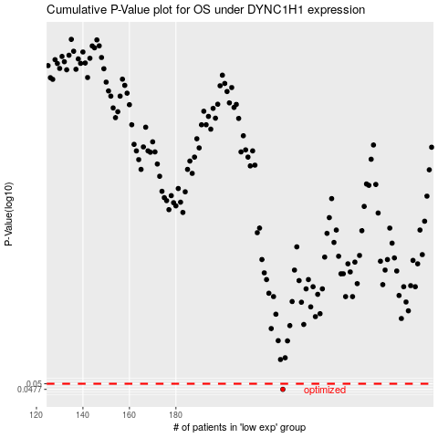

 |  |  |  |  |  | cases_OS | p_OS | rank | exp
 |  |  |  |  |  | 226 | 0.0477 | 221 | 0.044006469394
 |  |  |  |  |  |  | cases_RFS | p_RFS | rank | exp
 |  |  |  |  |  |  | 225 | 0.0477 | 45 | 0.040860520536

