DYNC1I1 _multivariate
Reported by Tex Li-Hsing Chi. tex@gate.sinica.edu.tw 2019-08-20

Table 2. The clinicopathological features of HNSCC cohort and DYNC1I1 expression. (Chi square test)
Cutoff at -0.111 (66.4%)
 |  | DYNC1I1 expression |  | DYNC1I1 expression |  | (Optimised)
 | Features | Low | (%) | High | (%) | Case no | P-value | Remark | Matthews
Gender | Female | 195 | 47 | 111 | 26.7 | 415 | 0.0584 | 0 | 0
2 | Male | 81 | 19.5 | 28 | 6.7
Age at diagnosis | <=65y | 179 | 43.1 | 95 | 22.9 | 415 | 0.5494 | 0 | 0
4 | >65y | 97 | 23.4 | 44 | 10.6
Clinical T Status | T1+T2 | 110 | 26.5 | 39 | 9.4 | 415 | 0.0241 | 1 | 0
6 | T3+T4 | 166 | 40 | 100 | 24.1
Clinical N Status | N0 | 146 | 35.2 | 70 | 16.9 | 415 | 0.7006 | 0 | 0
8 | N1-3 | 130 | 31.3 | 69 | 16.6
Clinical M Status | M0 | 274 | 66 | 138 | 33.3 | 415 | 1 | 0 | 0
10 | M1 | 2 | 0.5 | 1 | 0.2
Clinical Stage | Stage I+II | 75 | 18.1 | 27 | 6.5 | 415 | 0.1074 | 0 | 0
12 | Stage III+IV | 201 | 48.4 | 112 | 27
Surgical Margin status | Negative | 208 | 50.1 | 110 | 26.5 | 415 | 0.4611 | 0 | 0
14 | Positive | 68 | 16.4 | 29 | 7
Tobacco Exposure | Low | 126 | 30.4 | 35 | 8.4 | 415 | 0 | 1 | 0
16 | High | 150 | 36.1 | 104 | 25.1

Table 3. Univariate/Multivariate Cox's proportional hazards regression analyses on OS time of DYNC1I1 gene expression in HNSCC

 |  | Univariate |  |  |  | Multivariate
 | Features | HR | CI95%(L) | CI95%(H) | P-value | HR | CI95%(L) | CI95%(H) | P-value
1 | Female | 1 |  |  |  | 1
Gender | Male | 1.157 | 0.843 | 1.587 | 0.367 | 1.226 | 0.877 | 1.714 | 0.234
11 | <=65y | 1 |  |  |  | 1
Age at diagnosis | >65y | 1.329 | 0.99 | 1.784 | 0.058 | 1.415 | 1.041 | 1.924 | 0.027
12 | T1+T2 | 1 |  |  |  | 1
Clinical T Status | T3+T4 | 1.409 | 1.028 | 1.931 | 0.033 | 2.121 | 1.121 | 4.014 | 0.021
13 | N0 | 1 |  |  |  | 1
Clinical N Status | N1-3 | 1.185 | 0.89 | 1.577 | 0.246 | 1.232 | 0.862 | 1.759 | 0.252
14 | M0 | 1 |  |  |  | 1
Clinical M Status | M1 | 4.097 | 1.009 | 16.644 | 0.049 | 8.998 | 1.96 | 41.31 | 0.005
15 | Stage I+II | 1 |  |  |  | 1
Clinical Stage | Stage III+IV | 1.245 | 0.882 | 1.759 | 0.213 | 0.512 | 0.239 | 1.099 | 0.086
16 | Negative | 1 |  |  |  | 1
Surgical Margin status | Positive | 1.591 | 1.155 | 2.191 | 0.004 | 1.698 | 1.229 | 2.348 | 0.001
17 | Low | 1 |  |  |  | 1
Tobacco Exposure | High | 1.364 | 1.008 | 1.844 | 0.044 | 1.403 | 1.017 | 1.937 | 0.039
18 | Low | 1 |  |  |  | 1
RNAseq(z-score) | High | 1.359 | 1.012 | 1.825 | 0.042 | 1.325 | 0.978 | 1.794 | 0.069

Table 4. Univariate/Multivariate Cox's proportional hazards regression analyses on RFS time of DYNC1I1 gene expression in HNSCC

 |  | Univariate |  |  |  | Multivariate
 | Features | HR | CI95%(L) | CI95%(H) | P-value | HR | CI95%(L) | CI95%(H) | P-value
1 | Female | 1 |  |  |  | 1
Gender | Male | 1.157 | 0.843 | 1.587 | 0.367 | 1.226 | 0.877 | 1.714 | 0.234
11 | <=65y | 1 |  |  |  | 1
Age at diagnosis | >65y | 1.329 | 0.99 | 1.784 | 0.058 | 1.415 | 1.041 | 1.924 | 0.027
12 | T1+T2 | 1 |  |  |  | 1
Clinical T Status | T3+T4 | 1.409 | 1.028 | 1.931 | 0.033 | 2.121 | 1.121 | 4.014 | 0.021
13 | N0 | 1 |  |  |  | 1
Clinical N Status | N1-3 | 1.185 | 0.89 | 1.577 | 0.246 | 1.232 | 0.862 | 1.759 | 0.252
14 | M0 | 1 |  |  |  | 1
Clinical M Status | M1 | 4.097 | 1.009 | 16.644 | 0.049 | 8.998 | 1.96 | 41.31 | 0.005
15 | Stage I+II | 1 |  |  |  | 1
Clinical Stage | Stage III+IV | 1.245 | 0.882 | 1.759 | 0.213 | 0.512 | 0.239 | 1.099 | 0.086
16 | Negative | 1 |  |  |  | 1
Surgical Margin status | Positive | 1.591 | 1.155 | 2.191 | 0.004 | 1.698 | 1.229 | 2.348 | 0.001
17 | Low | 1 |  |  |  | 1
Tobacco Exposure | High | 1.364 | 1.008 | 1.844 | 0.044 | 1.403 | 1.017 | 1.937 | 0.039
18 | Low | 1 |  |  |  | 1
RNAseq(z-score) | High | 1.359 | 1.012 | 1.825 | 0.042 | 1.325 | 0.978 | 1.794 | 0.069

Kaplan-Meier survival estimate: Cutoff at -0.111 (66.4%)



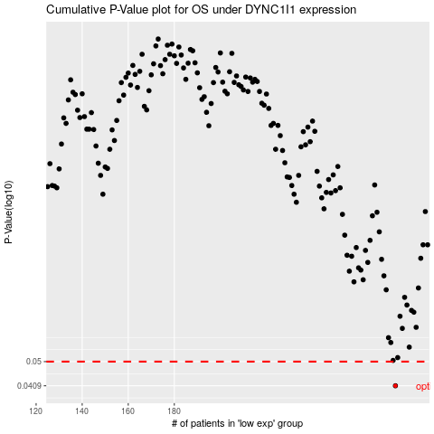

 |  |  |  |  |  | cases_OS | p_OS | rank | exp
 |  |  |  |  |  | 276 | 0.0409 | 236 | -0.11134900304
 |  |  |  |  |  |  | cases_RFS | p_RFS | rank | exp
 |  |  |  |  |  |  | 275 | 0.0409 | 160 | -0.11405407207

