DYNC1LI1 _multivariate
Reported by Tex Li-Hsing Chi. tex@gate.sinica.edu.tw 2019-08-20

Table 2. The clinicopathological features of HNSCC cohort and DYNC1LI1 expression. (Chi square test)
Cutoff at -0.006 (52.9%)
 |  | DYNC1LI1 expression |  | DYNC1LI1 expression |  | (Optimised)
 | Features | Low | (%) | High | (%) | Case no | P-value | Remark | Matthews
Gender | Female | 173 | 41.7 | 133 | 32 | 415 | 0.0215 | 1 | 0
2 | Male | 47 | 11.3 | 62 | 14.9
Age at diagnosis | <=65y | 157 | 37.8 | 117 | 28.2 | 415 | 0.0195 | 1 | 0
4 | >65y | 63 | 15.2 | 78 | 18.8
Clinical T Status | T1+T2 | 75 | 18.1 | 74 | 17.8 | 415 | 0.4745 | 0 | 0
6 | T3+T4 | 145 | 34.9 | 121 | 29.2
Clinical N Status | N0 | 108 | 26 | 108 | 26 | 415 | 0.237 | 0 | 0
8 | N1-3 | 112 | 27 | 87 | 21
Clinical M Status | M0 | 218 | 52.5 | 194 | 46.7 | 415 | 1 | 0 | 0
10 | M1 | 2 | 0.5 | 1 | 0.2
Clinical Stage | Stage I+II | 47 | 11.3 | 55 | 13.3 | 415 | 0.1333 | 0 | 0
12 | Stage III+IV | 173 | 41.7 | 140 | 33.7
Surgical Margin status | Negative | 170 | 41 | 148 | 35.7 | 415 | 0.8163 | 0 | 0
14 | Positive | 50 | 12 | 47 | 11.3
Tobacco Exposure | Low | 76 | 18.3 | 85 | 20.5 | 415 | 0.0693 | 0 | 0
16 | High | 144 | 34.7 | 110 | 26.5

Table 3. Univariate/Multivariate Cox's proportional hazards regression analyses on OS time of DYNC1LI1 gene expression in HNSCC

 |  | Univariate |  |  |  | Multivariate
 | Features | HR | CI95%(L) | CI95%(H) | P-value | HR | CI95%(L) | CI95%(H) | P-value
1 | Female | 1 |  |  |  | 1
Gender | Male | 1.157 | 0.843 | 1.587 | 0.367 | 1.25 | 0.894 | 1.748 | 0.191
11 | <=65y | 1 |  |  |  | 1
Age at diagnosis | >65y | 1.329 | 0.99 | 1.784 | 0.058 | 1.432 | 1.053 | 1.947 | 0.022
12 | T1+T2 | 1 |  |  |  | 1
Clinical T Status | T3+T4 | 1.409 | 1.028 | 1.931 | 0.033 | 2.336 | 1.233 | 4.426 | 0.009
13 | N0 | 1 |  |  |  | 1
Clinical N Status | N1-3 | 1.185 | 0.89 | 1.577 | 0.246 | 1.226 | 0.859 | 1.752 | 0.262
14 | M0 | 1 |  |  |  | 1
Clinical M Status | M1 | 4.097 | 1.009 | 16.644 | 0.049 | 9.359 | 2.038 | 42.976 | 0.004
15 | Stage I+II | 1 |  |  |  | 1
Clinical Stage | Stage III+IV | 1.245 | 0.882 | 1.759 | 0.213 | 0.458 | 0.212 | 0.99 | 0.047
16 | Negative | 1 |  |  |  | 1
Surgical Margin status | Positive | 1.591 | 1.155 | 2.191 | 0.004 | 1.703 | 1.231 | 2.355 | 0.001
17 | Low | 1 |  |  |  | 1
Tobacco Exposure | High | 1.364 | 1.008 | 1.844 | 0.044 | 1.43 | 1.038 | 1.969 | 0.029
18 | Low | 1 |  |  |  | 1
RNAseq(z-score) | High | 0.742 | 0.555 | 0.991 | 0.044 | 0.705 | 0.522 | 0.953 | 0.023

Table 4. Univariate/Multivariate Cox's proportional hazards regression analyses on RFS time of DYNC1LI1 gene expression in HNSCC

 |  | Univariate |  |  |  | Multivariate
 | Features | HR | CI95%(L) | CI95%(H) | P-value | HR | CI95%(L) | CI95%(H) | P-value
1 | Female | 1 |  |  |  | 1
Gender | Male | 1.157 | 0.843 | 1.587 | 0.367 | 1.25 | 0.894 | 1.748 | 0.191
11 | <=65y | 1 |  |  |  | 1
Age at diagnosis | >65y | 1.329 | 0.99 | 1.784 | 0.058 | 1.432 | 1.053 | 1.947 | 0.022
12 | T1+T2 | 1 |  |  |  | 1
Clinical T Status | T3+T4 | 1.409 | 1.028 | 1.931 | 0.033 | 2.336 | 1.233 | 4.426 | 0.009
13 | N0 | 1 |  |  |  | 1
Clinical N Status | N1-3 | 1.185 | 0.89 | 1.577 | 0.246 | 1.226 | 0.859 | 1.752 | 0.262
14 | M0 | 1 |  |  |  | 1
Clinical M Status | M1 | 4.097 | 1.009 | 16.644 | 0.049 | 9.359 | 2.038 | 42.976 | 0.004
15 | Stage I+II | 1 |  |  |  | 1
Clinical Stage | Stage III+IV | 1.245 | 0.882 | 1.759 | 0.213 | 0.458 | 0.212 | 0.99 | 0.047
16 | Negative | 1 |  |  |  | 1
Surgical Margin status | Positive | 1.591 | 1.155 | 2.191 | 0.004 | 1.703 | 1.231 | 2.355 | 0.001
17 | Low | 1 |  |  |  | 1
Tobacco Exposure | High | 1.364 | 1.008 | 1.844 | 0.044 | 1.43 | 1.038 | 1.969 | 0.029
18 | Low | 1 |  |  |  | 1
RNAseq(z-score) | High | 0.742 | 0.555 | 0.991 | 0.044 | 0.705 | 0.522 | 0.953 | 0.023

Kaplan-Meier survival estimate: Cutoff at -0.006 (52.9%)



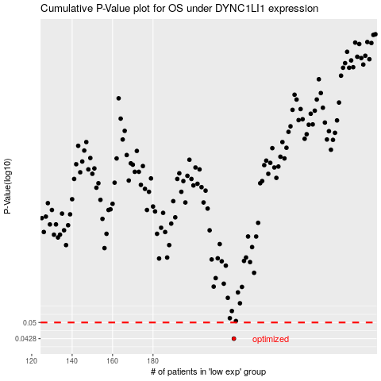

 |  |  |  |  |  | cases_OS | p_OS | rank | exp
 |  |  |  |  |  | 220 | 0.0428 | 17 | -0.0064509112519
 |  |  |  |  |  |  | cases_RFS | p_RFS | rank | exp
 |  |  |  |  |  |  | 219 | 0.0428 | 302 | -0.010716023531

