DYNC1LI2 _multivariate
Reported by Tex Li-Hsing Chi. tex@gate.sinica.edu.tw 2019-08-20

Table 2. The clinicopathological features of HNSCC cohort and DYNC1LI2 expression. (Chi square test)
Cutoff at 0.004 (50.0%)
 |  | DYNC1LI2 expression |  | DYNC1LI2 expression |  | (Optimised)
 | Features | Low | (%) | High | (%) | Case no | P-value | Remark | Matthews
Gender | Female | 153 | 36.9 | 153 | 36.9 | 415 | 1 | 0 | 0
2 | Male | 54 | 13 | 55 | 13.3
Age at diagnosis | <=65y | 131 | 31.6 | 143 | 34.5 | 415 | 0.2839 | 0 | 0
4 | >65y | 76 | 18.3 | 65 | 15.7
Clinical T Status | T1+T2 | 76 | 18.3 | 73 | 17.6 | 415 | 0.8092 | 0 | 0
6 | T3+T4 | 131 | 31.6 | 135 | 32.5
Clinical N Status | N0 | 112 | 27 | 104 | 25.1 | 415 | 0.4599 | 0 | 0
8 | N1-3 | 95 | 22.9 | 104 | 25.1
Clinical M Status | M0 | 204 | 49.2 | 208 | 50.1 | 415 | 0.1232 | 0 | 0
10 | M1 | 3 | 0.7 | 0 | 0
Clinical Stage | Stage I+II | 46 | 11.1 | 56 | 13.5 | 415 | 0.3182 | 0 | 0
12 | Stage III+IV | 161 | 38.8 | 152 | 36.6
Surgical Margin status | Negative | 159 | 38.3 | 159 | 38.3 | 415 | 1 | 0 | 0
14 | Positive | 48 | 11.6 | 49 | 11.8
Tobacco Exposure | Low | 87 | 21 | 74 | 17.8 | 415 | 0.1911 | 0 | 0
16 | High | 120 | 28.9 | 134 | 32.3

Table 3. Univariate/Multivariate Cox's proportional hazards regression analyses on OS time of DYNC1LI2 gene expression in HNSCC

 |  | Univariate |  |  |  | Multivariate
 | Features | HR | CI95%(L) | CI95%(H) | P-value | HR | CI95%(L) | CI95%(H) | P-value
1 | Female | 1 |  |  |  | 1
Gender | Male | 1.157 | 0.843 | 1.587 | 0.367 | 1.199 | 0.859 | 1.674 | 0.287
11 | <=65y | 1 |  |  |  | 1
Age at diagnosis | >65y | 1.329 | 0.99 | 1.784 | 0.058 | 1.393 | 1.025 | 1.894 | 0.034
12 | T1+T2 | 1 |  |  |  | 1
Clinical T Status | T3+T4 | 1.409 | 1.028 | 1.931 | 0.033 | 2.165 | 1.142 | 4.104 | 0.018
13 | N0 | 1 |  |  |  | 1
Clinical N Status | N1-3 | 1.185 | 0.89 | 1.577 | 0.246 | 1.226 | 0.858 | 1.753 | 0.263
14 | M0 | 1 |  |  |  | 1
Clinical M Status | M1 | 4.097 | 1.009 | 16.644 | 0.049 | 9.749 | 2.118 | 44.88 | 0.003
15 | Stage I+II | 1 |  |  |  | 1
Clinical Stage | Stage III+IV | 1.245 | 0.882 | 1.759 | 0.213 | 0.521 | 0.241 | 1.124 | 0.097
16 | Negative | 1 |  |  |  | 1
Surgical Margin status | Positive | 1.591 | 1.155 | 2.191 | 0.004 | 1.689 | 1.22 | 2.338 | 0.002
17 | Low | 1 |  |  |  | 1
Tobacco Exposure | High | 1.364 | 1.008 | 1.844 | 0.044 | 1.44 | 1.044 | 1.986 | 0.026
18 | Low | 1 |  |  |  | 1
RNAseq(z-score) | High | 1.093 | 0.821 | 1.456 | 0.541 | 1.099 | 0.819 | 1.475 | 0.53

Table 4. Univariate/Multivariate Cox's proportional hazards regression analyses on RFS time of DYNC1LI2 gene expression in HNSCC

 |  | Univariate |  |  |  | Multivariate
 | Features | HR | CI95%(L) | CI95%(H) | P-value | HR | CI95%(L) | CI95%(H) | P-value
1 | Female | 1 |  |  |  | 1
Gender | Male | 1.157 | 0.843 | 1.587 | 0.367 | 1.199 | 0.859 | 1.674 | 0.287
11 | <=65y | 1 |  |  |  | 1
Age at diagnosis | >65y | 1.329 | 0.99 | 1.784 | 0.058 | 1.393 | 1.025 | 1.894 | 0.034
12 | T1+T2 | 1 |  |  |  | 1
Clinical T Status | T3+T4 | 1.409 | 1.028 | 1.931 | 0.033 | 2.165 | 1.142 | 4.104 | 0.018
13 | N0 | 1 |  |  |  | 1
Clinical N Status | N1-3 | 1.185 | 0.89 | 1.577 | 0.246 | 1.226 | 0.858 | 1.753 | 0.263
14 | M0 | 1 |  |  |  | 1
Clinical M Status | M1 | 4.097 | 1.009 | 16.644 | 0.049 | 9.749 | 2.118 | 44.88 | 0.003
15 | Stage I+II | 1 |  |  |  | 1
Clinical Stage | Stage III+IV | 1.245 | 0.882 | 1.759 | 0.213 | 0.521 | 0.241 | 1.124 | 0.097
16 | Negative | 1 |  |  |  | 1
Surgical Margin status | Positive | 1.591 | 1.155 | 2.191 | 0.004 | 1.689 | 1.22 | 2.338 | 0.002
17 | Low | 1 |  |  |  | 1
Tobacco Exposure | High | 1.364 | 1.008 | 1.844 | 0.044 | 1.44 | 1.044 | 1.986 | 0.026
18 | Low | 1 |  |  |  | 1
RNAseq(z-score) | High | 1.093 | 0.821 | 1.456 | 0.541 | 1.099 | 0.819 | 1.475 | 0.53

Kaplan-Meier survival estimate: Cutoff at 0.004 (50.0%)



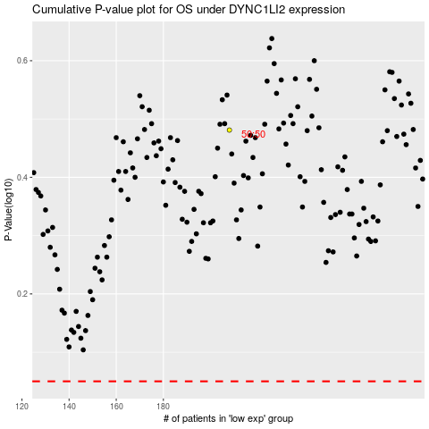

 |  |  |  |  |  | cases_OS | p_OS | rank | exp
 |  |  |  |  |  |  | cases_RFS | p_RFS | rank | exp

