DYNC2LI1 _multivariate
Reported by Tex Li-Hsing Chi. tex@gate.sinica.edu.tw 2019-08-20

Table 2. The clinicopathological features of HNSCC cohort and DYNC2LI1 expression. (Chi square test)
Cutoff at -0.258 (50.0%)
 |  | DYNC2LI1 expression |  | DYNC2LI1 expression |  | (Optimised)
 | Features | Low | (%) | High | (%) | Case no | P-value | Remark | Matthews
Gender | Female | 146 | 35.2 | 160 | 38.6 | 415 | 0.1714 | 0 | 0
2 | Male | 61 | 14.7 | 48 | 11.6
Age at diagnosis | <=65y | 137 | 33 | 137 | 33 | 415 | 1 | 0 | 0
4 | >65y | 70 | 16.9 | 71 | 17.1
Clinical T Status | T1+T2 | 77 | 18.6 | 72 | 17.3 | 415 | 0.6556 | 0 | 0
6 | T3+T4 | 130 | 31.3 | 136 | 32.8
Clinical N Status | N0 | 109 | 26.3 | 107 | 25.8 | 415 | 0.8812 | 0 | 0
8 | N1-3 | 98 | 23.6 | 101 | 24.3
Clinical M Status | M0 | 206 | 49.6 | 206 | 49.6 | 415 | 1 | 0 | 0
10 | M1 | 1 | 0.2 | 2 | 0.5
Clinical Stage | Stage I+II | 55 | 13.3 | 47 | 11.3 | 415 | 0.4087 | 0 | 0
12 | Stage III+IV | 152 | 36.6 | 161 | 38.8
Surgical Margin status | Negative | 171 | 41.2 | 147 | 35.4 | 415 | 0.0052 | 1 | 0
14 | Positive | 36 | 8.7 | 61 | 14.7
Tobacco Exposure | Low | 87 | 21 | 74 | 17.8 | 415 | 0.1911 | 0 | 0
16 | High | 120 | 28.9 | 134 | 32.3

Table 3. Univariate/Multivariate Cox's proportional hazards regression analyses on OS time of DYNC2LI1 gene expression in HNSCC

 |  | Univariate |  |  |  | Multivariate
 | Features | HR | CI95%(L) | CI95%(H) | P-value | HR | CI95%(L) | CI95%(H) | P-value
1 | Female | 1 |  |  |  | 1
Gender | Male | 1.157 | 0.843 | 1.587 | 0.367 | 1.201 | 0.859 | 1.68 | 0.283
11 | <=65y | 1 |  |  |  | 1
Age at diagnosis | >65y | 1.329 | 0.99 | 1.784 | 0.058 | 1.392 | 1.023 | 1.893 | 0.035
12 | T1+T2 | 1 |  |  |  | 1
Clinical T Status | T3+T4 | 1.409 | 1.028 | 1.931 | 0.033 | 2.202 | 1.165 | 4.164 | 0.015
13 | N0 | 1 |  |  |  | 1
Clinical N Status | N1-3 | 1.185 | 0.89 | 1.577 | 0.246 | 1.241 | 0.869 | 1.771 | 0.234
14 | M0 | 1 |  |  |  | 1
Clinical M Status | M1 | 4.097 | 1.009 | 16.644 | 0.049 | 9.408 | 2.052 | 43.144 | 0.004
15 | Stage I+II | 1 |  |  |  | 1
Clinical Stage | Stage III+IV | 1.245 | 0.882 | 1.759 | 0.213 | 0.505 | 0.235 | 1.083 | 0.079
16 | Negative | 1 |  |  |  | 1
Surgical Margin status | Positive | 1.591 | 1.155 | 2.191 | 0.004 | 1.672 | 1.205 | 2.319 | 0.002
17 | Low | 1 |  |  |  | 1
Tobacco Exposure | High | 1.364 | 1.008 | 1.844 | 0.044 | 1.453 | 1.053 | 2.005 | 0.023
18 | Low | 1 |  |  |  | 1
RNAseq(z-score) | High | 1.109 | 0.832 | 1.479 | 0.481 | 0.998 | 0.743 | 1.341 | 0.991

Table 4. Univariate/Multivariate Cox's proportional hazards regression analyses on RFS time of DYNC2LI1 gene expression in HNSCC

 |  | Univariate |  |  |  | Multivariate
 | Features | HR | CI95%(L) | CI95%(H) | P-value | HR | CI95%(L) | CI95%(H) | P-value
1 | Female | 1 |  |  |  | 1
Gender | Male | 1.157 | 0.843 | 1.587 | 0.367 | 1.201 | 0.859 | 1.68 | 0.283
11 | <=65y | 1 |  |  |  | 1
Age at diagnosis | >65y | 1.329 | 0.99 | 1.784 | 0.058 | 1.392 | 1.023 | 1.893 | 0.035
12 | T1+T2 | 1 |  |  |  | 1
Clinical T Status | T3+T4 | 1.409 | 1.028 | 1.931 | 0.033 | 2.202 | 1.165 | 4.164 | 0.015
13 | N0 | 1 |  |  |  | 1
Clinical N Status | N1-3 | 1.185 | 0.89 | 1.577 | 0.246 | 1.241 | 0.869 | 1.771 | 0.234
14 | M0 | 1 |  |  |  | 1
Clinical M Status | M1 | 4.097 | 1.009 | 16.644 | 0.049 | 9.408 | 2.052 | 43.144 | 0.004
15 | Stage I+II | 1 |  |  |  | 1
Clinical Stage | Stage III+IV | 1.245 | 0.882 | 1.759 | 0.213 | 0.505 | 0.235 | 1.083 | 0.079
16 | Negative | 1 |  |  |  | 1
Surgical Margin status | Positive | 1.591 | 1.155 | 2.191 | 0.004 | 1.672 | 1.205 | 2.319 | 0.002
17 | Low | 1 |  |  |  | 1
Tobacco Exposure | High | 1.364 | 1.008 | 1.844 | 0.044 | 1.453 | 1.053 | 2.005 | 0.023
18 | Low | 1 |  |  |  | 1
RNAseq(z-score) | High | 1.109 | 0.832 | 1.479 | 0.481 | 0.998 | 0.743 | 1.341 | 0.991

Kaplan-Meier survival estimate: Cutoff at -0.258 (50.0%)

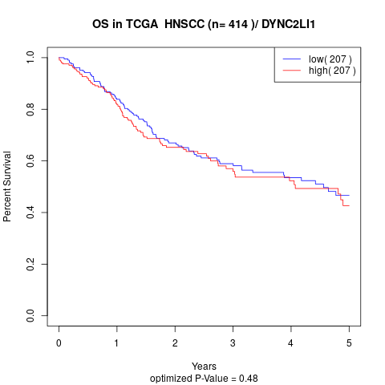

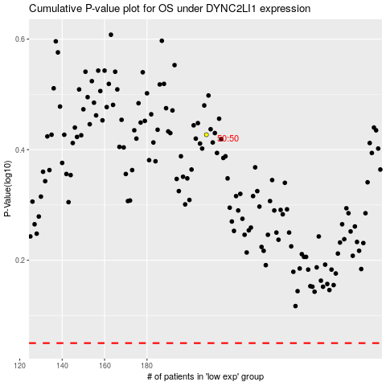

 |  |  |  |  |  | cases_OS | p_OS | rank | exp
 |  |  |  |  |  |  | cases_RFS | p_RFS | rank | exp

