DYNLL1 _multivariate
Reported by Tex Li-Hsing Chi. tex@gate.sinica.edu.tw 2019-08-20

Table 2. The clinicopathological features of HNSCC cohort and DYNLL1 expression. (Chi square test)
Cutoff at -0.284 (50.0%)
 |  | DYNLL1 expression |  | DYNLL1 expression |  | (Optimised)
 | Features | Low | (%) | High | (%) | Case no | P-value | Remark | Matthews
Gender | Female | 163 | 39.3 | 143 | 34.5 | 415 | 0.0277 | 1 | 0
2 | Male | 44 | 10.6 | 65 | 15.7
Age at diagnosis | <=65y | 141 | 34 | 133 | 32 | 415 | 0.4272 | 0 | 0
4 | >65y | 66 | 15.9 | 75 | 18.1
Clinical T Status | T1+T2 | 74 | 17.8 | 75 | 18.1 | 415 | 1 | 0 | 0
6 | T3+T4 | 133 | 32 | 133 | 32
Clinical N Status | N0 | 100 | 24.1 | 116 | 28 | 415 | 0.1548 | 0 | 0
8 | N1-3 | 107 | 25.8 | 92 | 22.2
Clinical M Status | M0 | 206 | 49.6 | 206 | 49.6 | 415 | 1 | 0 | 0
10 | M1 | 1 | 0.2 | 2 | 0.5
Clinical Stage | Stage I+II | 47 | 11.3 | 55 | 13.3 | 415 | 0.4413 | 0 | 0
12 | Stage III+IV | 160 | 38.6 | 153 | 36.9
Surgical Margin status | Negative | 160 | 38.6 | 158 | 38.1 | 415 | 0.8167 | 0 | 0
14 | Positive | 47 | 11.3 | 50 | 12
Tobacco Exposure | Low | 67 | 16.1 | 94 | 22.7 | 415 | 0.0088 | 1 | 0
16 | High | 140 | 33.7 | 114 | 27.5

Table 3. Univariate/Multivariate Cox's proportional hazards regression analyses on OS time of DYNLL1 gene expression in HNSCC

 |  | Univariate |  |  |  | Multivariate
 | Features | HR | CI95%(L) | CI95%(H) | P-value | HR | CI95%(L) | CI95%(H) | P-value
1 | Female | 1 |  |  |  | 1
Gender | Male | 1.157 | 0.843 | 1.587 | 0.367 | 1.226 | 0.875 | 1.716 | 0.236
11 | <=65y | 1 |  |  |  | 1
Age at diagnosis | >65y | 1.329 | 0.99 | 1.784 | 0.058 | 1.395 | 1.026 | 1.897 | 0.034
12 | T1+T2 | 1 |  |  |  | 1
Clinical T Status | T3+T4 | 1.409 | 1.028 | 1.931 | 0.033 | 2.223 | 1.175 | 4.205 | 0.014
13 | N0 | 1 |  |  |  | 1
Clinical N Status | N1-3 | 1.185 | 0.89 | 1.577 | 0.246 | 1.235 | 0.865 | 1.763 | 0.246
14 | M0 | 1 |  |  |  | 1
Clinical M Status | M1 | 4.097 | 1.009 | 16.644 | 0.049 | 9.975 | 2.164 | 45.977 | 0.003
15 | Stage I+II | 1 |  |  |  | 1
Clinical Stage | Stage III+IV | 1.245 | 0.882 | 1.759 | 0.213 | 0.497 | 0.232 | 1.068 | 0.073
16 | Negative | 1 |  |  |  | 1
Surgical Margin status | Positive | 1.591 | 1.155 | 2.191 | 0.004 | 1.682 | 1.217 | 2.324 | 0.002
17 | Low | 1 |  |  |  | 1
Tobacco Exposure | High | 1.364 | 1.008 | 1.844 | 0.044 | 1.443 | 1.047 | 1.988 | 0.025
18 | Low | 1 |  |  |  | 1
RNAseq(z-score) | High | 0.906 | 0.68 | 1.208 | 0.501 | 0.874 | 0.651 | 1.172 | 0.368

Table 4. Univariate/Multivariate Cox's proportional hazards regression analyses on RFS time of DYNLL1 gene expression in HNSCC

 |  | Univariate |  |  |  | Multivariate
 | Features | HR | CI95%(L) | CI95%(H) | P-value | HR | CI95%(L) | CI95%(H) | P-value
1 | Female | 1 |  |  |  | 1
Gender | Male | 1.157 | 0.843 | 1.587 | 0.367 | 1.226 | 0.875 | 1.716 | 0.236
11 | <=65y | 1 |  |  |  | 1
Age at diagnosis | >65y | 1.329 | 0.99 | 1.784 | 0.058 | 1.395 | 1.026 | 1.897 | 0.034
12 | T1+T2 | 1 |  |  |  | 1
Clinical T Status | T3+T4 | 1.409 | 1.028 | 1.931 | 0.033 | 2.223 | 1.175 | 4.205 | 0.014
13 | N0 | 1 |  |  |  | 1
Clinical N Status | N1-3 | 1.185 | 0.89 | 1.577 | 0.246 | 1.235 | 0.865 | 1.763 | 0.246
14 | M0 | 1 |  |  |  | 1
Clinical M Status | M1 | 4.097 | 1.009 | 16.644 | 0.049 | 9.975 | 2.164 | 45.977 | 0.003
15 | Stage I+II | 1 |  |  |  | 1
Clinical Stage | Stage III+IV | 1.245 | 0.882 | 1.759 | 0.213 | 0.497 | 0.232 | 1.068 | 0.073
16 | Negative | 1 |  |  |  | 1
Surgical Margin status | Positive | 1.591 | 1.155 | 2.191 | 0.004 | 1.682 | 1.217 | 2.324 | 0.002
17 | Low | 1 |  |  |  | 1
Tobacco Exposure | High | 1.364 | 1.008 | 1.844 | 0.044 | 1.443 | 1.047 | 1.988 | 0.025
18 | Low | 1 |  |  |  | 1
RNAseq(z-score) | High | 0.906 | 0.68 | 1.208 | 0.501 | 0.874 | 0.651 | 1.172 | 0.368

Kaplan-Meier survival estimate: Cutoff at -0.284 (50.0%)



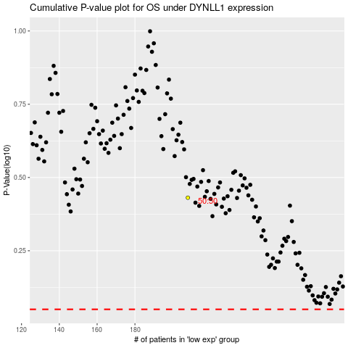

 |  |  |  |  |  | cases_OS | p_OS | rank | exp
 |  |  |  |  |  |  | cases_RFS | p_RFS | rank | exp

