DYNLL2 _multivariate
Reported by Tex Li-Hsing Chi. tex@gate.sinica.edu.tw 2019-08-20

Table 2. The clinicopathological features of HNSCC cohort and DYNLL2 expression. (Chi square test)
Cutoff at -0.247 (50.0%)
 |  | DYNLL2 expression |  | DYNLL2 expression |  | (Optimised)
 | Features | Low | (%) | High | (%) | Case no | P-value | Remark | Matthews
Gender | Female | 147 | 35.4 | 159 | 38.3 | 415 | 0.2523 | 0 | 0
2 | Male | 60 | 14.5 | 49 | 11.8
Age at diagnosis | <=65y | 131 | 31.6 | 143 | 34.5 | 415 | 0.2839 | 0 | 0
4 | >65y | 76 | 18.3 | 65 | 15.7
Clinical T Status | T1+T2 | 70 | 16.9 | 79 | 19 | 415 | 0.4343 | 0 | 0
6 | T3+T4 | 137 | 33 | 129 | 31.1
Clinical N Status | N0 | 112 | 27 | 104 | 25.1 | 415 | 0.4599 | 0 | 0
8 | N1-3 | 95 | 22.9 | 104 | 25.1
Clinical M Status | M0 | 206 | 49.6 | 206 | 49.6 | 415 | 1 | 0 | 0
10 | M1 | 1 | 0.2 | 2 | 0.5
Clinical Stage | Stage I+II | 51 | 12.3 | 51 | 12.3 | 415 | 1 | 0 | 0
12 | Stage III+IV | 156 | 37.6 | 157 | 37.8
Surgical Margin status | Negative | 162 | 39 | 156 | 37.6 | 415 | 0.4867 | 0 | 0
14 | Positive | 45 | 10.8 | 52 | 12.5
Tobacco Exposure | Low | 93 | 22.4 | 68 | 16.4 | 415 | 0.0118 | 1 | 0
16 | High | 114 | 27.5 | 140 | 33.7

Table 3. Univariate/Multivariate Cox's proportional hazards regression analyses on OS time of DYNLL2 gene expression in HNSCC

 |  | Univariate |  |  |  | Multivariate
 | Features | HR | CI95%(L) | CI95%(H) | P-value | HR | CI95%(L) | CI95%(H) | P-value
1 | Female | 1 |  |  |  | 1
Gender | Male | 1.157 | 0.843 | 1.587 | 0.367 | 1.232 | 0.881 | 1.723 | 0.222
11 | <=65y | 1 |  |  |  | 1
Age at diagnosis | >65y | 1.329 | 0.99 | 1.784 | 0.058 | 1.382 | 1.017 | 1.878 | 0.039
12 | T1+T2 | 1 |  |  |  | 1
Clinical T Status | T3+T4 | 1.409 | 1.028 | 1.931 | 0.033 | 2.219 | 1.174 | 4.194 | 0.014
13 | N0 | 1 |  |  |  | 1
Clinical N Status | N1-3 | 1.185 | 0.89 | 1.577 | 0.246 | 1.224 | 0.858 | 1.747 | 0.265
14 | M0 | 1 |  |  |  | 1
Clinical M Status | M1 | 4.097 | 1.009 | 16.644 | 0.049 | 9.384 | 2.048 | 42.997 | 0.004
15 | Stage I+II | 1 |  |  |  | 1
Clinical Stage | Stage III+IV | 1.245 | 0.882 | 1.759 | 0.213 | 0.503 | 0.235 | 1.08 | 0.078
16 | Negative | 1 |  |  |  | 1
Surgical Margin status | Positive | 1.591 | 1.155 | 2.191 | 0.004 | 1.662 | 1.203 | 2.298 | 0.002
17 | Low | 1 |  |  |  | 1
Tobacco Exposure | High | 1.364 | 1.008 | 1.844 | 0.044 | 1.407 | 1.019 | 1.943 | 0.038
18 | Low | 1 |  |  |  | 1
RNAseq(z-score) | High | 1.282 | 0.961 | 1.71 | 0.091 | 1.267 | 0.945 | 1.699 | 0.114

Table 4. Univariate/Multivariate Cox's proportional hazards regression analyses on RFS time of DYNLL2 gene expression in HNSCC

 |  | Univariate |  |  |  | Multivariate
 | Features | HR | CI95%(L) | CI95%(H) | P-value | HR | CI95%(L) | CI95%(H) | P-value
1 | Female | 1 |  |  |  | 1
Gender | Male | 1.157 | 0.843 | 1.587 | 0.367 | 1.232 | 0.881 | 1.723 | 0.222
11 | <=65y | 1 |  |  |  | 1
Age at diagnosis | >65y | 1.329 | 0.99 | 1.784 | 0.058 | 1.382 | 1.017 | 1.878 | 0.039
12 | T1+T2 | 1 |  |  |  | 1
Clinical T Status | T3+T4 | 1.409 | 1.028 | 1.931 | 0.033 | 2.219 | 1.174 | 4.194 | 0.014
13 | N0 | 1 |  |  |  | 1
Clinical N Status | N1-3 | 1.185 | 0.89 | 1.577 | 0.246 | 1.224 | 0.858 | 1.747 | 0.265
14 | M0 | 1 |  |  |  | 1
Clinical M Status | M1 | 4.097 | 1.009 | 16.644 | 0.049 | 9.384 | 2.048 | 42.997 | 0.004
15 | Stage I+II | 1 |  |  |  | 1
Clinical Stage | Stage III+IV | 1.245 | 0.882 | 1.759 | 0.213 | 0.503 | 0.235 | 1.08 | 0.078
16 | Negative | 1 |  |  |  | 1
Surgical Margin status | Positive | 1.591 | 1.155 | 2.191 | 0.004 | 1.662 | 1.203 | 2.298 | 0.002
17 | Low | 1 |  |  |  | 1
Tobacco Exposure | High | 1.364 | 1.008 | 1.844 | 0.044 | 1.407 | 1.019 | 1.943 | 0.038
18 | Low | 1 |  |  |  | 1
RNAseq(z-score) | High | 1.282 | 0.961 | 1.71 | 0.091 | 1.267 | 0.945 | 1.699 | 0.114

Kaplan-Meier survival estimate: Cutoff at -0.247 (50.0%)



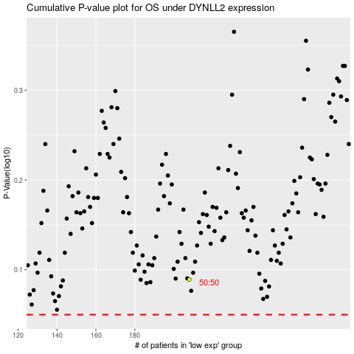

 |  |  |  |  |  | cases_OS | p_OS | rank | exp
 |  |  |  |  |  |  | cases_RFS | p_RFS | rank | exp

